HTATSF1 _multivariate
Reported by Tex Li-Hsing Chi. tex@gate.sinica.edu.tw 2019-08-19

Table 2. The clinicopathological features of HNSCC cohort and HTATSF1 expression. (Chi square test)
Cutoff at -0.231 (50.0%)
 |  | HTATSF1 expression |  | HTATSF1 expression |  | (Optimised)
 | Features | Low | (%) | High | (%) | Case no | P-value | Remark | Matthews
Gender | Female | 149 | 35.9 | 157 | 37.8 | 415 | 0.4848 | 0 | 0
2 | Male | 58 | 14 | 51 | 12.3
Age at diagnosis | <=65y | 127 | 30.6 | 147 | 35.4 | 415 | 0.0573 | 0 | 0
4 | >65y | 80 | 19.3 | 61 | 14.7
Clinical T Status | T1+T2 | 58 | 14 | 91 | 21.9 | 415 | 0.0012 | 1 | 0
6 | T3+T4 | 149 | 35.9 | 117 | 28.2
Clinical N Status | N0 | 110 | 26.5 | 106 | 25.5 | 415 | 0.7294 | 0 | 0
8 | N1-3 | 97 | 23.4 | 102 | 24.6
Clinical M Status | M0 | 206 | 49.6 | 206 | 49.6 | 415 | 1 | 0 | 0
10 | M1 | 1 | 0.2 | 2 | 0.5
Clinical Stage | Stage I+II | 45 | 10.8 | 57 | 13.7 | 415 | 0.2202 | 0 | 0
12 | Stage III+IV | 162 | 39 | 151 | 36.4
Surgical Margin status | Negative | 160 | 38.6 | 158 | 38.1 | 415 | 0.8167 | 0 | 0
14 | Positive | 47 | 11.3 | 50 | 12
Tobacco Exposure | Low | 85 | 20.5 | 76 | 18.3 | 415 | 0.3655 | 0 | 0
16 | High | 122 | 29.4 | 132 | 31.8

Table 3. Univariate/Multivariate Cox's proportional hazards regression analyses on OS time of HTATSF1 gene expression in HNSCC

 |  | Univariate |  |  |  | Multivariate
 | Features | HR | CI95%(L) | CI95%(H) | P-value | HR | CI95%(L) | CI95%(H) | P-value
1 | Female | 1 |  |  |  | 1
Gender | Male | 1.157 | 0.843 | 1.587 | 0.367 | 1.203 | 0.861 | 1.681 | 0.278
11 | <=65y | 1 |  |  |  | 1
Age at diagnosis | >65y | 1.329 | 0.99 | 1.784 | 0.058 | 1.39 | 1.022 | 1.89 | 0.036
12 | T1+T2 | 1 |  |  |  | 1
Clinical T Status | T3+T4 | 1.409 | 1.028 | 1.931 | 0.033 | 2.181 | 1.148 | 4.143 | 0.017
13 | N0 | 1 |  |  |  | 1
Clinical N Status | N1-3 | 1.185 | 0.89 | 1.577 | 0.246 | 1.24 | 0.869 | 1.769 | 0.236
14 | M0 | 1 |  |  |  | 1
Clinical M Status | M1 | 4.097 | 1.009 | 16.644 | 0.049 | 9.444 | 2.06 | 43.305 | 0.004
15 | Stage I+II | 1 |  |  |  | 1
Clinical Stage | Stage III+IV | 1.245 | 0.882 | 1.759 | 0.213 | 0.509 | 0.236 | 1.096 | 0.084
16 | Negative | 1 |  |  |  | 1
Surgical Margin status | Positive | 1.591 | 1.155 | 2.191 | 0.004 | 1.677 | 1.212 | 2.32 | 0.002
17 | Low | 1 |  |  |  | 1
Tobacco Exposure | High | 1.364 | 1.008 | 1.844 | 0.044 | 1.459 | 1.057 | 2.013 | 0.022
18 | Low | 1 |  |  |  | 1
RNAseq(z-score) | High | 0.98 | 0.736 | 1.306 | 0.891 | 0.964 | 0.72 | 1.291 | 0.805

Table 4. Univariate/Multivariate Cox's proportional hazards regression analyses on RFS time of HTATSF1 gene expression in HNSCC

 |  | Univariate |  |  |  | Multivariate
 | Features | HR | CI95%(L) | CI95%(H) | P-value | HR | CI95%(L) | CI95%(H) | P-value
1 | Female | 1 |  |  |  | 1
Gender | Male | 1.157 | 0.843 | 1.587 | 0.367 | 1.203 | 0.861 | 1.681 | 0.278
11 | <=65y | 1 |  |  |  | 1
Age at diagnosis | >65y | 1.329 | 0.99 | 1.784 | 0.058 | 1.39 | 1.022 | 1.89 | 0.036
12 | T1+T2 | 1 |  |  |  | 1
Clinical T Status | T3+T4 | 1.409 | 1.028 | 1.931 | 0.033 | 2.181 | 1.148 | 4.143 | 0.017
13 | N0 | 1 |  |  |  | 1
Clinical N Status | N1-3 | 1.185 | 0.89 | 1.577 | 0.246 | 1.24 | 0.869 | 1.769 | 0.236
14 | M0 | 1 |  |  |  | 1
Clinical M Status | M1 | 4.097 | 1.009 | 16.644 | 0.049 | 9.444 | 2.06 | 43.305 | 0.004
15 | Stage I+II | 1 |  |  |  | 1
Clinical Stage | Stage III+IV | 1.245 | 0.882 | 1.759 | 0.213 | 0.509 | 0.236 | 1.096 | 0.084
16 | Negative | 1 |  |  |  | 1
Surgical Margin status | Positive | 1.591 | 1.155 | 2.191 | 0.004 | 1.677 | 1.212 | 2.32 | 0.002
17 | Low | 1 |  |  |  | 1
Tobacco Exposure | High | 1.364 | 1.008 | 1.844 | 0.044 | 1.459 | 1.057 | 2.013 | 0.022
18 | Low | 1 |  |  |  | 1
RNAseq(z-score) | High | 0.98 | 0.736 | 1.306 | 0.891 | 0.964 | 0.72 | 1.291 | 0.805

Kaplan-Meier survival estimate: Cutoff at -0.231 (50.0%)



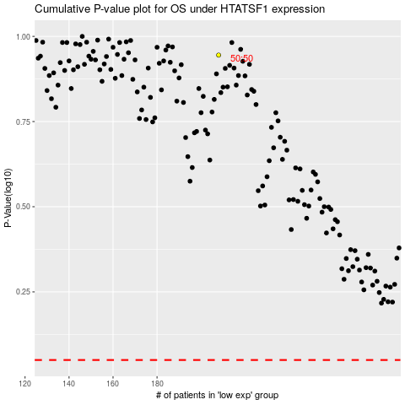

 |  |  |  |  |  | cases_OS | p_OS | rank | exp
 |  |  |  |  |  |  | cases_RFS | p_RFS | rank | exp

