HTR1D _multivariate
Reported by Tex Li-Hsing Chi. tex@gate.sinica.edu.tw 2019-08-19

Table 2. The clinicopathological features of HNSCC cohort and HTR1D expression. (Chi square test)
Cutoff at -0.094 (64.5%)
 |  | HTR1D expression |  | HTR1D expression |  | (Optimised)
 | Features | Low | (%) | High | (%) | Case no | P-value | Remark | Matthews
Gender | Female | 196 | 47.2 | 110 | 26.5 | 415 | 0.9309 | 0 | 0
2 | Male | 71 | 17.1 | 38 | 9.2
Age at diagnosis | <=65y | 181 | 43.6 | 93 | 22.4 | 415 | 0.3617 | 0 | 0
4 | >65y | 86 | 20.7 | 55 | 13.3
Clinical T Status | T1+T2 | 105 | 25.3 | 44 | 10.6 | 415 | 0.065 | 0 | 0
6 | T3+T4 | 162 | 39 | 104 | 25.1
Clinical N Status | N0 | 138 | 33.3 | 78 | 18.8 | 415 | 0.9234 | 0 | 0
8 | N1-3 | 129 | 31.1 | 70 | 16.9
Clinical M Status | M0 | 266 | 64.1 | 146 | 35.2 | 415 | 0.2904 | 0 | 0
10 | M1 | 1 | 0.2 | 2 | 0.5
Clinical Stage | Stage I+II | 71 | 17.1 | 31 | 7.5 | 415 | 0.2458 | 0 | 0
12 | Stage III+IV | 196 | 47.2 | 117 | 28.2
Surgical Margin status | Negative | 197 | 47.5 | 121 | 29.2 | 415 | 0.0702 | 0 | 0
14 | Positive | 70 | 16.9 | 27 | 6.5
Tobacco Exposure | Low | 102 | 24.6 | 59 | 14.2 | 415 | 0.7533 | 0 | 0
16 | High | 165 | 39.8 | 89 | 21.4

Table 3. Univariate/Multivariate Cox's proportional hazards regression analyses on OS time of HTR1D gene expression in HNSCC

 |  | Univariate |  |  |  | Multivariate
 | Features | HR | CI95%(L) | CI95%(H) | P-value | HR | CI95%(L) | CI95%(H) | P-value
1 | Female | 1 |  |  |  | 1
Gender | Male | 1.157 | 0.843 | 1.587 | 0.367 | 1.201 | 0.857 | 1.682 | 0.287
11 | <=65y | 1 |  |  |  | 1
Age at diagnosis | >65y | 1.329 | 0.99 | 1.784 | 0.058 | 1.362 | 0.999 | 1.856 | 0.051
12 | T1+T2 | 1 |  |  |  | 1
Clinical T Status | T3+T4 | 1.409 | 1.028 | 1.931 | 0.033 | 2.078 | 1.096 | 3.939 | 0.025
13 | N0 | 1 |  |  |  | 1
Clinical N Status | N1-3 | 1.185 | 0.89 | 1.577 | 0.246 | 1.268 | 0.887 | 1.813 | 0.192
14 | M0 | 1 |  |  |  | 1
Clinical M Status | M1 | 4.097 | 1.009 | 16.644 | 0.049 | 7.709 | 1.664 | 35.718 | 0.009
15 | Stage I+II | 1 |  |  |  | 1
Clinical Stage | Stage III+IV | 1.245 | 0.882 | 1.759 | 0.213 | 0.508 | 0.236 | 1.09 | 0.082
16 | Negative | 1 |  |  |  | 1
Surgical Margin status | Positive | 1.591 | 1.155 | 2.191 | 0.004 | 1.73 | 1.25 | 2.395 | 0.001
17 | Low | 1 |  |  |  | 1
Tobacco Exposure | High | 1.364 | 1.008 | 1.844 | 0.044 | 1.452 | 1.051 | 2.006 | 0.024
18 | Low | 1 |  |  |  | 1
RNAseq(z-score) | High | 1.437 | 1.073 | 1.924 | 0.015 | 1.391 | 1.032 | 1.876 | 0.03

Table 4. Univariate/Multivariate Cox's proportional hazards regression analyses on RFS time of HTR1D gene expression in HNSCC

 |  | Univariate |  |  |  | Multivariate
 | Features | HR | CI95%(L) | CI95%(H) | P-value | HR | CI95%(L) | CI95%(H) | P-value
1 | Female | 1 |  |  |  | 1
Gender | Male | 1.157 | 0.843 | 1.587 | 0.367 | 1.201 | 0.857 | 1.682 | 0.287
11 | <=65y | 1 |  |  |  | 1
Age at diagnosis | >65y | 1.329 | 0.99 | 1.784 | 0.058 | 1.362 | 0.999 | 1.856 | 0.051
12 | T1+T2 | 1 |  |  |  | 1
Clinical T Status | T3+T4 | 1.409 | 1.028 | 1.931 | 0.033 | 2.078 | 1.096 | 3.939 | 0.025
13 | N0 | 1 |  |  |  | 1
Clinical N Status | N1-3 | 1.185 | 0.89 | 1.577 | 0.246 | 1.268 | 0.887 | 1.813 | 0.192
14 | M0 | 1 |  |  |  | 1
Clinical M Status | M1 | 4.097 | 1.009 | 16.644 | 0.049 | 7.709 | 1.664 | 35.718 | 0.009
15 | Stage I+II | 1 |  |  |  | 1
Clinical Stage | Stage III+IV | 1.245 | 0.882 | 1.759 | 0.213 | 0.508 | 0.236 | 1.09 | 0.082
16 | Negative | 1 |  |  |  | 1
Surgical Margin status | Positive | 1.591 | 1.155 | 2.191 | 0.004 | 1.73 | 1.25 | 2.395 | 0.001
17 | Low | 1 |  |  |  | 1
Tobacco Exposure | High | 1.364 | 1.008 | 1.844 | 0.044 | 1.452 | 1.051 | 2.006 | 0.024
18 | Low | 1 |  |  |  | 1
RNAseq(z-score) | High | 1.437 | 1.073 | 1.924 | 0.015 | 1.391 | 1.032 | 1.876 | 0.03

Kaplan-Meier survival estimate: Cutoff at -0.094 (64.5%)

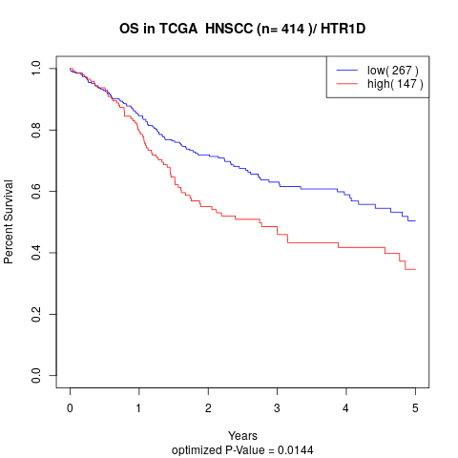

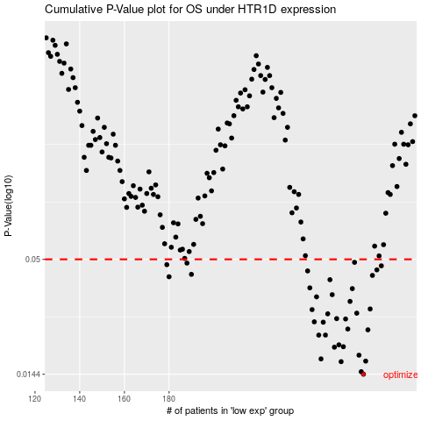

 |  |  |  |  |  | cases_OS | p_OS | rank | exp
 |  |  |  |  |  | 267 | 0.0144 | 275 | -0.093599620858
 |  |  |  |  |  | 266 | 0.0148 | 172 | -0.095288359403
 |  |  |  |  |  | 257 | 0.0165 | 266 | -0.12456936841
 |  |  |  |  |  | 268 | 0.0166 | 133 | -0.092866880066
 |  |  |  |  |  | 248 | 0.017 | 274 | -0.15381889246
 |  |  |  |  |  | 265 | 0.0177 | 11 | -0.097134522727
 |  |  |  |  |  | 254 | 0.0193 | 52 | -0.14099306632
 |  |  |  |  |  | 258 | 0.0194 | 137 | -0.11362691509
 |  |  |  |  |  | 256 | 0.0198 | 187 | -0.1253937018
 |  |  |  |  |  | 247 | 0.022 | 116 | -0.15484358466
 |  |  |  |  |  | 250 | 0.022 | 375 | -0.14739882372
 |  |  |  |  |  | 269 | 0.0233 | 411 | -0.090385293085
 |  |  |  |  |  | 260 | 0.0235 | 123 | -0.10720398408
 |  |  |  |  |  | 249 | 0.0253 | 360 | -0.14842637819
 |  |  |  |  |  | 245 | 0.0254 | 361 | -0.16503612357
 |  |  |  |  |  | 259 | 0.0262 | 22 | -0.11038968917
 |  |  |  |  |  | 255 | 0.0263 | 49 | -0.1365937593
 |  |  |  |  |  | 251 | 0.0277 | 370 | -0.14415873553
 |  |  |  |  |  | 264 | 0.0279 | 272 | -0.097460821361
 |  |  |  |  |  | 244 | 0.029 | 252 | -0.1659119778
 |  |  |  |  |  | 270 | 0.0292 | 43 | -0.08675307408
 |  |  |  |  |  | 261 | 0.0317 | 142 | -0.10454207417
 |  |  |  |  |  | 246 | 0.0333 | 188 | -0.15759708717
 |  |  |  |  |  | 253 | 0.0341 | 205 | -0.14232974582
 |  |  |  |  |  | 262 | 0.0364 | 372 | -0.098889093453
 |  |  |  |  |  | 243 | 0.0367 | 128 | -0.170643308
 |  |  |  |  |  | 252 | 0.0401 | 310 | -0.14309397157
 |  |  |  |  |  | 180 | 0.0414 | 210 | -0.28630758697
 |  |  |  |  |  | 271 | 0.042 | 148 | -0.077711167193
 |  |  |  |  |  | 190 | 0.0425 | 344 | -0.26869890981
 |  |  |  |  |  | 242 | 0.0441 | 17 | -0.17353133713
 |  |  |  |  |  | 273 | 0.0446 | 244 | -0.073317584707
 |  |  |  |  |  | 275 | 0.0466 | 236 | -0.070655674798
 |  |  |  |  |  | 179 | 0.0472 | 294 | -0.28816806164
 |  |  |  |  |  | 188 | 0.048 | 366 | -0.27856515009
 |  |  |  |  |  | 263 | 0.0484 | 230 | -0.098293741559
 |  |  |  |  |  |  | cases_RFS | p_RFS | rank | exp
 |  |  |  |  |  |  | 266 | 0.0144 | 172 | -0.095288359403
 |  |  |  |  |  |  | 265 | 0.0148 | 11 | -0.097134522727
 |  |  |  |  |  |  | 256 | 0.0165 | 187 | -0.1253937018
 |  |  |  |  |  |  | 267 | 0.0166 | 275 | -0.093599620858
 |  |  |  |  |  |  | 247 | 0.017 | 116 | -0.15484358466
 |  |  |  |  |  |  | 264 | 0.0177 | 272 | -0.097460821361
 |  |  |  |  |  |  | 253 | 0.0193 | 205 | -0.14232974582
 |  |  |  |  |  |  | 257 | 0.0194 | 266 | -0.12456936841
 |  |  |  |  |  |  | 255 | 0.0198 | 49 | -0.1365937593
 |  |  |  |  |  |  | 246 | 0.022 | 188 | -0.15759708717
 |  |  |  |  |  |  | 249 | 0.022 | 360 | -0.14842637819
 |  |  |  |  |  |  | 268 | 0.0233 | 133 | -0.092866880066
 |  |  |  |  |  |  | 259 | 0.0235 | 22 | -0.11038968917
 |  |  |  |  |  |  | 248 | 0.0253 | 274 | -0.15381889246
 |  |  |  |  |  |  | 244 | 0.0254 | 252 | -0.1659119778
 |  |  |  |  |  |  | 258 | 0.0262 | 137 | -0.11362691509
 |  |  |  |  |  |  | 254 | 0.0263 | 52 | -0.14099306632
 |  |  |  |  |  |  | 250 | 0.0277 | 375 | -0.14739882372
 |  |  |  |  |  |  | 263 | 0.0279 | 230 | -0.098293741559
 |  |  |  |  |  |  | 243 | 0.029 | 128 | -0.170643308
 |  |  |  |  |  |  | 269 | 0.0292 | 411 | -0.090385293085
 |  |  |  |  |  |  | 260 | 0.0317 | 123 | -0.10720398408
 |  |  |  |  |  |  | 245 | 0.0333 | 361 | -0.16503612357
 |  |  |  |  |  |  | 252 | 0.0341 | 310 | -0.14309397157
 |  |  |  |  |  |  | 261 | 0.0364 | 142 | -0.10454207417
 |  |  |  |  |  |  | 242 | 0.0367 | 17 | -0.17353133713
 |  |  |  |  |  |  | 251 | 0.0401 | 370 | -0.14415873553
 |  |  |  |  |  |  | 179 | 0.0414 | 294 | -0.28816806164
 |  |  |  |  |  |  | 270 | 0.042 | 43 | -0.08675307408
 |  |  |  |  |  |  | 189 | 0.0425 | 406 | -0.26983523049
 |  |  |  |  |  |  | 241 | 0.0441 | 337 | -0.17688591608
 |  |  |  |  |  |  | 272 | 0.0446 | 189 | -0.076028153185
 |  |  |  |  |  |  | 274 | 0.0466 | 359 | -0.072985561536
 |  |  |  |  |  |  | 178 | 0.0472 | 73 | -0.28974803398
 |  |  |  |  |  |  | 187 | 0.048 | 298 | -0.28036837938
 |  |  |  |  |  |  | 262 | 0.0484 | 372 | -0.098889093453

