HTR7 _multivariate
Reported by Tex Li-Hsing Chi. tex@gate.sinica.edu.tw 2019-08-19

Table 2. The clinicopathological features of HNSCC cohort and HTR7 expression. (Chi square test)
Cutoff at -0.192 (50.0%)
 |  | HTR7 expression |  | HTR7 expression |  | (Optimised)
 | Features | Low | (%) | High | (%) | Case no | P-value | Remark | Matthews
Gender | Female | 160 | 38.6 | 146 | 35.2 | 415 | 0.1254 | 0 | 0
2 | Male | 47 | 11.3 | 62 | 14.9
Age at diagnosis | <=65y | 137 | 33 | 137 | 33 | 415 | 1 | 0 | 0
4 | >65y | 70 | 16.9 | 71 | 17.1
Clinical T Status | T1+T2 | 80 | 19.3 | 69 | 16.6 | 415 | 0.2891 | 0 | 0
6 | T3+T4 | 127 | 30.6 | 139 | 33.5
Clinical N Status | N0 | 111 | 26.7 | 105 | 25.3 | 415 | 0.5875 | 0 | 0
8 | N1-3 | 96 | 23.1 | 103 | 24.8
Clinical M Status | M0 | 207 | 49.9 | 205 | 49.4 | 415 | 0.2482 | 0 | 0
10 | M1 | 0 | 0 | 3 | 0.7
Clinical Stage | Stage I+II | 51 | 12.3 | 51 | 12.3 | 415 | 1 | 0 | 0
12 | Stage III+IV | 156 | 37.6 | 157 | 37.8
Surgical Margin status | Negative | 161 | 38.8 | 157 | 37.8 | 415 | 0.6429 | 0 | 0
14 | Positive | 46 | 11.1 | 51 | 12.3
Tobacco Exposure | Low | 70 | 16.9 | 91 | 21.9 | 415 | 0.0439 | 1 | 0
16 | High | 137 | 33 | 117 | 28.2

Table 3. Univariate/Multivariate Cox's proportional hazards regression analyses on OS time of HTR7 gene expression in HNSCC

 |  | Univariate |  |  |  | Multivariate
 | Features | HR | CI95%(L) | CI95%(H) | P-value | HR | CI95%(L) | CI95%(H) | P-value
1 | Female | 1 |  |  |  | 1
Gender | Male | 1.157 | 0.843 | 1.587 | 0.367 | 1.2 | 0.859 | 1.676 | 0.286
11 | <=65y | 1 |  |  |  | 1
Age at diagnosis | >65y | 1.329 | 0.99 | 1.784 | 0.058 | 1.412 | 1.037 | 1.923 | 0.029
12 | T1+T2 | 1 |  |  |  | 1
Clinical T Status | T3+T4 | 1.409 | 1.028 | 1.931 | 0.033 | 2.103 | 1.108 | 3.991 | 0.023
13 | N0 | 1 |  |  |  | 1
Clinical N Status | N1-3 | 1.185 | 0.89 | 1.577 | 0.246 | 1.237 | 0.867 | 1.765 | 0.241
14 | M0 | 1 |  |  |  | 1
Clinical M Status | M1 | 4.097 | 1.009 | 16.644 | 0.049 | 8.208 | 1.769 | 38.079 | 0.007
15 | Stage I+II | 1 |  |  |  | 1
Clinical Stage | Stage III+IV | 1.245 | 0.882 | 1.759 | 0.213 | 0.537 | 0.249 | 1.159 | 0.113
16 | Negative | 1 |  |  |  | 1
Surgical Margin status | Positive | 1.591 | 1.155 | 2.191 | 0.004 | 1.674 | 1.211 | 2.313 | 0.002
17 | Low | 1 |  |  |  | 1
Tobacco Exposure | High | 1.364 | 1.008 | 1.844 | 0.044 | 1.5 | 1.084 | 2.076 | 0.015
18 | Low | 1 |  |  |  | 1
RNAseq(z-score) | High | 1.2 | 0.9 | 1.599 | 0.214 | 1.225 | 0.912 | 1.646 | 0.177

Table 4. Univariate/Multivariate Cox's proportional hazards regression analyses on RFS time of HTR7 gene expression in HNSCC

 |  | Univariate |  |  |  | Multivariate
 | Features | HR | CI95%(L) | CI95%(H) | P-value | HR | CI95%(L) | CI95%(H) | P-value
1 | Female | 1 |  |  |  | 1
Gender | Male | 1.157 | 0.843 | 1.587 | 0.367 | 1.2 | 0.859 | 1.676 | 0.286
11 | <=65y | 1 |  |  |  | 1
Age at diagnosis | >65y | 1.329 | 0.99 | 1.784 | 0.058 | 1.412 | 1.037 | 1.923 | 0.029
12 | T1+T2 | 1 |  |  |  | 1
Clinical T Status | T3+T4 | 1.409 | 1.028 | 1.931 | 0.033 | 2.103 | 1.108 | 3.991 | 0.023
13 | N0 | 1 |  |  |  | 1
Clinical N Status | N1-3 | 1.185 | 0.89 | 1.577 | 0.246 | 1.237 | 0.867 | 1.765 | 0.241
14 | M0 | 1 |  |  |  | 1
Clinical M Status | M1 | 4.097 | 1.009 | 16.644 | 0.049 | 8.208 | 1.769 | 38.079 | 0.007
15 | Stage I+II | 1 |  |  |  | 1
Clinical Stage | Stage III+IV | 1.245 | 0.882 | 1.759 | 0.213 | 0.537 | 0.249 | 1.159 | 0.113
16 | Negative | 1 |  |  |  | 1
Surgical Margin status | Positive | 1.591 | 1.155 | 2.191 | 0.004 | 1.674 | 1.211 | 2.313 | 0.002
17 | Low | 1 |  |  |  | 1
Tobacco Exposure | High | 1.364 | 1.008 | 1.844 | 0.044 | 1.5 | 1.084 | 2.076 | 0.015
18 | Low | 1 |  |  |  | 1
RNAseq(z-score) | High | 1.2 | 0.9 | 1.599 | 0.214 | 1.225 | 0.912 | 1.646 | 0.177

Kaplan-Meier survival estimate: Cutoff at -0.192 (50.0%)



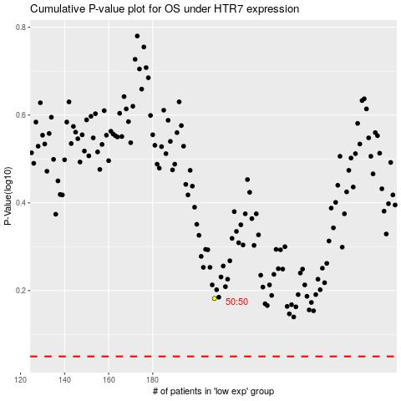

 |  |  |  |  |  | cases_OS | p_OS | rank | exp
 |  |  |  |  |  |  | cases_RFS | p_RFS | rank | exp

