HTR7P1 _multivariate
Reported by Tex Li-Hsing Chi. tex@gate.sinica.edu.tw 2019-08-19

Table 2. The clinicopathological features of HNSCC cohort and HTR7P1 expression. (Chi square test)
Cutoff at -0.378 (43.5%)
 |  | HTR7P1 expression |  | HTR7P1 expression |  | (Optimised)
 | Features | Low | (%) | High | (%) | Case no | P-value | Remark | Matthews
Gender | Female | 134 | 32.3 | 172 | 41.4 | 415 | 0.9929 | 0 | 0
2 | Male | 47 | 11.3 | 62 | 14.9
Age at diagnosis | <=65y | 127 | 30.6 | 147 | 35.4 | 415 | 0.1437 | 0 | 0
4 | >65y | 54 | 13 | 87 | 21
Clinical T Status | T1+T2 | 57 | 13.7 | 92 | 22.2 | 415 | 0.1224 | 0 | 0
6 | T3+T4 | 124 | 29.9 | 142 | 34.2
Clinical N Status | N0 | 76 | 18.3 | 140 | 33.7 | 415 | 5e-04 | 1 | 0
8 | N1-3 | 105 | 25.3 | 94 | 22.7
Clinical M Status | M0 | 179 | 43.1 | 233 | 56.1 | 415 | 0.5828 | 0 | 0
10 | M1 | 2 | 0.5 | 1 | 0.2
Clinical Stage | Stage I+II | 34 | 8.2 | 68 | 16.4 | 415 | 0.0217 | 1 | 0
12 | Stage III+IV | 147 | 35.4 | 166 | 40
Surgical Margin status | Negative | 132 | 31.8 | 186 | 44.8 | 415 | 0.1291 | 0 | 0
14 | Positive | 49 | 11.8 | 48 | 11.6
Tobacco Exposure | Low | 76 | 18.3 | 85 | 20.5 | 415 | 0.2643 | 0 | 0
16 | High | 105 | 25.3 | 149 | 35.9

Table 3. Univariate/Multivariate Cox's proportional hazards regression analyses on OS time of HTR7P1 gene expression in HNSCC

 |  | Univariate |  |  |  | Multivariate
 | Features | HR | CI95%(L) | CI95%(H) | P-value | HR | CI95%(L) | CI95%(H) | P-value
1 | Female | 1 |  |  |  | 1
Gender | Male | 1.157 | 0.843 | 1.587 | 0.367 | 1.205 | 0.862 | 1.684 | 0.275
11 | <=65y | 1 |  |  |  | 1
Age at diagnosis | >65y | 1.329 | 0.99 | 1.784 | 0.058 | 1.405 | 1.033 | 1.91 | 0.03
12 | T1+T2 | 1 |  |  |  | 1
Clinical T Status | T3+T4 | 1.409 | 1.028 | 1.931 | 0.033 | 2.158 | 1.141 | 4.08 | 0.018
13 | N0 | 1 |  |  |  | 1
Clinical N Status | N1-3 | 1.185 | 0.89 | 1.577 | 0.246 | 1.169 | 0.815 | 1.675 | 0.396
14 | M0 | 1 |  |  |  | 1
Clinical M Status | M1 | 4.097 | 1.009 | 16.644 | 0.049 | 8.654 | 1.882 | 39.789 | 0.006
15 | Stage I+II | 1 |  |  |  | 1
Clinical Stage | Stage III+IV | 1.245 | 0.882 | 1.759 | 0.213 | 0.504 | 0.235 | 1.081 | 0.079
16 | Negative | 1 |  |  |  | 1
Surgical Margin status | Positive | 1.591 | 1.155 | 2.191 | 0.004 | 1.635 | 1.182 | 2.262 | 0.003
17 | Low | 1 |  |  |  | 1
Tobacco Exposure | High | 1.364 | 1.008 | 1.844 | 0.044 | 1.522 | 1.098 | 2.11 | 0.012
18 | Low | 1 |  |  |  | 1
RNAseq(z-score) | High | 0.734 | 0.551 | 0.978 | 0.035 | 0.744 | 0.551 | 1.004 | 0.053

Table 4. Univariate/Multivariate Cox's proportional hazards regression analyses on RFS time of HTR7P1 gene expression in HNSCC

 |  | Univariate |  |  |  | Multivariate
 | Features | HR | CI95%(L) | CI95%(H) | P-value | HR | CI95%(L) | CI95%(H) | P-value
1 | Female | 1 |  |  |  | 1
Gender | Male | 1.157 | 0.843 | 1.587 | 0.367 | 1.205 | 0.862 | 1.684 | 0.275
11 | <=65y | 1 |  |  |  | 1
Age at diagnosis | >65y | 1.329 | 0.99 | 1.784 | 0.058 | 1.405 | 1.033 | 1.91 | 0.03
12 | T1+T2 | 1 |  |  |  | 1
Clinical T Status | T3+T4 | 1.409 | 1.028 | 1.931 | 0.033 | 2.158 | 1.141 | 4.08 | 0.018
13 | N0 | 1 |  |  |  | 1
Clinical N Status | N1-3 | 1.185 | 0.89 | 1.577 | 0.246 | 1.169 | 0.815 | 1.675 | 0.396
14 | M0 | 1 |  |  |  | 1
Clinical M Status | M1 | 4.097 | 1.009 | 16.644 | 0.049 | 8.654 | 1.882 | 39.789 | 0.006
15 | Stage I+II | 1 |  |  |  | 1
Clinical Stage | Stage III+IV | 1.245 | 0.882 | 1.759 | 0.213 | 0.504 | 0.235 | 1.081 | 0.079
16 | Negative | 1 |  |  |  | 1
Surgical Margin status | Positive | 1.591 | 1.155 | 2.191 | 0.004 | 1.635 | 1.182 | 2.262 | 0.003
17 | Low | 1 |  |  |  | 1
Tobacco Exposure | High | 1.364 | 1.008 | 1.844 | 0.044 | 1.522 | 1.098 | 2.11 | 0.012
18 | Low | 1 |  |  |  | 1
RNAseq(z-score) | High | 0.734 | 0.551 | 0.978 | 0.035 | 0.744 | 0.551 | 1.004 | 0.053

Kaplan-Meier survival estimate: Cutoff at -0.378 (43.5%)



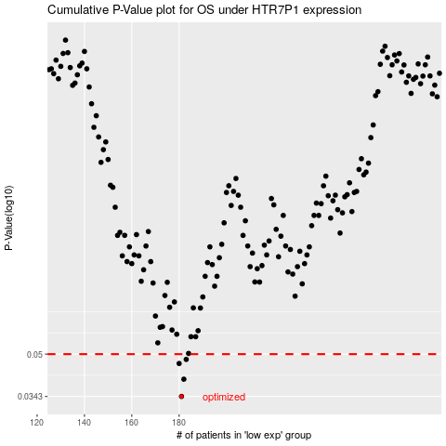

 |  |  |  |  |  | cases_OS | p_OS | rank | exp
 |  |  |  |  |  | 181 | 0.0343 | 341 | -0.37817941552
 |  |  |  |  |  | 182 | 0.04 | 134 | -0.37301011017
 |  |  |  |  |  | 180 | 0.046 | 133 | -0.38041204801
 |  |  |  |  |  | 183 | 0.0477 | 81 | -0.36991486967
 |  |  |  |  |  |  | cases_RFS | p_RFS | rank | exp
 |  |  |  |  |  |  | 180 | 0.0343 | 133 | -0.38041204801
 |  |  |  |  |  |  | 181 | 0.04 | 341 | -0.37817941552
 |  |  |  |  |  |  | 179 | 0.046 | 23 | -0.38934046375
 |  |  |  |  |  |  | 182 | 0.0477 | 134 | -0.37301011017

