HTRA2 _multivariate
Reported by Tex Li-Hsing Chi. tex@gate.sinica.edu.tw 2019-08-19

Table 2. The clinicopathological features of HNSCC cohort and HTRA2 expression. (Chi square test)
Cutoff at -0.065 (50.0%)
 |  | HTRA2 expression |  | HTRA2 expression |  | (Optimised)
 | Features | Low | (%) | High | (%) | Case no | P-value | Remark | Matthews
Gender | Female | 148 | 35.7 | 158 | 38.1 | 415 | 0.3567 | 0 | 0
2 | Male | 59 | 14.2 | 50 | 12
Age at diagnosis | <=65y | 134 | 32.3 | 140 | 33.7 | 415 | 0.6529 | 0 | 0
4 | >65y | 73 | 17.6 | 68 | 16.4
Clinical T Status | T1+T2 | 87 | 21 | 62 | 14.9 | 415 | 0.0127 | 1 | 0
6 | T3+T4 | 120 | 28.9 | 146 | 35.2
Clinical N Status | N0 | 114 | 27.5 | 102 | 24.6 | 415 | 0.2576 | 1 | 0
8 | N1-3 | 93 | 22.4 | 106 | 25.5
Clinical M Status | M0 | 207 | 49.9 | 205 | 49.4 | 415 | 0.2482 | 0 | 0
10 | M1 | 0 | 0 | 3 | 0.7
Clinical Stage | Stage I+II | 63 | 15.2 | 39 | 9.4 | 415 | 0.008 | 1 | 0
12 | Stage III+IV | 144 | 34.7 | 169 | 40.7
Surgical Margin status | Negative | 162 | 39 | 156 | 37.6 | 415 | 0.4867 | 0 | 0
14 | Positive | 45 | 10.8 | 52 | 12.5
Tobacco Exposure | Low | 78 | 18.8 | 83 | 20 | 415 | 0.6873 | 0 | 0
16 | High | 129 | 31.1 | 125 | 30.1

Table 3. Univariate/Multivariate Cox's proportional hazards regression analyses on OS time of HTRA2 gene expression in HNSCC

 |  | Univariate |  |  |  | Multivariate
 | Features | HR | CI95%(L) | CI95%(H) | P-value | HR | CI95%(L) | CI95%(H) | P-value
1 | Female | 1 |  |  |  | 1
Gender | Male | 1.157 | 0.843 | 1.587 | 0.367 | 1.205 | 0.862 | 1.683 | 0.275
11 | <=65y | 1 |  |  |  | 1
Age at diagnosis | >65y | 1.329 | 0.99 | 1.784 | 0.058 | 1.383 | 1.016 | 1.883 | 0.039
12 | T1+T2 | 1 |  |  |  | 1
Clinical T Status | T3+T4 | 1.409 | 1.028 | 1.931 | 0.033 | 2.216 | 1.171 | 4.193 | 0.014
13 | N0 | 1 |  |  |  | 1
Clinical N Status | N1-3 | 1.185 | 0.89 | 1.577 | 0.246 | 1.239 | 0.869 | 1.768 | 0.236
14 | M0 | 1 |  |  |  | 1
Clinical M Status | M1 | 4.097 | 1.009 | 16.644 | 0.049 | 9.753 | 2.106 | 45.155 | 0.004
15 | Stage I+II | 1 |  |  |  | 1
Clinical Stage | Stage III+IV | 1.245 | 0.882 | 1.759 | 0.213 | 0.505 | 0.235 | 1.085 | 0.08
16 | Negative | 1 |  |  |  | 1
Surgical Margin status | Positive | 1.591 | 1.155 | 2.191 | 0.004 | 1.677 | 1.213 | 2.319 | 0.002
17 | Low | 1 |  |  |  | 1
Tobacco Exposure | High | 1.364 | 1.008 | 1.844 | 0.044 | 1.449 | 1.052 | 1.997 | 0.023
18 | Low | 1 |  |  |  | 1
RNAseq(z-score) | High | 0.974 | 0.73 | 1.301 | 0.86 | 0.941 | 0.701 | 1.262 | 0.683

Table 4. Univariate/Multivariate Cox's proportional hazards regression analyses on RFS time of HTRA2 gene expression in HNSCC

 |  | Univariate |  |  |  | Multivariate
 | Features | HR | CI95%(L) | CI95%(H) | P-value | HR | CI95%(L) | CI95%(H) | P-value
1 | Female | 1 |  |  |  | 1
Gender | Male | 1.157 | 0.843 | 1.587 | 0.367 | 1.205 | 0.862 | 1.683 | 0.275
11 | <=65y | 1 |  |  |  | 1
Age at diagnosis | >65y | 1.329 | 0.99 | 1.784 | 0.058 | 1.383 | 1.016 | 1.883 | 0.039
12 | T1+T2 | 1 |  |  |  | 1
Clinical T Status | T3+T4 | 1.409 | 1.028 | 1.931 | 0.033 | 2.216 | 1.171 | 4.193 | 0.014
13 | N0 | 1 |  |  |  | 1
Clinical N Status | N1-3 | 1.185 | 0.89 | 1.577 | 0.246 | 1.239 | 0.869 | 1.768 | 0.236
14 | M0 | 1 |  |  |  | 1
Clinical M Status | M1 | 4.097 | 1.009 | 16.644 | 0.049 | 9.753 | 2.106 | 45.155 | 0.004
15 | Stage I+II | 1 |  |  |  | 1
Clinical Stage | Stage III+IV | 1.245 | 0.882 | 1.759 | 0.213 | 0.505 | 0.235 | 1.085 | 0.08
16 | Negative | 1 |  |  |  | 1
Surgical Margin status | Positive | 1.591 | 1.155 | 2.191 | 0.004 | 1.677 | 1.213 | 2.319 | 0.002
17 | Low | 1 |  |  |  | 1
Tobacco Exposure | High | 1.364 | 1.008 | 1.844 | 0.044 | 1.449 | 1.052 | 1.997 | 0.023
18 | Low | 1 |  |  |  | 1
RNAseq(z-score) | High | 0.974 | 0.73 | 1.301 | 0.86 | 0.941 | 0.701 | 1.262 | 0.683

Kaplan-Meier survival estimate: Cutoff at -0.065 (50.0%)



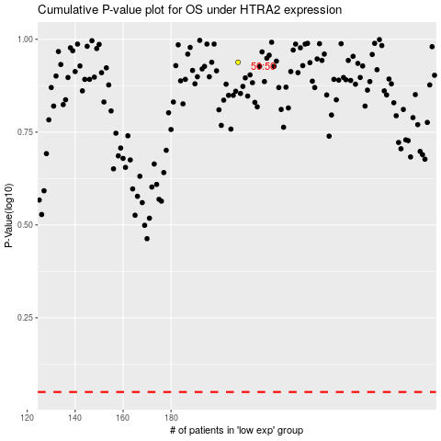

 |  |  |  |  |  | cases_OS | p_OS | rank | exp
 |  |  |  |  |  |  | cases_RFS | p_RFS | rank | exp

