HUS1 _multivariate
Reported by Tex Li-Hsing Chi. tex@gate.sinica.edu.tw 2019-08-19

Table 2. The clinicopathological features of HNSCC cohort and HUS1 expression. (Chi square test)
Cutoff at -0.332 (35.3%)
 |  | HUS1 expression |  | HUS1 expression |  | (Optimised)
 | Features | Low | (%) | High | (%) | Case no | P-value | Remark | Matthews
Gender | Female | 105 | 25.3 | 201 | 48.4 | 415 | 0.5002 | 0 | 0
2 | Male | 42 | 10.1 | 67 | 16.1
Age at diagnosis | <=65y | 91 | 21.9 | 183 | 44.1 | 415 | 0.2286 | 0 | 0
4 | >65y | 56 | 13.5 | 85 | 20.5
Clinical T Status | T1+T2 | 56 | 13.5 | 93 | 22.4 | 415 | 0.5604 | 0 | 0
6 | T3+T4 | 91 | 21.9 | 175 | 42.2
Clinical N Status | N0 | 79 | 19 | 137 | 33 | 415 | 0.6828 | 0 | 0
8 | N1-3 | 68 | 16.4 | 131 | 31.6
Clinical M Status | M0 | 147 | 35.4 | 265 | 63.9 | 415 | 0.5553 | 0 | 0
10 | M1 | 0 | 0 | 3 | 0.7
Clinical Stage | Stage I+II | 39 | 9.4 | 63 | 15.2 | 415 | 0.5721 | 0 | 0
12 | Stage III+IV | 108 | 26 | 205 | 49.4
Surgical Margin status | Negative | 109 | 26.3 | 209 | 50.4 | 415 | 0.3972 | 0 | 0
14 | Positive | 38 | 9.2 | 59 | 14.2
Tobacco Exposure | Low | 65 | 15.7 | 96 | 23.1 | 415 | 0.114 | 0 | 0
16 | High | 82 | 19.8 | 172 | 41.4

Table 3. Univariate/Multivariate Cox's proportional hazards regression analyses on OS time of HUS1 gene expression in HNSCC

 |  | Univariate |  |  |  | Multivariate
 | Features | HR | CI95%(L) | CI95%(H) | P-value | HR | CI95%(L) | CI95%(H) | P-value
1 | Female | 1 |  |  |  | 1
Gender | Male | 1.157 | 0.843 | 1.587 | 0.367 | 1.199 | 0.859 | 1.675 | 0.286
11 | <=65y | 1 |  |  |  | 1
Age at diagnosis | >65y | 1.329 | 0.99 | 1.784 | 0.058 | 1.403 | 1.033 | 1.905 | 0.03
12 | T1+T2 | 1 |  |  |  | 1
Clinical T Status | T3+T4 | 1.409 | 1.028 | 1.931 | 0.033 | 2.209 | 1.169 | 4.174 | 0.015
13 | N0 | 1 |  |  |  | 1
Clinical N Status | N1-3 | 1.185 | 0.89 | 1.577 | 0.246 | 1.268 | 0.889 | 1.809 | 0.19
14 | M0 | 1 |  |  |  | 1
Clinical M Status | M1 | 4.097 | 1.009 | 16.644 | 0.049 | 8.351 | 1.817 | 38.376 | 0.006
15 | Stage I+II | 1 |  |  |  | 1
Clinical Stage | Stage III+IV | 1.245 | 0.882 | 1.759 | 0.213 | 0.5 | 0.233 | 1.073 | 0.075
16 | Negative | 1 |  |  |  | 1
Surgical Margin status | Positive | 1.591 | 1.155 | 2.191 | 0.004 | 1.738 | 1.256 | 2.406 | 0.001
17 | Low | 1 |  |  |  | 1
Tobacco Exposure | High | 1.364 | 1.008 | 1.844 | 0.044 | 1.432 | 1.039 | 1.973 | 0.028
18 | Low | 1 |  |  |  | 1
RNAseq(z-score) | High | 1.375 | 1.009 | 1.873 | 0.044 | 1.446 | 1.055 | 1.982 | 0.022

Table 4. Univariate/Multivariate Cox's proportional hazards regression analyses on RFS time of HUS1 gene expression in HNSCC

 |  | Univariate |  |  |  | Multivariate
 | Features | HR | CI95%(L) | CI95%(H) | P-value | HR | CI95%(L) | CI95%(H) | P-value
1 | Female | 1 |  |  |  | 1
Gender | Male | 1.157 | 0.843 | 1.587 | 0.367 | 1.199 | 0.859 | 1.675 | 0.286
11 | <=65y | 1 |  |  |  | 1
Age at diagnosis | >65y | 1.329 | 0.99 | 1.784 | 0.058 | 1.403 | 1.033 | 1.905 | 0.03
12 | T1+T2 | 1 |  |  |  | 1
Clinical T Status | T3+T4 | 1.409 | 1.028 | 1.931 | 0.033 | 2.209 | 1.169 | 4.174 | 0.015
13 | N0 | 1 |  |  |  | 1
Clinical N Status | N1-3 | 1.185 | 0.89 | 1.577 | 0.246 | 1.268 | 0.889 | 1.809 | 0.19
14 | M0 | 1 |  |  |  | 1
Clinical M Status | M1 | 4.097 | 1.009 | 16.644 | 0.049 | 8.351 | 1.817 | 38.376 | 0.006
15 | Stage I+II | 1 |  |  |  | 1
Clinical Stage | Stage III+IV | 1.245 | 0.882 | 1.759 | 0.213 | 0.5 | 0.233 | 1.073 | 0.075
16 | Negative | 1 |  |  |  | 1
Surgical Margin status | Positive | 1.591 | 1.155 | 2.191 | 0.004 | 1.738 | 1.256 | 2.406 | 0.001
17 | Low | 1 |  |  |  | 1
Tobacco Exposure | High | 1.364 | 1.008 | 1.844 | 0.044 | 1.432 | 1.039 | 1.973 | 0.028
18 | Low | 1 |  |  |  | 1
RNAseq(z-score) | High | 1.375 | 1.009 | 1.873 | 0.044 | 1.446 | 1.055 | 1.982 | 0.022

Kaplan-Meier survival estimate: Cutoff at -0.332 (35.3%)



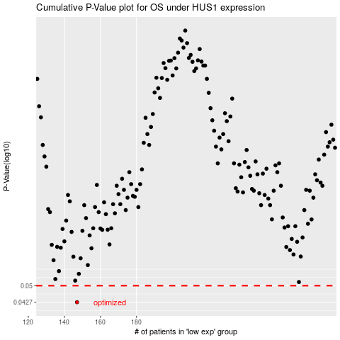

 |  |  |  |  |  | cases_OS | p_OS | rank | exp
 |  |  |  |  |  | 147 | 0.0427 | 326 | -0.33152572054
 |  |  |  |  |  |  | cases_RFS | p_RFS | rank | exp
 |  |  |  |  |  |  | 146 | 0.0427 | 6 | -0.33483265606

