HUWE1 _multivariate
Reported by Tex Li-Hsing Chi. tex@gate.sinica.edu.tw 2019-08-19

Table 2. The clinicopathological features of HNSCC cohort and HUWE1 expression. (Chi square test)
Cutoff at -0.156 (49.8%)
 |  | HUWE1 expression |  | HUWE1 expression |  | (Optimised)
 | Features | Low | (%) | High | (%) | Case no | P-value | Remark | Matthews
Gender | Female | 151 | 36.4 | 155 | 37.3 | 415 | 0.8007 | 0 | 0
2 | Male | 56 | 13.5 | 53 | 12.8
Age at diagnosis | <=65y | 136 | 32.8 | 138 | 33.3 | 415 | 0.9719 | 0 | 0
4 | >65y | 71 | 17.1 | 70 | 16.9
Clinical T Status | T1+T2 | 66 | 15.9 | 83 | 20 | 415 | 0.1095 | 0 | 0
6 | T3+T4 | 141 | 34 | 125 | 30.1
Clinical N Status | N0 | 103 | 24.8 | 113 | 27.2 | 415 | 0.4047 | 0 | 0
8 | N1-3 | 104 | 25.1 | 95 | 22.9
Clinical M Status | M0 | 205 | 49.4 | 207 | 49.9 | 415 | 0.6232 | 0 | 0
10 | M1 | 2 | 0.5 | 1 | 0.2
Clinical Stage | Stage I+II | 46 | 11.1 | 56 | 13.5 | 415 | 0.3182 | 0 | 0
12 | Stage III+IV | 161 | 38.8 | 152 | 36.6
Surgical Margin status | Negative | 153 | 36.9 | 165 | 39.8 | 415 | 0.2036 | 0 | 0
14 | Positive | 54 | 13 | 43 | 10.4
Tobacco Exposure | Low | 80 | 19.3 | 81 | 19.5 | 415 | 1 | 0 | 0
16 | High | 127 | 30.6 | 127 | 30.6

Table 3. Univariate/Multivariate Cox's proportional hazards regression analyses on OS time of HUWE1 gene expression in HNSCC

 |  | Univariate |  |  |  | Multivariate
 | Features | HR | CI95%(L) | CI95%(H) | P-value | HR | CI95%(L) | CI95%(H) | P-value
1 | Female | 1 |  |  |  | 1
Gender | Male | 1.157 | 0.843 | 1.587 | 0.367 | 1.216 | 0.87 | 1.701 | 0.252
11 | <=65y | 1 |  |  |  | 1
Age at diagnosis | >65y | 1.329 | 0.99 | 1.784 | 0.058 | 1.39 | 1.022 | 1.889 | 0.036
12 | T1+T2 | 1 |  |  |  | 1
Clinical T Status | T3+T4 | 1.409 | 1.028 | 1.931 | 0.033 | 2.22 | 1.174 | 4.2 | 0.014
13 | N0 | 1 |  |  |  | 1
Clinical N Status | N1-3 | 1.185 | 0.89 | 1.577 | 0.246 | 1.241 | 0.87 | 1.771 | 0.233
14 | M0 | 1 |  |  |  | 1
Clinical M Status | M1 | 4.097 | 1.009 | 16.644 | 0.049 | 9.616 | 2.095 | 44.134 | 0.004
15 | Stage I+II | 1 |  |  |  | 1
Clinical Stage | Stage III+IV | 1.245 | 0.882 | 1.759 | 0.213 | 0.505 | 0.235 | 1.084 | 0.08
16 | Negative | 1 |  |  |  | 1
Surgical Margin status | Positive | 1.591 | 1.155 | 2.191 | 0.004 | 1.698 | 1.225 | 2.354 | 0.001
17 | Low | 1 |  |  |  | 1
Tobacco Exposure | High | 1.364 | 1.008 | 1.844 | 0.044 | 1.466 | 1.063 | 2.022 | 0.02
18 | Low | 1 |  |  |  | 1
RNAseq(z-score) | High | 0.99 | 0.743 | 1.319 | 0.946 | 1.113 | 0.831 | 1.491 | 0.474

Table 4. Univariate/Multivariate Cox's proportional hazards regression analyses on RFS time of HUWE1 gene expression in HNSCC

 |  | Univariate |  |  |  | Multivariate
 | Features | HR | CI95%(L) | CI95%(H) | P-value | HR | CI95%(L) | CI95%(H) | P-value
1 | Female | 1 |  |  |  | 1
Gender | Male | 1.157 | 0.843 | 1.587 | 0.367 | 1.216 | 0.87 | 1.701 | 0.252
11 | <=65y | 1 |  |  |  | 1
Age at diagnosis | >65y | 1.329 | 0.99 | 1.784 | 0.058 | 1.39 | 1.022 | 1.889 | 0.036
12 | T1+T2 | 1 |  |  |  | 1
Clinical T Status | T3+T4 | 1.409 | 1.028 | 1.931 | 0.033 | 2.22 | 1.174 | 4.2 | 0.014
13 | N0 | 1 |  |  |  | 1
Clinical N Status | N1-3 | 1.185 | 0.89 | 1.577 | 0.246 | 1.241 | 0.87 | 1.771 | 0.233
14 | M0 | 1 |  |  |  | 1
Clinical M Status | M1 | 4.097 | 1.009 | 16.644 | 0.049 | 9.616 | 2.095 | 44.134 | 0.004
15 | Stage I+II | 1 |  |  |  | 1
Clinical Stage | Stage III+IV | 1.245 | 0.882 | 1.759 | 0.213 | 0.505 | 0.235 | 1.084 | 0.08
16 | Negative | 1 |  |  |  | 1
Surgical Margin status | Positive | 1.591 | 1.155 | 2.191 | 0.004 | 1.698 | 1.225 | 2.354 | 0.001
17 | Low | 1 |  |  |  | 1
Tobacco Exposure | High | 1.364 | 1.008 | 1.844 | 0.044 | 1.466 | 1.063 | 2.022 | 0.02
18 | Low | 1 |  |  |  | 1
RNAseq(z-score) | High | 0.99 | 0.743 | 1.319 | 0.946 | 1.113 | 0.831 | 1.491 | 0.474

Kaplan-Meier survival estimate: Cutoff at -0.156 (49.8%)



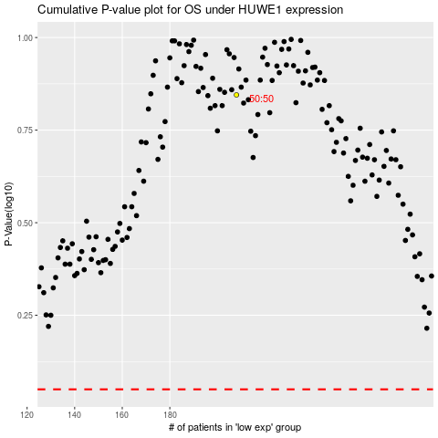

 |  |  |  |  |  | cases_OS | p_OS | rank | exp
 |  |  |  |  |  |  | cases_RFS | p_RFS | rank | exp

