HVCN1 _multivariate
Reported by Tex Li-Hsing Chi. tex@gate.sinica.edu.tw 2019-08-19

Table 2. The clinicopathological features of HNSCC cohort and HVCN1 expression. (Chi square test)
Cutoff at -0.289 (49.8%)
 |  | HVCN1 expression |  | HVCN1 expression |  | (Optimised)
 | Features | Low | (%) | High | (%) | Case no | P-value | Remark | Matthews
Gender | Female | 164 | 39.5 | 142 | 34.2 | 415 | 0.0153 | 1 | 0
2 | Male | 43 | 10.4 | 66 | 15.9
Age at diagnosis | <=65y | 143 | 34.5 | 131 | 31.6 | 415 | 0.2269 | 0 | 0
4 | >65y | 64 | 15.4 | 77 | 18.6
Clinical T Status | T1+T2 | 61 | 14.7 | 88 | 21.2 | 415 | 0.0087 | 1 | 0
6 | T3+T4 | 146 | 35.2 | 120 | 28.9
Clinical N Status | N0 | 113 | 27.2 | 103 | 24.8 | 415 | 0.3495 | 1 | 0
8 | N1-3 | 94 | 22.7 | 105 | 25.3
Clinical M Status | M0 | 205 | 49.4 | 207 | 49.9 | 415 | 0.6232 | 0 | 0
10 | M1 | 2 | 0.5 | 1 | 0.2
Clinical Stage | Stage I+II | 43 | 10.4 | 59 | 14.2 | 415 | 0.0925 | 0 | 0
12 | Stage III+IV | 164 | 39.5 | 149 | 35.9
Surgical Margin status | Negative | 155 | 37.3 | 163 | 39.3 | 415 | 0.4187 | 0 | 0
14 | Positive | 52 | 12.5 | 45 | 10.8
Tobacco Exposure | Low | 75 | 18.1 | 86 | 20.7 | 415 | 0.3141 | 0 | 0
16 | High | 132 | 31.8 | 122 | 29.4

Table 3. Univariate/Multivariate Cox's proportional hazards regression analyses on OS time of HVCN1 gene expression in HNSCC

 |  | Univariate |  |  |  | Multivariate
 | Features | HR | CI95%(L) | CI95%(H) | P-value | HR | CI95%(L) | CI95%(H) | P-value
1 | Female | 1 |  |  |  | 1
Gender | Male | 1.157 | 0.843 | 1.587 | 0.367 | 1.212 | 0.867 | 1.696 | 0.261
11 | <=65y | 1 |  |  |  | 1
Age at diagnosis | >65y | 1.329 | 0.99 | 1.784 | 0.058 | 1.397 | 1.028 | 1.899 | 0.033
12 | T1+T2 | 1 |  |  |  | 1
Clinical T Status | T3+T4 | 1.409 | 1.028 | 1.931 | 0.033 | 2.185 | 1.155 | 4.133 | 0.016
13 | N0 | 1 |  |  |  | 1
Clinical N Status | N1-3 | 1.185 | 0.89 | 1.577 | 0.246 | 1.256 | 0.879 | 1.795 | 0.211
14 | M0 | 1 |  |  |  | 1
Clinical M Status | M1 | 4.097 | 1.009 | 16.644 | 0.049 | 9.24 | 2.014 | 42.396 | 0.004
15 | Stage I+II | 1 |  |  |  | 1
Clinical Stage | Stage III+IV | 1.245 | 0.882 | 1.759 | 0.213 | 0.5 | 0.233 | 1.074 | 0.076
16 | Negative | 1 |  |  |  | 1
Surgical Margin status | Positive | 1.591 | 1.155 | 2.191 | 0.004 | 1.674 | 1.212 | 2.314 | 0.002
17 | Low | 1 |  |  |  | 1
Tobacco Exposure | High | 1.364 | 1.008 | 1.844 | 0.044 | 1.452 | 1.053 | 2.001 | 0.023
18 | Low | 1 |  |  |  | 1
RNAseq(z-score) | High | 0.905 | 0.679 | 1.205 | 0.494 | 0.908 | 0.678 | 1.215 | 0.516

Table 4. Univariate/Multivariate Cox's proportional hazards regression analyses on RFS time of HVCN1 gene expression in HNSCC

 |  | Univariate |  |  |  | Multivariate
 | Features | HR | CI95%(L) | CI95%(H) | P-value | HR | CI95%(L) | CI95%(H) | P-value
1 | Female | 1 |  |  |  | 1
Gender | Male | 1.157 | 0.843 | 1.587 | 0.367 | 1.212 | 0.867 | 1.696 | 0.261
11 | <=65y | 1 |  |  |  | 1
Age at diagnosis | >65y | 1.329 | 0.99 | 1.784 | 0.058 | 1.397 | 1.028 | 1.899 | 0.033
12 | T1+T2 | 1 |  |  |  | 1
Clinical T Status | T3+T4 | 1.409 | 1.028 | 1.931 | 0.033 | 2.185 | 1.155 | 4.133 | 0.016
13 | N0 | 1 |  |  |  | 1
Clinical N Status | N1-3 | 1.185 | 0.89 | 1.577 | 0.246 | 1.256 | 0.879 | 1.795 | 0.211
14 | M0 | 1 |  |  |  | 1
Clinical M Status | M1 | 4.097 | 1.009 | 16.644 | 0.049 | 9.24 | 2.014 | 42.396 | 0.004
15 | Stage I+II | 1 |  |  |  | 1
Clinical Stage | Stage III+IV | 1.245 | 0.882 | 1.759 | 0.213 | 0.5 | 0.233 | 1.074 | 0.076
16 | Negative | 1 |  |  |  | 1
Surgical Margin status | Positive | 1.591 | 1.155 | 2.191 | 0.004 | 1.674 | 1.212 | 2.314 | 0.002
17 | Low | 1 |  |  |  | 1
Tobacco Exposure | High | 1.364 | 1.008 | 1.844 | 0.044 | 1.452 | 1.053 | 2.001 | 0.023
18 | Low | 1 |  |  |  | 1
RNAseq(z-score) | High | 0.905 | 0.679 | 1.205 | 0.494 | 0.908 | 0.678 | 1.215 | 0.516

Kaplan-Meier survival estimate: Cutoff at -0.289 (49.8%)



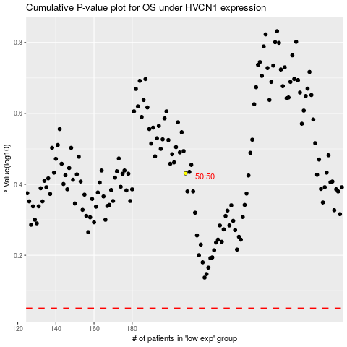

 |  |  |  |  |  | cases_OS | p_OS | rank | exp
 |  |  |  |  |  |  | cases_RFS | p_RFS | rank | exp

