HYAL1 _multivariate
Reported by Tex Li-Hsing Chi. tex@gate.sinica.edu.tw 2019-08-19

Table 2. The clinicopathological features of HNSCC cohort and HYAL1 expression. (Chi square test)
Cutoff at -0.233 (49.8%)
 |  | HYAL1 expression |  | HYAL1 expression |  | (Optimised)
 | Features | Low | (%) | High | (%) | Case no | P-value | Remark | Matthews
Gender | Female | 165 | 39.8 | 141 | 34 | 415 | 0.0081 | 1 | 0
2 | Male | 42 | 10.1 | 67 | 16.1
Age at diagnosis | <=65y | 145 | 34.9 | 129 | 31.1 | 415 | 0.1046 | 0 | 0
4 | >65y | 62 | 14.9 | 79 | 19
Clinical T Status | T1+T2 | 88 | 21.2 | 61 | 14.7 | 415 | 0.007 | 1 | 0
6 | T3+T4 | 119 | 28.7 | 147 | 35.4
Clinical N Status | N0 | 92 | 22.2 | 124 | 29.9 | 415 | 0.0027 | 1 | 0
8 | N1-3 | 115 | 27.7 | 84 | 20.2
Clinical M Status | M0 | 205 | 49.4 | 207 | 49.9 | 415 | 0.6232 | 0 | 0
10 | M1 | 2 | 0.5 | 1 | 0.2
Clinical Stage | Stage I+II | 57 | 13.7 | 45 | 10.8 | 415 | 0.1998 | 0 | 0
12 | Stage III+IV | 150 | 36.1 | 163 | 39.3
Surgical Margin status | Negative | 164 | 39.5 | 154 | 37.1 | 415 | 0.2462 | 0 | 0
14 | Positive | 43 | 10.4 | 54 | 13
Tobacco Exposure | Low | 71 | 17.1 | 90 | 21.7 | 415 | 0.0698 | 0 | 0
16 | High | 136 | 32.8 | 118 | 28.4

Table 3. Univariate/Multivariate Cox's proportional hazards regression analyses on OS time of HYAL1 gene expression in HNSCC

 |  | Univariate |  |  |  | Multivariate
 | Features | HR | CI95%(L) | CI95%(H) | P-value | HR | CI95%(L) | CI95%(H) | P-value
1 | Female | 1 |  |  |  | 1
Gender | Male | 1.157 | 0.843 | 1.587 | 0.367 | 1.318 | 0.934 | 1.859 | 0.116
11 | <=65y | 1 |  |  |  | 1
Age at diagnosis | >65y | 1.329 | 0.99 | 1.784 | 0.058 | 1.418 | 1.044 | 1.926 | 0.025
12 | T1+T2 | 1 |  |  |  | 1
Clinical T Status | T3+T4 | 1.409 | 1.028 | 1.931 | 0.033 | 2.329 | 1.23 | 4.411 | 0.009
13 | N0 | 1 |  |  |  | 1
Clinical N Status | N1-3 | 1.185 | 0.89 | 1.577 | 0.246 | 1.156 | 0.806 | 1.658 | 0.43
14 | M0 | 1 |  |  |  | 1
Clinical M Status | M1 | 4.097 | 1.009 | 16.644 | 0.049 | 9.912 | 2.16 | 45.48 | 0.003
15 | Stage I+II | 1 |  |  |  | 1
Clinical Stage | Stage III+IV | 1.245 | 0.882 | 1.759 | 0.213 | 0.521 | 0.243 | 1.118 | 0.094
16 | Negative | 1 |  |  |  | 1
Surgical Margin status | Positive | 1.591 | 1.155 | 2.191 | 0.004 | 1.748 | 1.262 | 2.422 | 0.001
17 | Low | 1 |  |  |  | 1
Tobacco Exposure | High | 1.364 | 1.008 | 1.844 | 0.044 | 1.464 | 1.063 | 2.017 | 0.02
18 | Low | 1 |  |  |  | 1
RNAseq(z-score) | High | 0.833 | 0.625 | 1.112 | 0.215 | 0.712 | 0.523 | 0.969 | 0.031

Table 4. Univariate/Multivariate Cox's proportional hazards regression analyses on RFS time of HYAL1 gene expression in HNSCC

 |  | Univariate |  |  |  | Multivariate
 | Features | HR | CI95%(L) | CI95%(H) | P-value | HR | CI95%(L) | CI95%(H) | P-value
1 | Female | 1 |  |  |  | 1
Gender | Male | 1.157 | 0.843 | 1.587 | 0.367 | 1.318 | 0.934 | 1.859 | 0.116
11 | <=65y | 1 |  |  |  | 1
Age at diagnosis | >65y | 1.329 | 0.99 | 1.784 | 0.058 | 1.418 | 1.044 | 1.926 | 0.025
12 | T1+T2 | 1 |  |  |  | 1
Clinical T Status | T3+T4 | 1.409 | 1.028 | 1.931 | 0.033 | 2.329 | 1.23 | 4.411 | 0.009
13 | N0 | 1 |  |  |  | 1
Clinical N Status | N1-3 | 1.185 | 0.89 | 1.577 | 0.246 | 1.156 | 0.806 | 1.658 | 0.43
14 | M0 | 1 |  |  |  | 1
Clinical M Status | M1 | 4.097 | 1.009 | 16.644 | 0.049 | 9.912 | 2.16 | 45.48 | 0.003
15 | Stage I+II | 1 |  |  |  | 1
Clinical Stage | Stage III+IV | 1.245 | 0.882 | 1.759 | 0.213 | 0.521 | 0.243 | 1.118 | 0.094
16 | Negative | 1 |  |  |  | 1
Surgical Margin status | Positive | 1.591 | 1.155 | 2.191 | 0.004 | 1.748 | 1.262 | 2.422 | 0.001
17 | Low | 1 |  |  |  | 1
Tobacco Exposure | High | 1.364 | 1.008 | 1.844 | 0.044 | 1.464 | 1.063 | 2.017 | 0.02
18 | Low | 1 |  |  |  | 1
RNAseq(z-score) | High | 0.833 | 0.625 | 1.112 | 0.215 | 0.712 | 0.523 | 0.969 | 0.031

Kaplan-Meier survival estimate: Cutoff at -0.233 (49.8%)



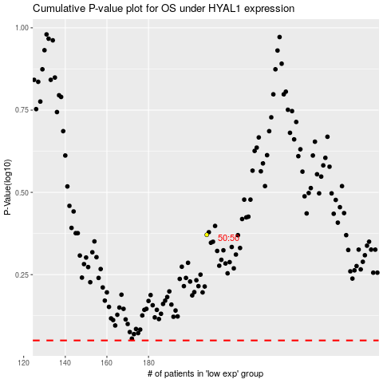

 |  |  |  |  |  | cases_OS | p_OS | rank | exp
 |  |  |  |  |  |  | cases_RFS | p_RFS | rank | exp

