HYAL3 _multivariate
Reported by Tex Li-Hsing Chi. tex@gate.sinica.edu.tw 2019-08-19

Table 2. The clinicopathological features of HNSCC cohort and HYAL3 expression. (Chi square test)
Cutoff at -0.214 (49.8%)
 |  | HYAL3 expression |  | HYAL3 expression |  | (Optimised)
 | Features | Low | (%) | High | (%) | Case no | P-value | Remark | Matthews
Gender | Female | 158 | 38.1 | 148 | 35.7 | 415 | 0.2774 | 0 | 0
2 | Male | 49 | 11.8 | 60 | 14.5
Age at diagnosis | <=65y | 137 | 33 | 137 | 33 | 415 | 1 | 0 | 0
4 | >65y | 70 | 16.9 | 71 | 17.1
Clinical T Status | T1+T2 | 89 | 21.4 | 60 | 14.5 | 415 | 0.0037 | 1 | 0
6 | T3+T4 | 118 | 28.4 | 148 | 35.7
Clinical N Status | N0 | 115 | 27.7 | 101 | 24.3 | 415 | 0.184 | 1 | 0
8 | N1-3 | 92 | 22.2 | 107 | 25.8
Clinical M Status | M0 | 206 | 49.6 | 206 | 49.6 | 415 | 1 | 0 | 0
10 | M1 | 1 | 0.2 | 2 | 0.5
Clinical Stage | Stage I+II | 62 | 14.9 | 40 | 9.6 | 415 | 0.0154 | 1 | 0
12 | Stage III+IV | 145 | 34.9 | 168 | 40.5
Surgical Margin status | Negative | 161 | 38.8 | 157 | 37.8 | 415 | 0.6429 | 0 | 0
14 | Positive | 46 | 11.1 | 51 | 12.3
Tobacco Exposure | Low | 83 | 20 | 78 | 18.8 | 415 | 0.6152 | 0 | 0
16 | High | 124 | 29.9 | 130 | 31.3

Table 3. Univariate/Multivariate Cox's proportional hazards regression analyses on OS time of HYAL3 gene expression in HNSCC

 |  | Univariate |  |  |  | Multivariate
 | Features | HR | CI95%(L) | CI95%(H) | P-value | HR | CI95%(L) | CI95%(H) | P-value
1 | Female | 1 |  |  |  | 1
Gender | Male | 1.157 | 0.843 | 1.587 | 0.367 | 1.185 | 0.846 | 1.661 | 0.323
11 | <=65y | 1 |  |  |  | 1
Age at diagnosis | >65y | 1.329 | 0.99 | 1.784 | 0.058 | 1.394 | 1.026 | 1.894 | 0.034
12 | T1+T2 | 1 |  |  |  | 1
Clinical T Status | T3+T4 | 1.409 | 1.028 | 1.931 | 0.033 | 2.166 | 1.143 | 4.102 | 0.018
13 | N0 | 1 |  |  |  | 1
Clinical N Status | N1-3 | 1.185 | 0.89 | 1.577 | 0.246 | 1.235 | 0.866 | 1.762 | 0.244
14 | M0 | 1 |  |  |  | 1
Clinical M Status | M1 | 4.097 | 1.009 | 16.644 | 0.049 | 9.014 | 1.956 | 41.546 | 0.005
15 | Stage I+II | 1 |  |  |  | 1
Clinical Stage | Stage III+IV | 1.245 | 0.882 | 1.759 | 0.213 | 0.507 | 0.236 | 1.088 | 0.081
16 | Negative | 1 |  |  |  | 1
Surgical Margin status | Positive | 1.591 | 1.155 | 2.191 | 0.004 | 1.667 | 1.206 | 2.303 | 0.002
17 | Low | 1 |  |  |  | 1
Tobacco Exposure | High | 1.364 | 1.008 | 1.844 | 0.044 | 1.442 | 1.046 | 1.989 | 0.025
18 | Low | 1 |  |  |  | 1
RNAseq(z-score) | High | 1.211 | 0.91 | 1.614 | 0.189 | 1.102 | 0.822 | 1.477 | 0.517

Table 4. Univariate/Multivariate Cox's proportional hazards regression analyses on RFS time of HYAL3 gene expression in HNSCC

 |  | Univariate |  |  |  | Multivariate
 | Features | HR | CI95%(L) | CI95%(H) | P-value | HR | CI95%(L) | CI95%(H) | P-value
1 | Female | 1 |  |  |  | 1
Gender | Male | 1.157 | 0.843 | 1.587 | 0.367 | 1.185 | 0.846 | 1.661 | 0.323
11 | <=65y | 1 |  |  |  | 1
Age at diagnosis | >65y | 1.329 | 0.99 | 1.784 | 0.058 | 1.394 | 1.026 | 1.894 | 0.034
12 | T1+T2 | 1 |  |  |  | 1
Clinical T Status | T3+T4 | 1.409 | 1.028 | 1.931 | 0.033 | 2.166 | 1.143 | 4.102 | 0.018
13 | N0 | 1 |  |  |  | 1
Clinical N Status | N1-3 | 1.185 | 0.89 | 1.577 | 0.246 | 1.235 | 0.866 | 1.762 | 0.244
14 | M0 | 1 |  |  |  | 1
Clinical M Status | M1 | 4.097 | 1.009 | 16.644 | 0.049 | 9.014 | 1.956 | 41.546 | 0.005
15 | Stage I+II | 1 |  |  |  | 1
Clinical Stage | Stage III+IV | 1.245 | 0.882 | 1.759 | 0.213 | 0.507 | 0.236 | 1.088 | 0.081
16 | Negative | 1 |  |  |  | 1
Surgical Margin status | Positive | 1.591 | 1.155 | 2.191 | 0.004 | 1.667 | 1.206 | 2.303 | 0.002
17 | Low | 1 |  |  |  | 1
Tobacco Exposure | High | 1.364 | 1.008 | 1.844 | 0.044 | 1.442 | 1.046 | 1.989 | 0.025
18 | Low | 1 |  |  |  | 1
RNAseq(z-score) | High | 1.211 | 0.91 | 1.614 | 0.189 | 1.102 | 0.822 | 1.477 | 0.517

Kaplan-Meier survival estimate: Cutoff at -0.214 (49.8%)



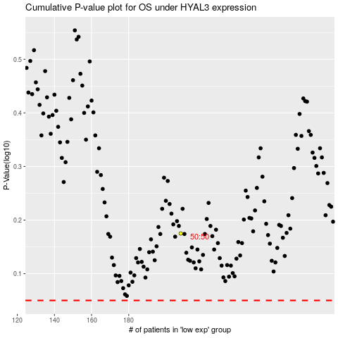

 |  |  |  |  |  | cases_OS | p_OS | rank | exp
 |  |  |  |  |  |  | cases_RFS | p_RFS | rank | exp

