HYI _multivariate
Reported by Tex Li-Hsing Chi. tex@gate.sinica.edu.tw 2019-08-19

Table 2. The clinicopathological features of HNSCC cohort and HYI expression. (Chi square test)
Cutoff at -0.31 (49.8%)
 |  | HYI expression |  | HYI expression |  | (Optimised)
 | Features | Low | (%) | High | (%) | Case no | P-value | Remark | Matthews
Gender | Female | 143 | 34.5 | 163 | 39.3 | 415 | 0.0416 | 1 | 0
2 | Male | 64 | 15.4 | 45 | 10.8
Age at diagnosis | <=65y | 128 | 30.8 | 146 | 35.2 | 415 | 0.0904 | 0 | 0
4 | >65y | 79 | 19 | 62 | 14.9
Clinical T Status | T1+T2 | 67 | 16.1 | 82 | 19.8 | 415 | 0.1628 | 0 | 0
6 | T3+T4 | 140 | 33.7 | 126 | 30.4
Clinical N Status | N0 | 119 | 28.7 | 97 | 23.4 | 415 | 0.0345 | 1 | 0
8 | N1-3 | 88 | 21.2 | 111 | 26.7
Clinical M Status | M0 | 206 | 49.6 | 206 | 49.6 | 415 | 1 | 0 | 0
10 | M1 | 1 | 0.2 | 2 | 0.5
Clinical Stage | Stage I+II | 48 | 11.6 | 54 | 13 | 415 | 0.5878 | 0 | 0
12 | Stage III+IV | 159 | 38.3 | 154 | 37.1
Surgical Margin status | Negative | 166 | 40 | 152 | 36.6 | 415 | 0.1042 | 0 | 0
14 | Positive | 41 | 9.9 | 56 | 13.5
Tobacco Exposure | Low | 79 | 19 | 82 | 19.8 | 415 | 0.8405 | 0 | 0
16 | High | 128 | 30.8 | 126 | 30.4

Table 3. Univariate/Multivariate Cox's proportional hazards regression analyses on OS time of HYI gene expression in HNSCC

 |  | Univariate |  |  |  | Multivariate
 | Features | HR | CI95%(L) | CI95%(H) | P-value | HR | CI95%(L) | CI95%(H) | P-value
1 | Female | 1 |  |  |  | 1
Gender | Male | 1.157 | 0.843 | 1.587 | 0.367 | 1.223 | 0.875 | 1.71 | 0.239
11 | <=65y | 1 |  |  |  | 1
Age at diagnosis | >65y | 1.329 | 0.99 | 1.784 | 0.058 | 1.401 | 1.03 | 1.905 | 0.031
12 | T1+T2 | 1 |  |  |  | 1
Clinical T Status | T3+T4 | 1.409 | 1.028 | 1.931 | 0.033 | 2.235 | 1.182 | 4.226 | 0.013
13 | N0 | 1 |  |  |  | 1
Clinical N Status | N1-3 | 1.185 | 0.89 | 1.577 | 0.246 | 1.202 | 0.84 | 1.721 | 0.315
14 | M0 | 1 |  |  |  | 1
Clinical M Status | M1 | 4.097 | 1.009 | 16.644 | 0.049 | 9.146 | 1.993 | 41.97 | 0.004
15 | Stage I+II | 1 |  |  |  | 1
Clinical Stage | Stage III+IV | 1.245 | 0.882 | 1.759 | 0.213 | 0.513 | 0.239 | 1.101 | 0.086
16 | Negative | 1 |  |  |  | 1
Surgical Margin status | Positive | 1.591 | 1.155 | 2.191 | 0.004 | 1.629 | 1.176 | 2.256 | 0.003
17 | Low | 1 |  |  |  | 1
Tobacco Exposure | High | 1.364 | 1.008 | 1.844 | 0.044 | 1.469 | 1.066 | 2.025 | 0.019
18 | Low | 1 |  |  |  | 1
RNAseq(z-score) | High | 1.202 | 0.902 | 1.601 | 0.21 | 1.205 | 0.897 | 1.62 | 0.216

Table 4. Univariate/Multivariate Cox's proportional hazards regression analyses on RFS time of HYI gene expression in HNSCC

 |  | Univariate |  |  |  | Multivariate
 | Features | HR | CI95%(L) | CI95%(H) | P-value | HR | CI95%(L) | CI95%(H) | P-value
1 | Female | 1 |  |  |  | 1
Gender | Male | 1.157 | 0.843 | 1.587 | 0.367 | 1.223 | 0.875 | 1.71 | 0.239
11 | <=65y | 1 |  |  |  | 1
Age at diagnosis | >65y | 1.329 | 0.99 | 1.784 | 0.058 | 1.401 | 1.03 | 1.905 | 0.031
12 | T1+T2 | 1 |  |  |  | 1
Clinical T Status | T3+T4 | 1.409 | 1.028 | 1.931 | 0.033 | 2.235 | 1.182 | 4.226 | 0.013
13 | N0 | 1 |  |  |  | 1
Clinical N Status | N1-3 | 1.185 | 0.89 | 1.577 | 0.246 | 1.202 | 0.84 | 1.721 | 0.315
14 | M0 | 1 |  |  |  | 1
Clinical M Status | M1 | 4.097 | 1.009 | 16.644 | 0.049 | 9.146 | 1.993 | 41.97 | 0.004
15 | Stage I+II | 1 |  |  |  | 1
Clinical Stage | Stage III+IV | 1.245 | 0.882 | 1.759 | 0.213 | 0.513 | 0.239 | 1.101 | 0.086
16 | Negative | 1 |  |  |  | 1
Surgical Margin status | Positive | 1.591 | 1.155 | 2.191 | 0.004 | 1.629 | 1.176 | 2.256 | 0.003
17 | Low | 1 |  |  |  | 1
Tobacco Exposure | High | 1.364 | 1.008 | 1.844 | 0.044 | 1.469 | 1.066 | 2.025 | 0.019
18 | Low | 1 |  |  |  | 1
RNAseq(z-score) | High | 1.202 | 0.902 | 1.601 | 0.21 | 1.205 | 0.897 | 1.62 | 0.216

Kaplan-Meier survival estimate: Cutoff at -0.31 (49.8%)



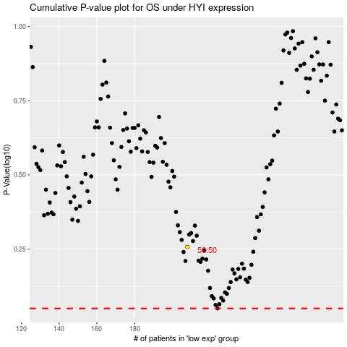

 |  |  |  |  |  | cases_OS | p_OS | rank | exp
 |  |  |  |  |  |  | cases_RFS | p_RFS | rank | exp

