HYLS1 _multivariate
Reported by Tex Li-Hsing Chi. tex@gate.sinica.edu.tw 2019-08-19

Table 2. The clinicopathological features of HNSCC cohort and HYLS1 expression. (Chi square test)
Cutoff at -0.214 (49.8%)
 |  | HYLS1 expression |  | HYLS1 expression |  | (Optimised)
 | Features | Low | (%) | High | (%) | Case no | P-value | Remark | Matthews
Gender | Female | 160 | 38.6 | 146 | 35.2 | 415 | 0.1254 | 0 | 0
2 | Male | 47 | 11.3 | 62 | 14.9
Age at diagnosis | <=65y | 129 | 31.1 | 145 | 34.9 | 415 | 0.1372 | 0 | 0
4 | >65y | 78 | 18.8 | 63 | 15.2
Clinical T Status | T1+T2 | 69 | 16.6 | 80 | 19.3 | 415 | 0.3239 | 0 | 0
6 | T3+T4 | 138 | 33.3 | 128 | 30.8
Clinical N Status | N0 | 105 | 25.3 | 111 | 26.7 | 415 | 0.6598 | 0 | 0
8 | N1-3 | 102 | 24.6 | 97 | 23.4
Clinical M Status | M0 | 206 | 49.6 | 206 | 49.6 | 415 | 1 | 0 | 0
10 | M1 | 1 | 0.2 | 2 | 0.5
Clinical Stage | Stage I+II | 49 | 11.8 | 53 | 12.8 | 415 | 0.7535 | 0 | 0
12 | Stage III+IV | 158 | 38.1 | 155 | 37.3
Surgical Margin status | Negative | 158 | 38.1 | 160 | 38.6 | 415 | 0.9081 | 0 | 0
14 | Positive | 49 | 11.8 | 48 | 11.6
Tobacco Exposure | Low | 85 | 20.5 | 76 | 18.3 | 415 | 0.3655 | 0 | 0
16 | High | 122 | 29.4 | 132 | 31.8

Table 3. Univariate/Multivariate Cox's proportional hazards regression analyses on OS time of HYLS1 gene expression in HNSCC

 |  | Univariate |  |  |  | Multivariate
 | Features | HR | CI95%(L) | CI95%(H) | P-value | HR | CI95%(L) | CI95%(H) | P-value
1 | Female | 1 |  |  |  | 1
Gender | Male | 1.157 | 0.843 | 1.587 | 0.367 | 1.209 | 0.865 | 1.69 | 0.267
11 | <=65y | 1 |  |  |  | 1
Age at diagnosis | >65y | 1.329 | 0.99 | 1.784 | 0.058 | 1.382 | 1.015 | 1.88 | 0.04
12 | T1+T2 | 1 |  |  |  | 1
Clinical T Status | T3+T4 | 1.409 | 1.028 | 1.931 | 0.033 | 2.175 | 1.148 | 4.121 | 0.017
13 | N0 | 1 |  |  |  | 1
Clinical N Status | N1-3 | 1.185 | 0.89 | 1.577 | 0.246 | 1.233 | 0.863 | 1.761 | 0.25
14 | M0 | 1 |  |  |  | 1
Clinical M Status | M1 | 4.097 | 1.009 | 16.644 | 0.049 | 9.548 | 2.081 | 43.814 | 0.004
15 | Stage I+II | 1 |  |  |  | 1
Clinical Stage | Stage III+IV | 1.245 | 0.882 | 1.759 | 0.213 | 0.511 | 0.238 | 1.098 | 0.085
16 | Negative | 1 |  |  |  | 1
Surgical Margin status | Positive | 1.591 | 1.155 | 2.191 | 0.004 | 1.677 | 1.213 | 2.318 | 0.002
17 | Low | 1 |  |  |  | 1
Tobacco Exposure | High | 1.364 | 1.008 | 1.844 | 0.044 | 1.45 | 1.052 | 1.997 | 0.023
18 | Low | 1 |  |  |  | 1
RNAseq(z-score) | High | 0.907 | 0.679 | 1.212 | 0.51 | 0.929 | 0.693 | 1.246 | 0.625

Table 4. Univariate/Multivariate Cox's proportional hazards regression analyses on RFS time of HYLS1 gene expression in HNSCC

 |  | Univariate |  |  |  | Multivariate
 | Features | HR | CI95%(L) | CI95%(H) | P-value | HR | CI95%(L) | CI95%(H) | P-value
1 | Female | 1 |  |  |  | 1
Gender | Male | 1.157 | 0.843 | 1.587 | 0.367 | 1.209 | 0.865 | 1.69 | 0.267
11 | <=65y | 1 |  |  |  | 1
Age at diagnosis | >65y | 1.329 | 0.99 | 1.784 | 0.058 | 1.382 | 1.015 | 1.88 | 0.04
12 | T1+T2 | 1 |  |  |  | 1
Clinical T Status | T3+T4 | 1.409 | 1.028 | 1.931 | 0.033 | 2.175 | 1.148 | 4.121 | 0.017
13 | N0 | 1 |  |  |  | 1
Clinical N Status | N1-3 | 1.185 | 0.89 | 1.577 | 0.246 | 1.233 | 0.863 | 1.761 | 0.25
14 | M0 | 1 |  |  |  | 1
Clinical M Status | M1 | 4.097 | 1.009 | 16.644 | 0.049 | 9.548 | 2.081 | 43.814 | 0.004
15 | Stage I+II | 1 |  |  |  | 1
Clinical Stage | Stage III+IV | 1.245 | 0.882 | 1.759 | 0.213 | 0.511 | 0.238 | 1.098 | 0.085
16 | Negative | 1 |  |  |  | 1
Surgical Margin status | Positive | 1.591 | 1.155 | 2.191 | 0.004 | 1.677 | 1.213 | 2.318 | 0.002
17 | Low | 1 |  |  |  | 1
Tobacco Exposure | High | 1.364 | 1.008 | 1.844 | 0.044 | 1.45 | 1.052 | 1.997 | 0.023
18 | Low | 1 |  |  |  | 1
RNAseq(z-score) | High | 0.907 | 0.679 | 1.212 | 0.51 | 0.929 | 0.693 | 1.246 | 0.625

Kaplan-Meier survival estimate: Cutoff at -0.214 (49.8%)



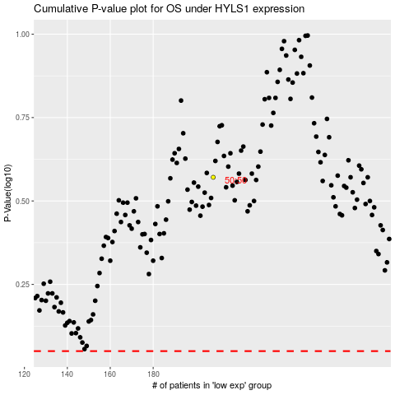

 |  |  |  |  |  | cases_OS | p_OS | rank | exp
 |  |  |  |  |  |  | cases_RFS | p_RFS | rank | exp

