ICA1L _multivariate
Reported by Tex Li-Hsing Chi. tex@gate.sinica.edu.tw 2019-08-19

Table 2. The clinicopathological features of HNSCC cohort and ICA1L expression. (Chi square test)
Cutoff at -0.294 (49.8%)
 |  | ICA1L expression |  | ICA1L expression |  | (Optimised)
 | Features | Low | (%) | High | (%) | Case no | P-value | Remark | Matthews
Gender | Female | 156 | 37.6 | 150 | 36.1 | 415 | 0.5222 | 0 | 0
2 | Male | 51 | 12.3 | 58 | 14
Age at diagnosis | <=65y | 138 | 33.3 | 136 | 32.8 | 415 | 0.8634 | 0 | 0
4 | >65y | 69 | 16.6 | 72 | 17.3
Clinical T Status | T1+T2 | 67 | 16.1 | 82 | 19.8 | 415 | 0.1628 | 0 | 0
6 | T3+T4 | 140 | 33.7 | 126 | 30.4
Clinical N Status | N0 | 104 | 25.1 | 112 | 27 | 415 | 0.5243 | 0 | 0
8 | N1-3 | 103 | 24.8 | 96 | 23.1
Clinical M Status | M0 | 205 | 49.4 | 207 | 49.9 | 415 | 0.6232 | 0 | 0
10 | M1 | 2 | 0.5 | 1 | 0.2
Clinical Stage | Stage I+II | 48 | 11.6 | 54 | 13 | 415 | 0.5878 | 0 | 0
12 | Stage III+IV | 159 | 38.3 | 154 | 37.1
Surgical Margin status | Negative | 162 | 39 | 156 | 37.6 | 415 | 0.4867 | 0 | 0
14 | Positive | 45 | 10.8 | 52 | 12.5
Tobacco Exposure | Low | 92 | 22.2 | 69 | 16.6 | 415 | 0.0206 | 1 | 0
16 | High | 115 | 27.7 | 139 | 33.5

Table 3. Univariate/Multivariate Cox's proportional hazards regression analyses on OS time of ICA1L gene expression in HNSCC

 |  | Univariate |  |  |  | Multivariate
 | Features | HR | CI95%(L) | CI95%(H) | P-value | HR | CI95%(L) | CI95%(H) | P-value
1 | Female | 1 |  |  |  | 1
Gender | Male | 1.157 | 0.843 | 1.587 | 0.367 | 1.199 | 0.858 | 1.677 | 0.288
11 | <=65y | 1 |  |  |  | 1
Age at diagnosis | >65y | 1.329 | 0.99 | 1.784 | 0.058 | 1.402 | 1.031 | 1.907 | 0.031
12 | T1+T2 | 1 |  |  |  | 1
Clinical T Status | T3+T4 | 1.409 | 1.028 | 1.931 | 0.033 | 2.173 | 1.149 | 4.112 | 0.017
13 | N0 | 1 |  |  |  | 1
Clinical N Status | N1-3 | 1.185 | 0.89 | 1.577 | 0.246 | 1.244 | 0.872 | 1.774 | 0.229
14 | M0 | 1 |  |  |  | 1
Clinical M Status | M1 | 4.097 | 1.009 | 16.644 | 0.049 | 8.993 | 1.954 | 41.398 | 0.005
15 | Stage I+II | 1 |  |  |  | 1
Clinical Stage | Stage III+IV | 1.245 | 0.882 | 1.759 | 0.213 | 0.507 | 0.236 | 1.089 | 0.082
16 | Negative | 1 |  |  |  | 1
Surgical Margin status | Positive | 1.591 | 1.155 | 2.191 | 0.004 | 1.658 | 1.199 | 2.292 | 0.002
17 | Low | 1 |  |  |  | 1
Tobacco Exposure | High | 1.364 | 1.008 | 1.844 | 0.044 | 1.483 | 1.071 | 2.053 | 0.017
18 | Low | 1 |  |  |  | 1
RNAseq(z-score) | High | 0.883 | 0.663 | 1.176 | 0.395 | 0.892 | 0.666 | 1.195 | 0.443

Table 4. Univariate/Multivariate Cox's proportional hazards regression analyses on RFS time of ICA1L gene expression in HNSCC

 |  | Univariate |  |  |  | Multivariate
 | Features | HR | CI95%(L) | CI95%(H) | P-value | HR | CI95%(L) | CI95%(H) | P-value
1 | Female | 1 |  |  |  | 1
Gender | Male | 1.157 | 0.843 | 1.587 | 0.367 | 1.199 | 0.858 | 1.677 | 0.288
11 | <=65y | 1 |  |  |  | 1
Age at diagnosis | >65y | 1.329 | 0.99 | 1.784 | 0.058 | 1.402 | 1.031 | 1.907 | 0.031
12 | T1+T2 | 1 |  |  |  | 1
Clinical T Status | T3+T4 | 1.409 | 1.028 | 1.931 | 0.033 | 2.173 | 1.149 | 4.112 | 0.017
13 | N0 | 1 |  |  |  | 1
Clinical N Status | N1-3 | 1.185 | 0.89 | 1.577 | 0.246 | 1.244 | 0.872 | 1.774 | 0.229
14 | M0 | 1 |  |  |  | 1
Clinical M Status | M1 | 4.097 | 1.009 | 16.644 | 0.049 | 8.993 | 1.954 | 41.398 | 0.005
15 | Stage I+II | 1 |  |  |  | 1
Clinical Stage | Stage III+IV | 1.245 | 0.882 | 1.759 | 0.213 | 0.507 | 0.236 | 1.089 | 0.082
16 | Negative | 1 |  |  |  | 1
Surgical Margin status | Positive | 1.591 | 1.155 | 2.191 | 0.004 | 1.658 | 1.199 | 2.292 | 0.002
17 | Low | 1 |  |  |  | 1
Tobacco Exposure | High | 1.364 | 1.008 | 1.844 | 0.044 | 1.483 | 1.071 | 2.053 | 0.017
18 | Low | 1 |  |  |  | 1
RNAseq(z-score) | High | 0.883 | 0.663 | 1.176 | 0.395 | 0.892 | 0.666 | 1.195 | 0.443

Kaplan-Meier survival estimate: Cutoff at -0.294 (49.8%)



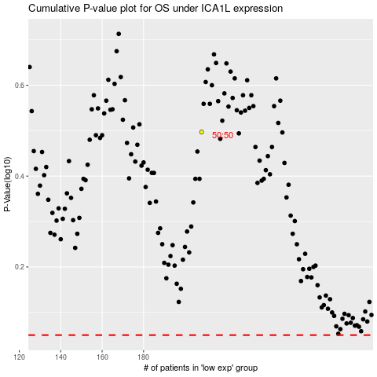

 |  |  |  |  |  | cases_OS | p_OS | rank | exp
 |  |  |  |  |  |  | cases_RFS | p_RFS | rank | exp

