ICK _multivariate
Reported by Tex Li-Hsing Chi. tex@gate.sinica.edu.tw 2019-08-19

Table 2. The clinicopathological features of HNSCC cohort and ICK expression. (Chi square test)
Cutoff at -0.501 (36.2%)
 |  | ICK expression |  | ICK expression |  | (Optimised)
 | Features | Low | (%) | High | (%) | Case no | P-value | Remark | Matthews
Gender | Female | 106 | 25.5 | 200 | 48.2 | 415 | 0.2618 | 0 | 0
2 | Male | 45 | 10.8 | 64 | 15.4
Age at diagnosis | <=65y | 98 | 23.6 | 176 | 42.4 | 415 | 0.7966 | 0 | 0
4 | >65y | 53 | 12.8 | 88 | 21.2
Clinical T Status | T1+T2 | 51 | 12.3 | 98 | 23.6 | 415 | 0.5637 | 0 | 0
6 | T3+T4 | 100 | 24.1 | 166 | 40
Clinical N Status | N0 | 75 | 18.1 | 141 | 34 | 415 | 0.5276 | 0 | 0
8 | N1-3 | 76 | 18.3 | 123 | 29.6
Clinical M Status | M0 | 148 | 35.7 | 264 | 63.6 | 415 | 0.0476 | 1 | 0
10 | M1 | 3 | 0.7 | 0 | 0
Clinical Stage | Stage I+II | 34 | 8.2 | 68 | 16.4 | 415 | 0.5357 | 0 | 0
12 | Stage III+IV | 117 | 28.2 | 196 | 47.2
Surgical Margin status | Negative | 116 | 28 | 202 | 48.7 | 415 | 1 | 0 | 0
14 | Positive | 35 | 8.4 | 62 | 14.9
Tobacco Exposure | Low | 64 | 15.4 | 97 | 23.4 | 415 | 0.2951 | 0 | 0
16 | High | 87 | 21 | 167 | 40.2

Table 3. Univariate/Multivariate Cox's proportional hazards regression analyses on OS time of ICK gene expression in HNSCC

 |  | Univariate |  |  |  | Multivariate
 | Features | HR | CI95%(L) | CI95%(H) | P-value | HR | CI95%(L) | CI95%(H) | P-value
1 | Female | 1 |  |  |  | 1
Gender | Male | 1.157 | 0.843 | 1.587 | 0.367 | 1.137 | 0.809 | 1.598 | 0.459
11 | <=65y | 1 |  |  |  | 1
Age at diagnosis | >65y | 1.329 | 0.99 | 1.784 | 0.058 | 1.392 | 1.023 | 1.893 | 0.035
12 | T1+T2 | 1 |  |  |  | 1
Clinical T Status | T3+T4 | 1.409 | 1.028 | 1.931 | 0.033 | 2.139 | 1.132 | 4.041 | 0.019
13 | N0 | 1 |  |  |  | 1
Clinical N Status | N1-3 | 1.185 | 0.89 | 1.577 | 0.246 | 1.215 | 0.851 | 1.734 | 0.283
14 | M0 | 1 |  |  |  | 1
Clinical M Status | M1 | 4.097 | 1.009 | 16.644 | 0.049 | 7.381 | 1.59 | 34.271 | 0.011
15 | Stage I+II | 1 |  |  |  | 1
Clinical Stage | Stage III+IV | 1.245 | 0.882 | 1.759 | 0.213 | 0.525 | 0.245 | 1.128 | 0.099
16 | Negative | 1 |  |  |  | 1
Surgical Margin status | Positive | 1.591 | 1.155 | 2.191 | 0.004 | 1.646 | 1.192 | 2.274 | 0.002
17 | Low | 1 |  |  |  | 1
Tobacco Exposure | High | 1.364 | 1.008 | 1.844 | 0.044 | 1.476 | 1.068 | 2.038 | 0.018
18 | Low | 1 |  |  |  | 1
RNAseq(z-score) | High | 0.675 | 0.504 | 0.905 | 0.008 | 0.711 | 0.526 | 0.96 | 0.026

Table 4. Univariate/Multivariate Cox's proportional hazards regression analyses on RFS time of ICK gene expression in HNSCC

 |  | Univariate |  |  |  | Multivariate
 | Features | HR | CI95%(L) | CI95%(H) | P-value | HR | CI95%(L) | CI95%(H) | P-value
1 | Female | 1 |  |  |  | 1
Gender | Male | 1.157 | 0.843 | 1.587 | 0.367 | 1.137 | 0.809 | 1.598 | 0.459
11 | <=65y | 1 |  |  |  | 1
Age at diagnosis | >65y | 1.329 | 0.99 | 1.784 | 0.058 | 1.392 | 1.023 | 1.893 | 0.035
12 | T1+T2 | 1 |  |  |  | 1
Clinical T Status | T3+T4 | 1.409 | 1.028 | 1.931 | 0.033 | 2.139 | 1.132 | 4.041 | 0.019
13 | N0 | 1 |  |  |  | 1
Clinical N Status | N1-3 | 1.185 | 0.89 | 1.577 | 0.246 | 1.215 | 0.851 | 1.734 | 0.283
14 | M0 | 1 |  |  |  | 1
Clinical M Status | M1 | 4.097 | 1.009 | 16.644 | 0.049 | 7.381 | 1.59 | 34.271 | 0.011
15 | Stage I+II | 1 |  |  |  | 1
Clinical Stage | Stage III+IV | 1.245 | 0.882 | 1.759 | 0.213 | 0.525 | 0.245 | 1.128 | 0.099
16 | Negative | 1 |  |  |  | 1
Surgical Margin status | Positive | 1.591 | 1.155 | 2.191 | 0.004 | 1.646 | 1.192 | 2.274 | 0.002
17 | Low | 1 |  |  |  | 1
Tobacco Exposure | High | 1.364 | 1.008 | 1.844 | 0.044 | 1.476 | 1.068 | 2.038 | 0.018
18 | Low | 1 |  |  |  | 1
RNAseq(z-score) | High | 0.675 | 0.504 | 0.905 | 0.008 | 0.711 | 0.526 | 0.96 | 0.026

Kaplan-Meier survival estimate: Cutoff at -0.501 (36.2%)

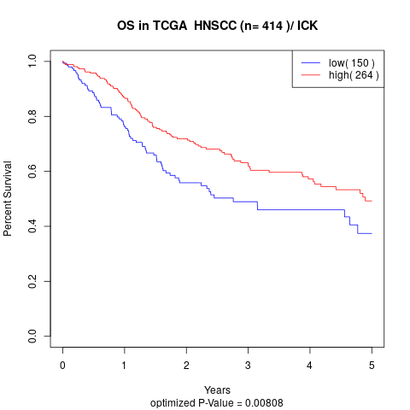

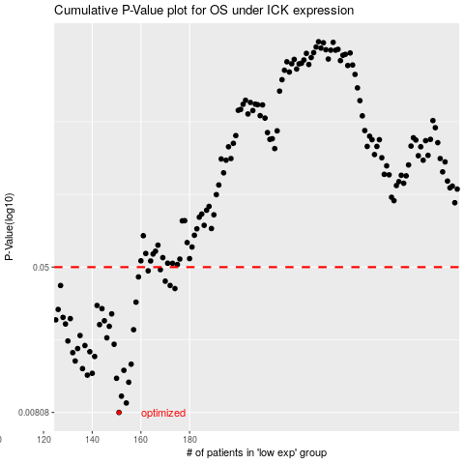

 |  |  |  |  |  | cases_OS | p_OS | rank | exp
 |  |  |  |  |  | 151 | 0.00808 | 305 | -0.50139197347
 |  |  |  |  |  | 154 | 0.0091 | 324 | -0.49277693149
 |  |  |  |  |  | 152 | 0.00991 | 49 | -0.49739275418
 |  |  |  |  |  | 155 | 0.0118 | 170 | -0.49202515678
 |  |  |  |  |  | 150 | 0.0124 | 201 | -0.50479773513
 |  |  |  |  |  | 138 | 0.0129 | 130 | -0.53770584005
 |  |  |  |  |  | 140 | 0.0132 | 235 | -0.53533737937
 |  |  |  |  |  | 153 | 0.0137 | 276 | -0.49333946636
 |  |  |  |  |  | 136 | 0.014 | 59 | -0.54326508446
 |  |  |  |  |  | 156 | 0.0148 | 403 | -0.49026033786
 |  |  |  |  |  | 133 | 0.0154 | 312 | -0.54478363235
 |  |  |  |  |  | 141 | 0.0163 | 205 | -0.53249118992
 |  |  |  |  |  | 132 | 0.0171 | 211 | -0.54509563738
 |  |  |  |  |  | 139 | 0.0173 | 260 | -0.53547921667
 |  |  |  |  |  | 134 | 0.018 | 367 | -0.54375133087
 |  |  |  |  |  | 137 | 0.0187 | 229 | -0.53873332722
 |  |  |  |  |  | 149 | 0.019 | 225 | -0.51013940926
 |  |  |  |  |  | 130 | 0.0198 | 192 | -0.55598914927
 |  |  |  |  |  | 146 | 0.0206 | 386 | -0.52522749077
 |  |  |  |  |  | 135 | 0.0212 | 124 | -0.54330933918
 |  |  |  |  |  | 157 | 0.0228 | 111 | -0.48775652069
 |  |  |  |  |  | 147 | 0.0238 | 383 | -0.52489919113
 |  |  |  |  |  | 143 | 0.0243 | 18 | -0.52922134024
 |  |  |  |  |  | 129 | 0.0245 | 76 | -0.55630744995
 |  |  |  |  |  | 145 | 0.0255 | 56 | -0.52708618895
 |  |  |  |  |  | 125 | 0.0258 | 352 | -0.56300639223
 |  |  |  |  |  | 131 | 0.0262 | 274 | -0.55401416673
 |  |  |  |  |  | 128 | 0.0266 | 254 | -0.55777822496
 |  |  |  |  |  | 148 | 0.0278 | 239 | -0.51377866548
 |  |  |  |  |  | 126 | 0.0294 | 301 | -0.56189724677
 |  |  |  |  |  | 144 | 0.0297 | 322 | -0.52755706656
 |  |  |  |  |  | 142 | 0.0309 | 414 | -0.53111688649
 |  |  |  |  |  | 158 | 0.0322 | 321 | -0.48547027379
 |  |  |  |  |  | 174 | 0.0382 | 255 | -0.46091075669
 |  |  |  |  |  | 127 | 0.0397 | 108 | -0.55924622248
 |  |  |  |  |  | 172 | 0.0397 | 122 | -0.46272075616
 |  |  |  |  |  | 170 | 0.0419 | 128 | -0.46506607107
 |  |  |  |  |  | 159 | 0.0442 | 31 | -0.48079056876
 |  |  |  |  |  | 163 | 0.0477 | 360 | -0.47678672032
 |  |  |  |  |  | 168 | 0.0484 | 91 | -0.46661035707
 |  |  |  |  |  |  | cases_RFS | p_RFS | rank | exp
 |  |  |  |  |  |  | 150 | 0.00808 | 201 | -0.50479773513
 |  |  |  |  |  |  | 153 | 0.0091 | 276 | -0.49333946636
 |  |  |  |  |  |  | 151 | 0.00991 | 305 | -0.50139197347
 |  |  |  |  |  |  | 154 | 0.0118 | 324 | -0.49277693149
 |  |  |  |  |  |  | 149 | 0.0124 | 225 | -0.51013940926
 |  |  |  |  |  |  | 137 | 0.0129 | 229 | -0.53873332722
 |  |  |  |  |  |  | 139 | 0.0132 | 260 | -0.53547921667
 |  |  |  |  |  |  | 152 | 0.0137 | 49 | -0.49739275418
 |  |  |  |  |  |  | 135 | 0.014 | 124 | -0.54330933918
 |  |  |  |  |  |  | 155 | 0.0148 | 170 | -0.49202515678
 |  |  |  |  |  |  | 132 | 0.0154 | 211 | -0.54509563738
 |  |  |  |  |  |  | 140 | 0.0163 | 235 | -0.53533737937
 |  |  |  |  |  |  | 131 | 0.0171 | 274 | -0.55401416673
 |  |  |  |  |  |  | 138 | 0.0173 | 130 | -0.53770584005
 |  |  |  |  |  |  | 133 | 0.018 | 312 | -0.54478363235
 |  |  |  |  |  |  | 136 | 0.0187 | 59 | -0.54326508446
 |  |  |  |  |  |  | 148 | 0.019 | 239 | -0.51377866548
 |  |  |  |  |  |  | 129 | 0.0198 | 76 | -0.55630744995
 |  |  |  |  |  |  | 145 | 0.0206 | 56 | -0.52708618895
 |  |  |  |  |  |  | 134 | 0.0212 | 367 | -0.54375133087
 |  |  |  |  |  |  | 156 | 0.0228 | 403 | -0.49026033786
 |  |  |  |  |  |  | 146 | 0.0238 | 386 | -0.52522749077
 |  |  |  |  |  |  | 142 | 0.0243 | 414 | -0.53111688649
 |  |  |  |  |  |  | 128 | 0.0245 | 254 | -0.55777822496
 |  |  |  |  |  |  | 144 | 0.0255 | 322 | -0.52755706656
 |  |  |  |  |  |  |  | 0.0258 | 356 | -0.5693088937
 |  |  |  |  |  |  | 130 | 0.0262 | 192 | -0.55598914927
 |  |  |  |  |  |  | 127 | 0.0266 | 108 | -0.55924622248
 |  |  |  |  |  |  | 147 | 0.0278 | 383 | -0.52489919113
 |  |  |  |  |  |  | 125 | 0.0294 | 352 | -0.56300639223
 |  |  |  |  |  |  | 143 | 0.0297 | 18 | -0.52922134024
 |  |  |  |  |  |  | 141 | 0.0309 | 205 | -0.53249118992
 |  |  |  |  |  |  | 157 | 0.0322 | 111 | -0.48775652069
 |  |  |  |  |  |  | 173 | 0.0382 | 223 | -0.46108907173
 |  |  |  |  |  |  | 171 | 0.0397 | 227 | -0.46417968054
 |  |  |  |  |  |  | 126 | 0.0397 | 301 | -0.56189724677
 |  |  |  |  |  |  | 169 | 0.0419 | 308 | -0.4652373498
 |  |  |  |  |  |  | 158 | 0.0442 | 321 | -0.48547027379
 |  |  |  |  |  |  | 162 | 0.0477 | 206 | -0.47751090528
 |  |  |  |  |  |  | 167 | 0.0484 | 70 | -0.46770654089

