ICT1 _multivariate
Reported by Tex Li-Hsing Chi. tex@gate.sinica.edu.tw 2019-08-19

Table 2. The clinicopathological features of HNSCC cohort and ICT1 expression. (Chi square test)
Cutoff at -0.338 (44.2%)
 |  | ICT1 expression |  | ICT1 expression |  | (Optimised)
 | Features | Low | (%) | High | (%) | Case no | P-value | Remark | Matthews
Gender | Female | 131 | 31.6 | 175 | 42.2 | 415 | 0.3488 | 0 | 0
2 | Male | 53 | 12.8 | 56 | 13.5
Age at diagnosis | <=65y | 128 | 30.8 | 146 | 35.2 | 415 | 0.2095 | 0 | 0
4 | >65y | 56 | 13.5 | 85 | 20.5
Clinical T Status | T1+T2 | 72 | 17.3 | 77 | 18.6 | 415 | 0.2627 | 0 | 0
6 | T3+T4 | 112 | 27 | 154 | 37.1
Clinical N Status | N0 | 101 | 24.3 | 115 | 27.7 | 415 | 0.3494 | 0 | 0
8 | N1-3 | 83 | 20 | 116 | 28
Clinical M Status | M0 | 184 | 44.3 | 228 | 54.9 | 415 | 0.2578 | 0 | 0
10 | M1 | 0 | 0 | 3 | 0.7
Clinical Stage | Stage I+II | 52 | 12.5 | 50 | 12 | 415 | 0.1498 | 0 | 0
12 | Stage III+IV | 132 | 31.8 | 181 | 43.6
Surgical Margin status | Negative | 147 | 35.4 | 171 | 41.2 | 415 | 0.1989 | 0 | 0
14 | Positive | 37 | 8.9 | 60 | 14.5
Tobacco Exposure | Low | 77 | 18.6 | 84 | 20.2 | 415 | 0.2661 | 0 | 0
16 | High | 107 | 25.8 | 147 | 35.4

Table 3. Univariate/Multivariate Cox's proportional hazards regression analyses on OS time of ICT1 gene expression in HNSCC

 |  | Univariate |  |  |  | Multivariate
 | Features | HR | CI95%(L) | CI95%(H) | P-value | HR | CI95%(L) | CI95%(H) | P-value
1 | Female | 1 |  |  |  | 1
Gender | Male | 1.157 | 0.843 | 1.587 | 0.367 | 1.214 | 0.867 | 1.7 | 0.258
11 | <=65y | 1 |  |  |  | 1
Age at diagnosis | >65y | 1.329 | 0.99 | 1.784 | 0.058 | 1.372 | 1.009 | 1.865 | 0.044
12 | T1+T2 | 1 |  |  |  | 1
Clinical T Status | T3+T4 | 1.409 | 1.028 | 1.931 | 0.033 | 2.157 | 1.141 | 4.079 | 0.018
13 | N0 | 1 |  |  |  | 1
Clinical N Status | N1-3 | 1.185 | 0.89 | 1.577 | 0.246 | 1.218 | 0.853 | 1.739 | 0.278
14 | M0 | 1 |  |  |  | 1
Clinical M Status | M1 | 4.097 | 1.009 | 16.644 | 0.049 | 8.475 | 1.838 | 39.075 | 0.006
15 | Stage I+II | 1 |  |  |  | 1
Clinical Stage | Stage III+IV | 1.245 | 0.882 | 1.759 | 0.213 | 0.515 | 0.24 | 1.105 | 0.088
16 | Negative | 1 |  |  |  | 1
Surgical Margin status | Positive | 1.591 | 1.155 | 2.191 | 0.004 | 1.611 | 1.162 | 2.234 | 0.004
17 | Low | 1 |  |  |  | 1
Tobacco Exposure | High | 1.364 | 1.008 | 1.844 | 0.044 | 1.437 | 1.042 | 1.983 | 0.027
18 | Low | 1 |  |  |  | 1
RNAseq(z-score) | High | 1.403 | 1.048 | 1.878 | 0.023 | 1.242 | 0.921 | 1.676 | 0.155

Table 4. Univariate/Multivariate Cox's proportional hazards regression analyses on RFS time of ICT1 gene expression in HNSCC

 |  | Univariate |  |  |  | Multivariate
 | Features | HR | CI95%(L) | CI95%(H) | P-value | HR | CI95%(L) | CI95%(H) | P-value
1 | Female | 1 |  |  |  | 1
Gender | Male | 1.157 | 0.843 | 1.587 | 0.367 | 1.214 | 0.867 | 1.7 | 0.258
11 | <=65y | 1 |  |  |  | 1
Age at diagnosis | >65y | 1.329 | 0.99 | 1.784 | 0.058 | 1.372 | 1.009 | 1.865 | 0.044
12 | T1+T2 | 1 |  |  |  | 1
Clinical T Status | T3+T4 | 1.409 | 1.028 | 1.931 | 0.033 | 2.157 | 1.141 | 4.079 | 0.018
13 | N0 | 1 |  |  |  | 1
Clinical N Status | N1-3 | 1.185 | 0.89 | 1.577 | 0.246 | 1.218 | 0.853 | 1.739 | 0.278
14 | M0 | 1 |  |  |  | 1
Clinical M Status | M1 | 4.097 | 1.009 | 16.644 | 0.049 | 8.475 | 1.838 | 39.075 | 0.006
15 | Stage I+II | 1 |  |  |  | 1
Clinical Stage | Stage III+IV | 1.245 | 0.882 | 1.759 | 0.213 | 0.515 | 0.24 | 1.105 | 0.088
16 | Negative | 1 |  |  |  | 1
Surgical Margin status | Positive | 1.591 | 1.155 | 2.191 | 0.004 | 1.611 | 1.162 | 2.234 | 0.004
17 | Low | 1 |  |  |  | 1
Tobacco Exposure | High | 1.364 | 1.008 | 1.844 | 0.044 | 1.437 | 1.042 | 1.983 | 0.027
18 | Low | 1 |  |  |  | 1
RNAseq(z-score) | High | 1.403 | 1.048 | 1.878 | 0.023 | 1.242 | 0.921 | 1.676 | 0.155

Kaplan-Meier survival estimate: Cutoff at -0.338 (44.2%)

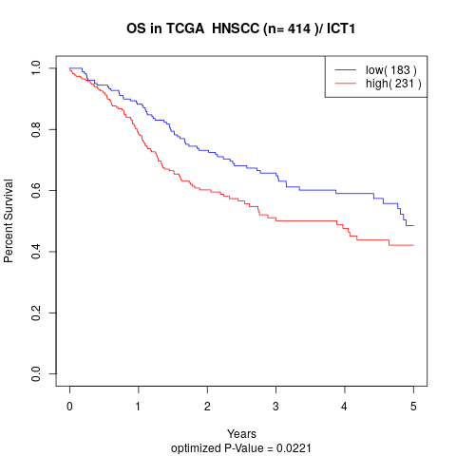

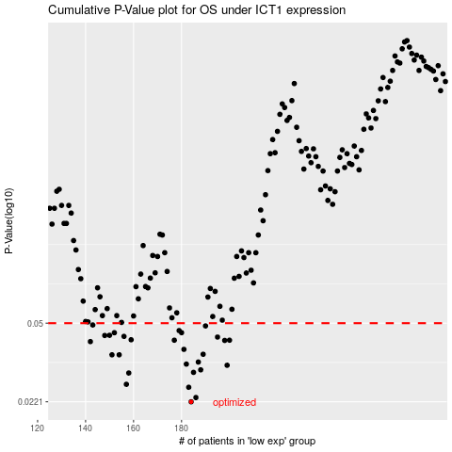

 |  |  |  |  |  | cases_OS | p_OS | rank | exp
 |  |  |  |  |  | 184 | 0.0221 | 62 | -0.33824909686
 |  |  |  |  |  | 186 | 0.0231 | 274 | -0.32298897285
 |  |  |  |  |  | 183 | 0.0257 | 11 | -0.34007476823
 |  |  |  |  |  | 157 | 0.0265 | 211 | -0.42569382089
 |  |  |  |  |  | 158 | 0.0298 | 124 | -0.42001471721
 |  |  |  |  |  | 185 | 0.03 | 127 | -0.32332922135
 |  |  |  |  |  | 188 | 0.0308 | 273 | -0.31565796911
 |  |  |  |  |  | 199 | 0.0323 | 284 | -0.28806437311
 |  |  |  |  |  | 182 | 0.0327 | 400 | -0.34217933181
 |  |  |  |  |  | 187 | 0.0334 | 374 | -0.31829199884
 |  |  |  |  |  | 154 | 0.036 | 43 | -0.43151966478
 |  |  |  |  |  | 151 | 0.036 | 260 | -0.43658563464
 |  |  |  |  |  | 189 | 0.0362 | 80 | -0.31552882056
 |  |  |  |  |  | 181 | 0.0381 | 102 | -0.34564531847
 |  |  |  |  |  | 142 | 0.0413 | 48 | -0.47219287672
 |  |  |  |  |  | 198 | 0.0418 | 397 | -0.29154194453
 |  |  |  |  |  | 177 | 0.0419 | 68 | -0.35987997726
 |  |  |  |  |  | 200 | 0.0419 | 239 | -0.2855255958
 |  |  |  |  |  | 159 | 0.0421 | 65 | -0.41707733856
 |  |  |  |  |  | 195 | 0.0433 | 224 | -0.2959737564
 |  |  |  |  |  | 156 | 0.0436 | 219 | -0.42588046414
 |  |  |  |  |  | 148 | 0.044 | 69 | -0.4480541117
 |  |  |  |  |  | 150 | 0.0441 | 328 | -0.43827743774
 |  |  |  |  |  | 152 | 0.0453 | 82 | -0.43507790041
 |  |  |  |  |  | 180 | 0.0453 | 170 | -0.34807725861
 |  |  |  |  |  | 179 | 0.0463 | 172 | -0.34839047603
 |  |  |  |  |  | 190 | 0.0486 | 64 | -0.31215422473
 |  |  |  |  |  | 143 | 0.0491 | 244 | -0.46982701259
 |  |  |  |  |  |  | cases_RFS | p_RFS | rank | exp
 |  |  |  |  |  |  | 183 | 0.0221 | 11 | -0.34007476823
 |  |  |  |  |  |  | 185 | 0.0231 | 127 | -0.32332922135
 |  |  |  |  |  |  | 182 | 0.0257 | 400 | -0.34217933181
 |  |  |  |  |  |  | 156 | 0.0265 | 219 | -0.42588046414
 |  |  |  |  |  |  | 157 | 0.0298 | 211 | -0.42569382089
 |  |  |  |  |  |  | 184 | 0.03 | 62 | -0.33824909686
 |  |  |  |  |  |  | 187 | 0.0308 | 374 | -0.31829199884
 |  |  |  |  |  |  | 198 | 0.0323 | 397 | -0.29154194453
 |  |  |  |  |  |  | 181 | 0.0327 | 102 | -0.34564531847
 |  |  |  |  |  |  | 186 | 0.0334 | 274 | -0.32298897285
 |  |  |  |  |  |  | 153 | 0.036 | 183 | -0.43339768207
 |  |  |  |  |  |  | 150 | 0.036 | 328 | -0.43827743774
 |  |  |  |  |  |  | 188 | 0.0362 | 273 | -0.31565796911
 |  |  |  |  |  |  | 180 | 0.0381 | 170 | -0.34807725861
 |  |  |  |  |  |  | 141 | 0.0413 | 42 | -0.47402155154
 |  |  |  |  |  |  | 197 | 0.0418 | 130 | -0.29247601892
 |  |  |  |  |  |  | 176 | 0.0419 | 242 | -0.36286712744
 |  |  |  |  |  |  | 199 | 0.0419 | 284 | -0.28806437311
 |  |  |  |  |  |  | 158 | 0.0421 | 124 | -0.42001471721
 |  |  |  |  |  |  | 194 | 0.0433 | 175 | -0.29614538238
 |  |  |  |  |  |  | 155 | 0.0436 | 156 | -0.43100264152
 |  |  |  |  |  |  | 147 | 0.044 | 192 | -0.4525846085
 |  |  |  |  |  |  | 149 | 0.0441 | 396 | -0.43845507063
 |  |  |  |  |  |  | 179 | 0.0453 | 172 | -0.34839047603
 |  |  |  |  |  |  | 151 | 0.0453 | 260 | -0.43658563464
 |  |  |  |  |  |  | 178 | 0.0463 | 89 | -0.35839755786
 |  |  |  |  |  |  | 189 | 0.0486 | 80 | -0.31552882056
 |  |  |  |  |  |  | 142 | 0.0491 | 48 | -0.47219287672

