ID1 _multivariate
Reported by Tex Li-Hsing Chi. tex@gate.sinica.edu.tw 2019-08-19

Table 2. The clinicopathological features of HNSCC cohort and ID1 expression. (Chi square test)
Cutoff at -0.332 (50.0%)
 |  | ID1 expression |  | ID1 expression |  | (Optimised)
 | Features | Low | (%) | High | (%) | Case no | P-value | Remark | Matthews
Gender | Female | 163 | 39.3 | 143 | 34.5 | 415 | 0.0277 | 1 | 0
2 | Male | 44 | 10.6 | 65 | 15.7
Age at diagnosis | <=65y | 141 | 34 | 133 | 32 | 415 | 0.4272 | 0 | 0
4 | >65y | 66 | 15.9 | 75 | 18.1
Clinical T Status | T1+T2 | 83 | 20 | 66 | 15.9 | 415 | 0.0941 | 0 | 0
6 | T3+T4 | 124 | 29.9 | 142 | 34.2
Clinical N Status | N0 | 105 | 25.3 | 111 | 26.7 | 415 | 0.6598 | 0 | 0
8 | N1-3 | 102 | 24.6 | 97 | 23.4
Clinical M Status | M0 | 207 | 49.9 | 205 | 49.4 | 415 | 0.2482 | 0 | 0
10 | M1 | 0 | 0 | 3 | 0.7
Clinical Stage | Stage I+II | 58 | 14 | 44 | 10.6 | 415 | 0.131 | 0 | 0
12 | Stage III+IV | 149 | 35.9 | 164 | 39.5
Surgical Margin status | Negative | 162 | 39 | 156 | 37.6 | 415 | 0.4867 | 0 | 0
14 | Positive | 45 | 10.8 | 52 | 12.5
Tobacco Exposure | Low | 66 | 15.9 | 95 | 22.9 | 415 | 0.0048 | 1 | 0
16 | High | 141 | 34 | 113 | 27.2

Table 3. Univariate/Multivariate Cox's proportional hazards regression analyses on OS time of ID1 gene expression in HNSCC

 |  | Univariate |  |  |  | Multivariate
 | Features | HR | CI95%(L) | CI95%(H) | P-value | HR | CI95%(L) | CI95%(H) | P-value
1 | Female | 1 |  |  |  | 1
Gender | Male | 1.157 | 0.843 | 1.587 | 0.367 | 1.198 | 0.856 | 1.678 | 0.293
11 | <=65y | 1 |  |  |  | 1
Age at diagnosis | >65y | 1.329 | 0.99 | 1.784 | 0.058 | 1.391 | 1.023 | 1.891 | 0.035
12 | T1+T2 | 1 |  |  |  | 1
Clinical T Status | T3+T4 | 1.409 | 1.028 | 1.931 | 0.033 | 2.203 | 1.165 | 4.165 | 0.015
13 | N0 | 1 |  |  |  | 1
Clinical N Status | N1-3 | 1.185 | 0.89 | 1.577 | 0.246 | 1.242 | 0.87 | 1.773 | 0.232
14 | M0 | 1 |  |  |  | 1
Clinical M Status | M1 | 4.097 | 1.009 | 16.644 | 0.049 | 9.306 | 2.016 | 42.963 | 0.004
15 | Stage I+II | 1 |  |  |  | 1
Clinical Stage | Stage III+IV | 1.245 | 0.882 | 1.759 | 0.213 | 0.502 | 0.233 | 1.081 | 0.078
16 | Negative | 1 |  |  |  | 1
Surgical Margin status | Positive | 1.591 | 1.155 | 2.191 | 0.004 | 1.671 | 1.209 | 2.309 | 0.002
17 | Low | 1 |  |  |  | 1
Tobacco Exposure | High | 1.364 | 1.008 | 1.844 | 0.044 | 1.457 | 1.055 | 2.014 | 0.022
18 | Low | 1 |  |  |  | 1
RNAseq(z-score) | High | 1.052 | 0.79 | 1.402 | 0.728 | 1.022 | 0.759 | 1.375 | 0.887

Table 4. Univariate/Multivariate Cox's proportional hazards regression analyses on RFS time of ID1 gene expression in HNSCC

 |  | Univariate |  |  |  | Multivariate
 | Features | HR | CI95%(L) | CI95%(H) | P-value | HR | CI95%(L) | CI95%(H) | P-value
1 | Female | 1 |  |  |  | 1
Gender | Male | 1.157 | 0.843 | 1.587 | 0.367 | 1.198 | 0.856 | 1.678 | 0.293
11 | <=65y | 1 |  |  |  | 1
Age at diagnosis | >65y | 1.329 | 0.99 | 1.784 | 0.058 | 1.391 | 1.023 | 1.891 | 0.035
12 | T1+T2 | 1 |  |  |  | 1
Clinical T Status | T3+T4 | 1.409 | 1.028 | 1.931 | 0.033 | 2.203 | 1.165 | 4.165 | 0.015
13 | N0 | 1 |  |  |  | 1
Clinical N Status | N1-3 | 1.185 | 0.89 | 1.577 | 0.246 | 1.242 | 0.87 | 1.773 | 0.232
14 | M0 | 1 |  |  |  | 1
Clinical M Status | M1 | 4.097 | 1.009 | 16.644 | 0.049 | 9.306 | 2.016 | 42.963 | 0.004
15 | Stage I+II | 1 |  |  |  | 1
Clinical Stage | Stage III+IV | 1.245 | 0.882 | 1.759 | 0.213 | 0.502 | 0.233 | 1.081 | 0.078
16 | Negative | 1 |  |  |  | 1
Surgical Margin status | Positive | 1.591 | 1.155 | 2.191 | 0.004 | 1.671 | 1.209 | 2.309 | 0.002
17 | Low | 1 |  |  |  | 1
Tobacco Exposure | High | 1.364 | 1.008 | 1.844 | 0.044 | 1.457 | 1.055 | 2.014 | 0.022
18 | Low | 1 |  |  |  | 1
RNAseq(z-score) | High | 1.052 | 0.79 | 1.402 | 0.728 | 1.022 | 0.759 | 1.375 | 0.887

Kaplan-Meier survival estimate: Cutoff at -0.332 (50.0%)

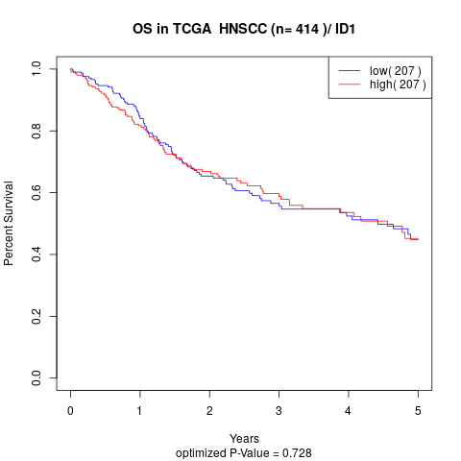

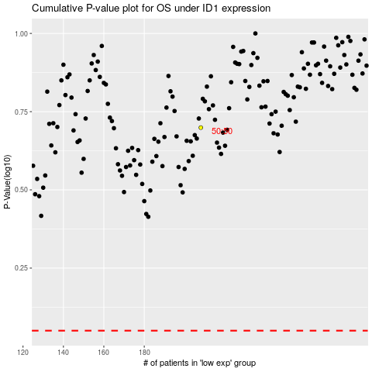

 |  |  |  |  |  | cases_OS | p_OS | rank | exp
 |  |  |  |  |  |  | cases_RFS | p_RFS | rank | exp

