ID2 _multivariate
Reported by Tex Li-Hsing Chi. tex@gate.sinica.edu.tw 2019-08-19

Table 2. The clinicopathological features of HNSCC cohort and ID2 expression. (Chi square test)
Cutoff at -0.101 (65.5%)
 |  | ID2 expression |  | ID2 expression |  | (Optimised)
 | Features | Low | (%) | High | (%) | Case no | P-value | Remark | Matthews
Gender | Female | 208 | 50.1 | 98 | 23.6 | 415 | 0.1033 | 0 | 0
2 | Male | 64 | 15.4 | 45 | 10.8
Age at diagnosis | <=65y | 188 | 45.3 | 86 | 20.7 | 415 | 0.0843 | 0 | 0
4 | >65y | 84 | 20.2 | 57 | 13.7
Clinical T Status | T1+T2 | 80 | 19.3 | 69 | 16.6 | 415 | 2e-04 | 1 | 0
6 | T3+T4 | 192 | 46.3 | 74 | 17.8
Clinical N Status | N0 | 134 | 32.3 | 82 | 19.8 | 415 | 0.1437 | 0 | 0
8 | N1-3 | 138 | 33.3 | 61 | 14.7
Clinical M Status | M0 | 269 | 64.8 | 143 | 34.5 | 415 | 0.5543 | 0 | 0
10 | M1 | 3 | 0.7 | 0 | 0
Clinical Stage | Stage I+II | 59 | 14.2 | 43 | 10.4 | 415 | 0.0777 | 0 | 0
12 | Stage III+IV | 213 | 51.3 | 100 | 24.1
Surgical Margin status | Negative | 207 | 49.9 | 111 | 26.7 | 415 | 0.8074 | 0 | 0
14 | Positive | 65 | 15.7 | 32 | 7.7
Tobacco Exposure | Low | 98 | 23.6 | 63 | 15.2 | 415 | 0.1135 | 0 | 0
16 | High | 174 | 41.9 | 80 | 19.3

Table 3. Univariate/Multivariate Cox's proportional hazards regression analyses on OS time of ID2 gene expression in HNSCC

 |  | Univariate |  |  |  | Multivariate
 | Features | HR | CI95%(L) | CI95%(H) | P-value | HR | CI95%(L) | CI95%(H) | P-value
1 | Female | 1 |  |  |  | 1
Gender | Male | 1.157 | 0.843 | 1.587 | 0.367 | 1.209 | 0.863 | 1.694 | 0.27
11 | <=65y | 1 |  |  |  | 1
Age at diagnosis | >65y | 1.329 | 0.99 | 1.784 | 0.058 | 1.406 | 1.034 | 1.91 | 0.03
12 | T1+T2 | 1 |  |  |  | 1
Clinical T Status | T3+T4 | 1.409 | 1.028 | 1.931 | 0.033 | 1.972 | 1.034 | 3.763 | 0.039
13 | N0 | 1 |  |  |  | 1
Clinical N Status | N1-3 | 1.185 | 0.89 | 1.577 | 0.246 | 1.205 | 0.842 | 1.723 | 0.308
14 | M0 | 1 |  |  |  | 1
Clinical M Status | M1 | 4.097 | 1.009 | 16.644 | 0.049 | 7.918 | 1.713 | 36.6 | 0.008
15 | Stage I+II | 1 |  |  |  | 1
Clinical Stage | Stage III+IV | 1.245 | 0.882 | 1.759 | 0.213 | 0.542 | 0.252 | 1.169 | 0.119
16 | Negative | 1 |  |  |  | 1
Surgical Margin status | Positive | 1.591 | 1.155 | 2.191 | 0.004 | 1.725 | 1.246 | 2.388 | 0.001
17 | Low | 1 |  |  |  | 1
Tobacco Exposure | High | 1.364 | 1.008 | 1.844 | 0.044 | 1.453 | 1.054 | 2.003 | 0.023
18 | Low | 1 |  |  |  | 1
RNAseq(z-score) | High | 0.685 | 0.5 | 0.94 | 0.019 | 0.722 | 0.521 | 1 | 0.05

Table 4. Univariate/Multivariate Cox's proportional hazards regression analyses on RFS time of ID2 gene expression in HNSCC

 |  | Univariate |  |  |  | Multivariate
 | Features | HR | CI95%(L) | CI95%(H) | P-value | HR | CI95%(L) | CI95%(H) | P-value
1 | Female | 1 |  |  |  | 1
Gender | Male | 1.157 | 0.843 | 1.587 | 0.367 | 1.209 | 0.863 | 1.694 | 0.27
11 | <=65y | 1 |  |  |  | 1
Age at diagnosis | >65y | 1.329 | 0.99 | 1.784 | 0.058 | 1.406 | 1.034 | 1.91 | 0.03
12 | T1+T2 | 1 |  |  |  | 1
Clinical T Status | T3+T4 | 1.409 | 1.028 | 1.931 | 0.033 | 1.972 | 1.034 | 3.763 | 0.039
13 | N0 | 1 |  |  |  | 1
Clinical N Status | N1-3 | 1.185 | 0.89 | 1.577 | 0.246 | 1.205 | 0.842 | 1.723 | 0.308
14 | M0 | 1 |  |  |  | 1
Clinical M Status | M1 | 4.097 | 1.009 | 16.644 | 0.049 | 7.918 | 1.713 | 36.6 | 0.008
15 | Stage I+II | 1 |  |  |  | 1
Clinical Stage | Stage III+IV | 1.245 | 0.882 | 1.759 | 0.213 | 0.542 | 0.252 | 1.169 | 0.119
16 | Negative | 1 |  |  |  | 1
Surgical Margin status | Positive | 1.591 | 1.155 | 2.191 | 0.004 | 1.725 | 1.246 | 2.388 | 0.001
17 | Low | 1 |  |  |  | 1
Tobacco Exposure | High | 1.364 | 1.008 | 1.844 | 0.044 | 1.453 | 1.054 | 2.003 | 0.023
18 | Low | 1 |  |  |  | 1
RNAseq(z-score) | High | 0.685 | 0.5 | 0.94 | 0.019 | 0.722 | 0.521 | 1 | 0.05

Kaplan-Meier survival estimate: Cutoff at -0.101 (65.5%)

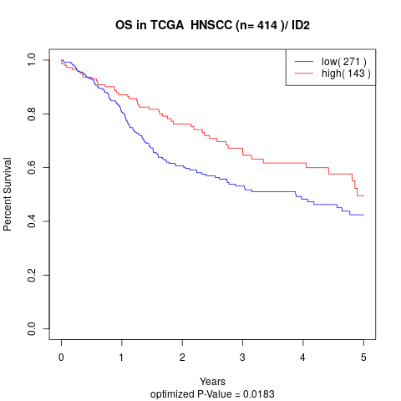

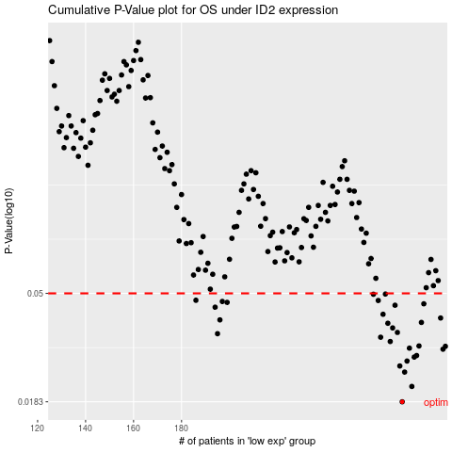

 |  |  |  |  |  | cases_OS | p_OS | rank | exp
 |  |  |  |  |  | 272 | 0.0183 | 50 | -0.10121076362
 |  |  |  |  |  | 276 | 0.0211 | 406 | -0.083867263135
 |  |  |  |  |  | 273 | 0.0241 | 359 | -0.095919082896
 |  |  |  |  |  | 271 | 0.0255 | 308 | -0.10202756955
 |  |  |  |  |  | 274 | 0.0267 | 312 | -0.092543037051
 |  |  |  |  |  | 277 | 0.0277 | 345 | -0.083026315153
 |  |  |  |  |  | 278 | 0.0281 | 395 | -0.082180977708
 |  |  |  |  |  | 289 | 0.0298 | 246 | -0.018545833056
 |  |  |  |  |  | 275 | 0.0301 | 213 | -0.090531931351
 |  |  |  |  |  | 290 | 0.0306 | 15 | -0.016765722855
 |  |  |  |  |  | 279 | 0.0307 | 116 | -0.076608737133
 |  |  |  |  |  | 267 | 0.032 | 178 | -0.12447656436
 |  |  |  |  |  | 263 | 0.0333 | 132 | -0.15026411169
 |  |  |  |  |  | 195 | 0.0344 | 299 | -0.41969887034
 |  |  |  |  |  | 270 | 0.0348 | 62 | -0.10623523577
 |  |  |  |  |  | 268 | 0.0363 | 6 | -0.11990530428
 |  |  |  |  |  | 266 | 0.0379 | 153 | -0.13800086612
 |  |  |  |  |  | 280 | 0.0382 | 170 | -0.065649345014
 |  |  |  |  |  | 196 | 0.0391 | 136 | -0.41783389718
 |  |  |  |  |  | 288 | 0.0398 | 385 | -0.022580298374
 |  |  |  |  |  | 264 | 0.0412 | 83 | -0.14541503517
 |  |  |  |  |  | 194 | 0.044 | 237 | -0.42469170178
 |  |  |  |  |  | 269 | 0.0448 | 86 | -0.11266269008
 |  |  |  |  |  | 281 | 0.0454 | 303 | -0.065601243813
 |  |  |  |  |  | 199 | 0.046 | 183 | -0.41265981749
 |  |  |  |  |  | 197 | 0.0464 | 40 | -0.41441944353
 |  |  |  |  |  | 262 | 0.0468 | 201 | -0.15441837277
 |  |  |  |  |  | 186 | 0.0469 | 111 | -0.4504183453
 |  |  |  |  |  | 260 | 0.0496 | 162 | -0.155200063
 |  |  |  |  |  | 265 | 0.0497 | 54 | -0.14511966087
 |  |  |  |  |  |  | cases_RFS | p_RFS | rank | exp
 |  |  |  |  |  |  | 271 | 0.0183 | 308 | -0.10202756955
 |  |  |  |  |  |  | 275 | 0.0211 | 213 | -0.090531931351
 |  |  |  |  |  |  | 272 | 0.0241 | 50 | -0.10121076362
 |  |  |  |  |  |  | 270 | 0.0255 | 62 | -0.10623523577
 |  |  |  |  |  |  | 273 | 0.0267 | 359 | -0.095919082896
 |  |  |  |  |  |  | 276 | 0.0277 | 406 | -0.083867263135
 |  |  |  |  |  |  | 277 | 0.0281 | 345 | -0.083026315153
 |  |  |  |  |  |  | 288 | 0.0298 | 385 | -0.022580298374
 |  |  |  |  |  |  | 274 | 0.0301 | 312 | -0.092543037051
 |  |  |  |  |  |  | 289 | 0.0306 | 246 | -0.018545833056
 |  |  |  |  |  |  | 278 | 0.0307 | 395 | -0.082180977708
 |  |  |  |  |  |  | 266 | 0.032 | 153 | -0.13800086612
 |  |  |  |  |  |  | 262 | 0.0333 | 201 | -0.15441837277
 |  |  |  |  |  |  | 194 | 0.0344 | 237 | -0.42469170178
 |  |  |  |  |  |  | 269 | 0.0348 | 86 | -0.11266269008
 |  |  |  |  |  |  | 267 | 0.0363 | 178 | -0.12447656436
 |  |  |  |  |  |  | 265 | 0.0379 | 54 | -0.14511966087
 |  |  |  |  |  |  | 279 | 0.0382 | 116 | -0.076608737133
 |  |  |  |  |  |  | 195 | 0.0391 | 299 | -0.41969887034
 |  |  |  |  |  |  | 287 | 0.0398 | 217 | -0.027289643651
 |  |  |  |  |  |  | 263 | 0.0412 | 132 | -0.15026411169
 |  |  |  |  |  |  | 193 | 0.044 | 261 | -0.42664044052
 |  |  |  |  |  |  | 268 | 0.0448 | 6 | -0.11990530428
 |  |  |  |  |  |  | 280 | 0.0454 | 170 | -0.065649345014
 |  |  |  |  |  |  | 198 | 0.046 | 258 | -0.41353880749
 |  |  |  |  |  |  | 196 | 0.0464 | 136 | -0.41783389718
 |  |  |  |  |  |  | 261 | 0.0468 | 74 | -0.15486426907
 |  |  |  |  |  |  | 185 | 0.0469 | 163 | -0.4526218558
 |  |  |  |  |  |  | 259 | 0.0496 | 216 | -0.15937864902
 |  |  |  |  |  |  | 264 | 0.0497 | 83 | -0.14541503517

