IDE _multivariate
Reported by Tex Li-Hsing Chi. tex@gate.sinica.edu.tw 2019-08-19

Table 2. The clinicopathological features of HNSCC cohort and IDE expression. (Chi square test)
Cutoff at -0.211 (49.8%)
 |  | IDE expression |  | IDE expression |  | (Optimised)
 | Features | Low | (%) | High | (%) | Case no | P-value | Remark | Matthews
Gender | Female | 157 | 37.8 | 149 | 35.9 | 415 | 0.3881 | 0 | 0
2 | Male | 50 | 12 | 59 | 14.2
Age at diagnosis | <=65y | 141 | 34 | 133 | 32 | 415 | 0.4272 | 0 | 0
4 | >65y | 66 | 15.9 | 75 | 18.1
Clinical T Status | T1+T2 | 77 | 18.6 | 72 | 17.3 | 415 | 0.6556 | 0 | 0
6 | T3+T4 | 130 | 31.3 | 136 | 32.8
Clinical N Status | N0 | 100 | 24.1 | 116 | 28 | 415 | 0.1548 | 0 | 0
8 | N1-3 | 107 | 25.8 | 92 | 22.2
Clinical M Status | M0 | 204 | 49.2 | 208 | 50.1 | 415 | 0.1232 | 0 | 0
10 | M1 | 3 | 0.7 | 0 | 0
Clinical Stage | Stage I+II | 48 | 11.6 | 54 | 13 | 415 | 0.5878 | 0 | 0
12 | Stage III+IV | 159 | 38.3 | 154 | 37.1
Surgical Margin status | Negative | 155 | 37.3 | 163 | 39.3 | 415 | 0.4187 | 0 | 0
14 | Positive | 52 | 12.5 | 45 | 10.8
Tobacco Exposure | Low | 79 | 19 | 82 | 19.8 | 415 | 0.8405 | 0 | 0
16 | High | 128 | 30.8 | 126 | 30.4

Table 3. Univariate/Multivariate Cox's proportional hazards regression analyses on OS time of IDE gene expression in HNSCC

 |  | Univariate |  |  |  | Multivariate
 | Features | HR | CI95%(L) | CI95%(H) | P-value | HR | CI95%(L) | CI95%(H) | P-value
1 | Female | 1 |  |  |  | 1
Gender | Male | 1.157 | 0.843 | 1.587 | 0.367 | 1.203 | 0.861 | 1.679 | 0.279
11 | <=65y | 1 |  |  |  | 1
Age at diagnosis | >65y | 1.329 | 0.99 | 1.784 | 0.058 | 1.39 | 1.023 | 1.89 | 0.036
12 | T1+T2 | 1 |  |  |  | 1
Clinical T Status | T3+T4 | 1.409 | 1.028 | 1.931 | 0.033 | 2.19 | 1.157 | 4.145 | 0.016
13 | N0 | 1 |  |  |  | 1
Clinical N Status | N1-3 | 1.185 | 0.89 | 1.577 | 0.246 | 1.243 | 0.871 | 1.773 | 0.231
14 | M0 | 1 |  |  |  | 1
Clinical M Status | M1 | 4.097 | 1.009 | 16.644 | 0.049 | 9.597 | 2.083 | 44.205 | 0.004
15 | Stage I+II | 1 |  |  |  | 1
Clinical Stage | Stage III+IV | 1.245 | 0.882 | 1.759 | 0.213 | 0.507 | 0.236 | 1.089 | 0.082
16 | Negative | 1 |  |  |  | 1
Surgical Margin status | Positive | 1.591 | 1.155 | 2.191 | 0.004 | 1.678 | 1.213 | 2.32 | 0.002
17 | Low | 1 |  |  |  | 1
Tobacco Exposure | High | 1.364 | 1.008 | 1.844 | 0.044 | 1.461 | 1.059 | 2.016 | 0.021
18 | Low | 1 |  |  |  | 1
RNAseq(z-score) | High | 0.995 | 0.747 | 1.325 | 0.971 | 1.05 | 0.784 | 1.407 | 0.744

Table 4. Univariate/Multivariate Cox's proportional hazards regression analyses on RFS time of IDE gene expression in HNSCC

 |  | Univariate |  |  |  | Multivariate
 | Features | HR | CI95%(L) | CI95%(H) | P-value | HR | CI95%(L) | CI95%(H) | P-value
1 | Female | 1 |  |  |  | 1
Gender | Male | 1.157 | 0.843 | 1.587 | 0.367 | 1.203 | 0.861 | 1.679 | 0.279
11 | <=65y | 1 |  |  |  | 1
Age at diagnosis | >65y | 1.329 | 0.99 | 1.784 | 0.058 | 1.39 | 1.023 | 1.89 | 0.036
12 | T1+T2 | 1 |  |  |  | 1
Clinical T Status | T3+T4 | 1.409 | 1.028 | 1.931 | 0.033 | 2.19 | 1.157 | 4.145 | 0.016
13 | N0 | 1 |  |  |  | 1
Clinical N Status | N1-3 | 1.185 | 0.89 | 1.577 | 0.246 | 1.243 | 0.871 | 1.773 | 0.231
14 | M0 | 1 |  |  |  | 1
Clinical M Status | M1 | 4.097 | 1.009 | 16.644 | 0.049 | 9.597 | 2.083 | 44.205 | 0.004
15 | Stage I+II | 1 |  |  |  | 1
Clinical Stage | Stage III+IV | 1.245 | 0.882 | 1.759 | 0.213 | 0.507 | 0.236 | 1.089 | 0.082
16 | Negative | 1 |  |  |  | 1
Surgical Margin status | Positive | 1.591 | 1.155 | 2.191 | 0.004 | 1.678 | 1.213 | 2.32 | 0.002
17 | Low | 1 |  |  |  | 1
Tobacco Exposure | High | 1.364 | 1.008 | 1.844 | 0.044 | 1.461 | 1.059 | 2.016 | 0.021
18 | Low | 1 |  |  |  | 1
RNAseq(z-score) | High | 0.995 | 0.747 | 1.325 | 0.971 | 1.05 | 0.784 | 1.407 | 0.744

Kaplan-Meier survival estimate: Cutoff at -0.211 (49.8%)



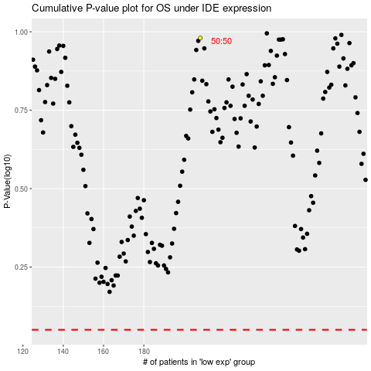

 |  |  |  |  |  | cases_OS | p_OS | rank | exp
 |  |  |  |  |  |  | cases_RFS | p_RFS | rank | exp

