IDH2 _multivariate
Reported by Tex Li-Hsing Chi. tex@gate.sinica.edu.tw 2019-08-19

Table 2. The clinicopathological features of HNSCC cohort and IDH2 expression. (Chi square test)
Cutoff at -0.302 (50.0%)
 |  | IDH2 expression |  | IDH2 expression |  | (Optimised)
 | Features | Low | (%) | High | (%) | Case no | P-value | Remark | Matthews
Gender | Female | 158 | 38.1 | 148 | 35.7 | 415 | 0.2774 | 0 | 0
2 | Male | 49 | 11.8 | 60 | 14.5
Age at diagnosis | <=65y | 144 | 34.7 | 130 | 31.3 | 415 | 0.1568 | 0 | 0
4 | >65y | 63 | 15.2 | 78 | 18.8
Clinical T Status | T1+T2 | 71 | 17.1 | 78 | 18.8 | 415 | 0.5638 | 0 | 0
6 | T3+T4 | 136 | 32.8 | 130 | 31.3
Clinical N Status | N0 | 98 | 23.6 | 118 | 28.4 | 415 | 0.0694 | 0 | 0
8 | N1-3 | 109 | 26.3 | 90 | 21.7
Clinical M Status | M0 | 205 | 49.4 | 207 | 49.9 | 415 | 0.6232 | 0 | 0
10 | M1 | 2 | 0.5 | 1 | 0.2
Clinical Stage | Stage I+II | 50 | 12 | 52 | 12.5 | 415 | 0.9315 | 0 | 0
12 | Stage III+IV | 157 | 37.8 | 156 | 37.6
Surgical Margin status | Negative | 165 | 39.8 | 153 | 36.9 | 415 | 0.1639 | 0 | 0
14 | Positive | 42 | 10.1 | 55 | 13.3
Tobacco Exposure | Low | 72 | 17.3 | 89 | 21.4 | 415 | 0.1071 | 0 | 0
16 | High | 135 | 32.5 | 119 | 28.7

Table 3. Univariate/Multivariate Cox's proportional hazards regression analyses on OS time of IDH2 gene expression in HNSCC

 |  | Univariate |  |  |  | Multivariate
 | Features | HR | CI95%(L) | CI95%(H) | P-value | HR | CI95%(L) | CI95%(H) | P-value
1 | Female | 1 |  |  |  | 1
Gender | Male | 1.157 | 0.843 | 1.587 | 0.367 | 1.201 | 0.859 | 1.678 | 0.285
11 | <=65y | 1 |  |  |  | 1
Age at diagnosis | >65y | 1.329 | 0.99 | 1.784 | 0.058 | 1.407 | 1.033 | 1.917 | 0.03
12 | T1+T2 | 1 |  |  |  | 1
Clinical T Status | T3+T4 | 1.409 | 1.028 | 1.931 | 0.033 | 2.193 | 1.159 | 4.146 | 0.016
13 | N0 | 1 |  |  |  | 1
Clinical N Status | N1-3 | 1.185 | 0.89 | 1.577 | 0.246 | 1.22 | 0.853 | 1.744 | 0.277
14 | M0 | 1 |  |  |  | 1
Clinical M Status | M1 | 4.097 | 1.009 | 16.644 | 0.049 | 9.101 | 1.982 | 41.796 | 0.005
15 | Stage I+II | 1 |  |  |  | 1
Clinical Stage | Stage III+IV | 1.245 | 0.882 | 1.759 | 0.213 | 0.513 | 0.239 | 1.101 | 0.087
16 | Negative | 1 |  |  |  | 1
Surgical Margin status | Positive | 1.591 | 1.155 | 2.191 | 0.004 | 1.694 | 1.224 | 2.343 | 0.001
17 | Low | 1 |  |  |  | 1
Tobacco Exposure | High | 1.364 | 1.008 | 1.844 | 0.044 | 1.458 | 1.058 | 2.011 | 0.021
18 | Low | 1 |  |  |  | 1
RNAseq(z-score) | High | 0.899 | 0.675 | 1.197 | 0.465 | 0.881 | 0.658 | 1.181 | 0.396

Table 4. Univariate/Multivariate Cox's proportional hazards regression analyses on RFS time of IDH2 gene expression in HNSCC

 |  | Univariate |  |  |  | Multivariate
 | Features | HR | CI95%(L) | CI95%(H) | P-value | HR | CI95%(L) | CI95%(H) | P-value
1 | Female | 1 |  |  |  | 1
Gender | Male | 1.157 | 0.843 | 1.587 | 0.367 | 1.201 | 0.859 | 1.678 | 0.285
11 | <=65y | 1 |  |  |  | 1
Age at diagnosis | >65y | 1.329 | 0.99 | 1.784 | 0.058 | 1.407 | 1.033 | 1.917 | 0.03
12 | T1+T2 | 1 |  |  |  | 1
Clinical T Status | T3+T4 | 1.409 | 1.028 | 1.931 | 0.033 | 2.193 | 1.159 | 4.146 | 0.016
13 | N0 | 1 |  |  |  | 1
Clinical N Status | N1-3 | 1.185 | 0.89 | 1.577 | 0.246 | 1.22 | 0.853 | 1.744 | 0.277
14 | M0 | 1 |  |  |  | 1
Clinical M Status | M1 | 4.097 | 1.009 | 16.644 | 0.049 | 9.101 | 1.982 | 41.796 | 0.005
15 | Stage I+II | 1 |  |  |  | 1
Clinical Stage | Stage III+IV | 1.245 | 0.882 | 1.759 | 0.213 | 0.513 | 0.239 | 1.101 | 0.087
16 | Negative | 1 |  |  |  | 1
Surgical Margin status | Positive | 1.591 | 1.155 | 2.191 | 0.004 | 1.694 | 1.224 | 2.343 | 0.001
17 | Low | 1 |  |  |  | 1
Tobacco Exposure | High | 1.364 | 1.008 | 1.844 | 0.044 | 1.458 | 1.058 | 2.011 | 0.021
18 | Low | 1 |  |  |  | 1
RNAseq(z-score) | High | 0.899 | 0.675 | 1.197 | 0.465 | 0.881 | 0.658 | 1.181 | 0.396

Kaplan-Meier survival estimate: Cutoff at -0.302 (50.0%)



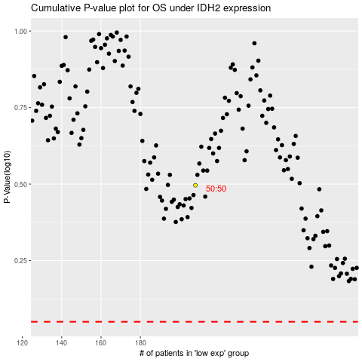

 |  |  |  |  |  | cases_OS | p_OS | rank | exp
 |  |  |  |  |  |  | cases_RFS | p_RFS | rank | exp

