IDH3A _multivariate
Reported by Tex Li-Hsing Chi. tex@gate.sinica.edu.tw 2019-08-19

Table 2. The clinicopathological features of HNSCC cohort and IDH3A expression. (Chi square test)
Cutoff at -0.25 (50.0%)
 |  | IDH3A expression |  | IDH3A expression |  | (Optimised)
 | Features | Low | (%) | High | (%) | Case no | P-value | Remark | Matthews
Gender | Female | 166 | 40 | 140 | 33.7 | 415 | 0.0041 | 1 | 0
2 | Male | 41 | 9.9 | 68 | 16.4
Age at diagnosis | <=65y | 134 | 32.3 | 140 | 33.7 | 415 | 0.6529 | 0 | 0
4 | >65y | 73 | 17.6 | 68 | 16.4
Clinical T Status | T1+T2 | 70 | 16.9 | 79 | 19 | 415 | 0.4343 | 0 | 0
6 | T3+T4 | 137 | 33 | 129 | 31.1
Clinical N Status | N0 | 95 | 22.9 | 121 | 29.2 | 415 | 0.0162 | 1 | 0
8 | N1-3 | 112 | 27 | 87 | 21
Clinical M Status | M0 | 206 | 49.6 | 206 | 49.6 | 415 | 1 | 0 | 0
10 | M1 | 1 | 0.2 | 2 | 0.5
Clinical Stage | Stage I+II | 43 | 10.4 | 59 | 14.2 | 415 | 0.0925 | 0 | 0
12 | Stage III+IV | 164 | 39.5 | 149 | 35.9
Surgical Margin status | Negative | 152 | 36.6 | 166 | 40 | 415 | 0.1329 | 0 | 0
14 | Positive | 55 | 13.3 | 42 | 10.1
Tobacco Exposure | Low | 75 | 18.1 | 86 | 20.7 | 415 | 0.3141 | 0 | 0
16 | High | 132 | 31.8 | 122 | 29.4

Table 3. Univariate/Multivariate Cox's proportional hazards regression analyses on OS time of IDH3A gene expression in HNSCC

 |  | Univariate |  |  |  | Multivariate
 | Features | HR | CI95%(L) | CI95%(H) | P-value | HR | CI95%(L) | CI95%(H) | P-value
1 | Female | 1 |  |  |  | 1
Gender | Male | 1.157 | 0.843 | 1.587 | 0.367 | 1.206 | 0.861 | 1.689 | 0.275
11 | <=65y | 1 |  |  |  | 1
Age at diagnosis | >65y | 1.329 | 0.99 | 1.784 | 0.058 | 1.39 | 1.022 | 1.89 | 0.036
12 | T1+T2 | 1 |  |  |  | 1
Clinical T Status | T3+T4 | 1.409 | 1.028 | 1.931 | 0.033 | 2.206 | 1.166 | 4.172 | 0.015
13 | N0 | 1 |  |  |  | 1
Clinical N Status | N1-3 | 1.185 | 0.89 | 1.577 | 0.246 | 1.236 | 0.865 | 1.768 | 0.245
14 | M0 | 1 |  |  |  | 1
Clinical M Status | M1 | 4.097 | 1.009 | 16.644 | 0.049 | 9.525 | 2.065 | 43.933 | 0.004
15 | Stage I+II | 1 |  |  |  | 1
Clinical Stage | Stage III+IV | 1.245 | 0.882 | 1.759 | 0.213 | 0.502 | 0.234 | 1.08 | 0.078
16 | Negative | 1 |  |  |  | 1
Surgical Margin status | Positive | 1.591 | 1.155 | 2.191 | 0.004 | 1.668 | 1.207 | 2.307 | 0.002
17 | Low | 1 |  |  |  | 1
Tobacco Exposure | High | 1.364 | 1.008 | 1.844 | 0.044 | 1.453 | 1.054 | 2.002 | 0.022
18 | Low | 1 |  |  |  | 1
RNAseq(z-score) | High | 0.943 | 0.707 | 1.256 | 0.687 | 0.973 | 0.723 | 1.31 | 0.858

Table 4. Univariate/Multivariate Cox's proportional hazards regression analyses on RFS time of IDH3A gene expression in HNSCC

 |  | Univariate |  |  |  | Multivariate
 | Features | HR | CI95%(L) | CI95%(H) | P-value | HR | CI95%(L) | CI95%(H) | P-value
1 | Female | 1 |  |  |  | 1
Gender | Male | 1.157 | 0.843 | 1.587 | 0.367 | 1.206 | 0.861 | 1.689 | 0.275
11 | <=65y | 1 |  |  |  | 1
Age at diagnosis | >65y | 1.329 | 0.99 | 1.784 | 0.058 | 1.39 | 1.022 | 1.89 | 0.036
12 | T1+T2 | 1 |  |  |  | 1
Clinical T Status | T3+T4 | 1.409 | 1.028 | 1.931 | 0.033 | 2.206 | 1.166 | 4.172 | 0.015
13 | N0 | 1 |  |  |  | 1
Clinical N Status | N1-3 | 1.185 | 0.89 | 1.577 | 0.246 | 1.236 | 0.865 | 1.768 | 0.245
14 | M0 | 1 |  |  |  | 1
Clinical M Status | M1 | 4.097 | 1.009 | 16.644 | 0.049 | 9.525 | 2.065 | 43.933 | 0.004
15 | Stage I+II | 1 |  |  |  | 1
Clinical Stage | Stage III+IV | 1.245 | 0.882 | 1.759 | 0.213 | 0.502 | 0.234 | 1.08 | 0.078
16 | Negative | 1 |  |  |  | 1
Surgical Margin status | Positive | 1.591 | 1.155 | 2.191 | 0.004 | 1.668 | 1.207 | 2.307 | 0.002
17 | Low | 1 |  |  |  | 1
Tobacco Exposure | High | 1.364 | 1.008 | 1.844 | 0.044 | 1.453 | 1.054 | 2.002 | 0.022
18 | Low | 1 |  |  |  | 1
RNAseq(z-score) | High | 0.943 | 0.707 | 1.256 | 0.687 | 0.973 | 0.723 | 1.31 | 0.858

Kaplan-Meier survival estimate: Cutoff at -0.25 (50.0%)



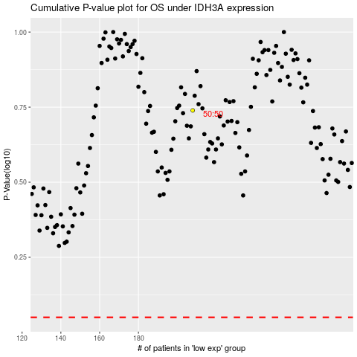

 |  |  |  |  |  | cases_OS | p_OS | rank | exp
 |  |  |  |  |  |  | cases_RFS | p_RFS | rank | exp

