IDH3G _multivariate
Reported by Tex Li-Hsing Chi. tex@gate.sinica.edu.tw 2019-08-19

Table 2. The clinicopathological features of HNSCC cohort and IDH3G expression. (Chi square test)
Cutoff at 0.054 (65.9%)
 |  | IDH3G expression |  | IDH3G expression |  | (Optimised)
 | Features | Low | (%) | High | (%) | Case no | P-value | Remark | Matthews
Gender | Female | 200 | 48.2 | 106 | 25.5 | 415 | 0.7179 | 0 | 0
2 | Male | 74 | 17.8 | 35 | 8.4
Age at diagnosis | <=65y | 175 | 42.2 | 99 | 23.9 | 415 | 0.2368 | 0 | 0
4 | >65y | 99 | 23.9 | 42 | 10.1
Clinical T Status | T1+T2 | 92 | 22.2 | 57 | 13.7 | 415 | 0.2043 | 0 | 0
6 | T3+T4 | 182 | 43.9 | 84 | 20.2
Clinical N Status | N0 | 151 | 36.4 | 65 | 15.7 | 415 | 0.1017 | 0 | 0
8 | N1-3 | 123 | 29.6 | 76 | 18.3
Clinical M Status | M0 | 274 | 66 | 138 | 33.3 | 415 | 0.0387 | 1 | 0
10 | M1 | 0 | 0 | 3 | 0.7
Clinical Stage | Stage I+II | 65 | 15.7 | 37 | 8.9 | 415 | 0.657 | 0 | 0
12 | Stage III+IV | 209 | 50.4 | 104 | 25.1
Surgical Margin status | Negative | 213 | 51.3 | 105 | 25.3 | 415 | 0.4646 | 0 | 0
14 | Positive | 61 | 14.7 | 36 | 8.7
Tobacco Exposure | Low | 103 | 24.8 | 58 | 14 | 415 | 0.5238 | 0 | 0
16 | High | 171 | 41.2 | 83 | 20

Table 3. Univariate/Multivariate Cox's proportional hazards regression analyses on OS time of IDH3G gene expression in HNSCC

 |  | Univariate |  |  |  | Multivariate
 | Features | HR | CI95%(L) | CI95%(H) | P-value | HR | CI95%(L) | CI95%(H) | P-value
1 | Female | 1 |  |  |  | 1
Gender | Male | 1.157 | 0.843 | 1.587 | 0.367 | 1.208 | 0.865 | 1.687 | 0.267
11 | <=65y | 1 |  |  |  | 1
Age at diagnosis | >65y | 1.329 | 0.99 | 1.784 | 0.058 | 1.413 | 1.04 | 1.921 | 0.027
12 | T1+T2 | 1 |  |  |  | 1
Clinical T Status | T3+T4 | 1.409 | 1.028 | 1.931 | 0.033 | 2.285 | 1.207 | 4.325 | 0.011
13 | N0 | 1 |  |  |  | 1
Clinical N Status | N1-3 | 1.185 | 0.89 | 1.577 | 0.246 | 1.214 | 0.851 | 1.732 | 0.285
14 | M0 | 1 |  |  |  | 1
Clinical M Status | M1 | 4.097 | 1.009 | 16.644 | 0.049 | 8.055 | 1.744 | 37.208 | 0.008
15 | Stage I+II | 1 |  |  |  | 1
Clinical Stage | Stage III+IV | 1.245 | 0.882 | 1.759 | 0.213 | 0.5 | 0.233 | 1.074 | 0.076
16 | Negative | 1 |  |  |  | 1
Surgical Margin status | Positive | 1.591 | 1.155 | 2.191 | 0.004 | 1.598 | 1.153 | 2.216 | 0.005
17 | Low | 1 |  |  |  | 1
Tobacco Exposure | High | 1.364 | 1.008 | 1.844 | 0.044 | 1.474 | 1.071 | 2.03 | 0.017
18 | Low | 1 |  |  |  | 1
RNAseq(z-score) | High | 1.376 | 1.022 | 1.852 | 0.035 | 1.352 | 0.996 | 1.836 | 0.053

Table 4. Univariate/Multivariate Cox's proportional hazards regression analyses on RFS time of IDH3G gene expression in HNSCC

 |  | Univariate |  |  |  | Multivariate
 | Features | HR | CI95%(L) | CI95%(H) | P-value | HR | CI95%(L) | CI95%(H) | P-value
1 | Female | 1 |  |  |  | 1
Gender | Male | 1.157 | 0.843 | 1.587 | 0.367 | 1.208 | 0.865 | 1.687 | 0.267
11 | <=65y | 1 |  |  |  | 1
Age at diagnosis | >65y | 1.329 | 0.99 | 1.784 | 0.058 | 1.413 | 1.04 | 1.921 | 0.027
12 | T1+T2 | 1 |  |  |  | 1
Clinical T Status | T3+T4 | 1.409 | 1.028 | 1.931 | 0.033 | 2.285 | 1.207 | 4.325 | 0.011
13 | N0 | 1 |  |  |  | 1
Clinical N Status | N1-3 | 1.185 | 0.89 | 1.577 | 0.246 | 1.214 | 0.851 | 1.732 | 0.285
14 | M0 | 1 |  |  |  | 1
Clinical M Status | M1 | 4.097 | 1.009 | 16.644 | 0.049 | 8.055 | 1.744 | 37.208 | 0.008
15 | Stage I+II | 1 |  |  |  | 1
Clinical Stage | Stage III+IV | 1.245 | 0.882 | 1.759 | 0.213 | 0.5 | 0.233 | 1.074 | 0.076
16 | Negative | 1 |  |  |  | 1
Surgical Margin status | Positive | 1.591 | 1.155 | 2.191 | 0.004 | 1.598 | 1.153 | 2.216 | 0.005
17 | Low | 1 |  |  |  | 1
Tobacco Exposure | High | 1.364 | 1.008 | 1.844 | 0.044 | 1.474 | 1.071 | 2.03 | 0.017
18 | Low | 1 |  |  |  | 1
RNAseq(z-score) | High | 1.376 | 1.022 | 1.852 | 0.035 | 1.352 | 0.996 | 1.836 | 0.053

Kaplan-Meier survival estimate: Cutoff at 0.054 (65.9%)

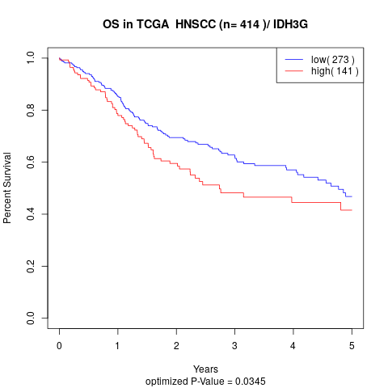

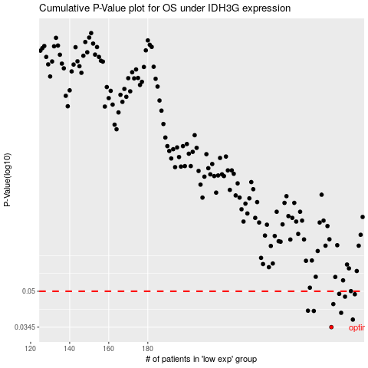

 |  |  |  |  |  | cases_OS | p_OS | rank | exp
 |  |  |  |  |  | 274 | 0.0345 | 180 | 0.054492461146
 |  |  |  |  |  | 285 | 0.0373 | 163 | 0.1071485624
 |  |  |  |  |  | 279 | 0.04 | 64 | 0.074793856135
 |  |  |  |  |  | 265 | 0.0408 | 99 | -0.002137250771
 |  |  |  |  |  | 262 | 0.0409 | 404 | -0.024628394001
 |  |  |  |  |  | 275 | 0.0438 | 186 | 0.060506252854
 |  |  |  |  |  | 281 | 0.0473 | 283 | 0.078390380823
 |  |  |  |  |  | 286 | 0.0485 | 325 | 0.11854062923
 |  |  |  |  |  | 278 | 0.0487 | 93 | 0.072508876404
 |  |  |  |  |  |  | cases_RFS | p_RFS | rank | exp
 |  |  |  |  |  |  | 273 | 0.0345 | 271 | 0.046779286564
 |  |  |  |  |  |  | 284 | 0.0373 | 193 | 0.1001096882
 |  |  |  |  |  |  | 278 | 0.04 | 93 | 0.072508876404
 |  |  |  |  |  |  | 264 | 0.0408 | 219 | -0.0081652504027
 |  |  |  |  |  |  | 261 | 0.0409 | 177 | -0.036045996692
 |  |  |  |  |  |  | 274 | 0.0438 | 180 | 0.054492461146
 |  |  |  |  |  |  | 280 | 0.0473 | 171 | 0.075047678772
 |  |  |  |  |  |  | 285 | 0.0485 | 163 | 0.1071485624
 |  |  |  |  |  |  | 277 | 0.0487 | 182 | 0.062563905806

