IDI1 _multivariate
Reported by Tex Li-Hsing Chi. tex@gate.sinica.edu.tw 2019-08-19

Table 2. The clinicopathological features of HNSCC cohort and IDI1 expression. (Chi square test)
Cutoff at -0.118 (58.0%)
 |  | IDI1 expression |  | IDI1 expression |  | (Optimised)
 | Features | Low | (%) | High | (%) | Case no | P-value | Remark | Matthews
Gender | Female | 182 | 43.9 | 124 | 29.9 | 415 | 0.3055 | 0 | 0
2 | Male | 58 | 14 | 51 | 12.3
Age at diagnosis | <=65y | 165 | 39.8 | 109 | 26.3 | 415 | 0.2048 | 0 | 0
4 | >65y | 75 | 18.1 | 66 | 15.9
Clinical T Status | T1+T2 | 89 | 21.4 | 60 | 14.5 | 415 | 0.629 | 0 | 0
6 | T3+T4 | 151 | 36.4 | 115 | 27.7
Clinical N Status | N0 | 124 | 29.9 | 92 | 22.2 | 415 | 0.9341 | 0 | 0
8 | N1-3 | 116 | 28 | 83 | 20
Clinical M Status | M0 | 238 | 57.3 | 174 | 41.9 | 415 | 1 | 0 | 0
10 | M1 | 2 | 0.5 | 1 | 0.2
Clinical Stage | Stage I+II | 59 | 14.2 | 43 | 10.4 | 415 | 1 | 0 | 0
12 | Stage III+IV | 181 | 43.6 | 132 | 31.8
Surgical Margin status | Negative | 191 | 46 | 127 | 30.6 | 415 | 0.1013 | 0 | 0
14 | Positive | 49 | 11.8 | 48 | 11.6
Tobacco Exposure | Low | 95 | 22.9 | 66 | 15.9 | 415 | 0.7597 | 0 | 0
16 | High | 145 | 34.9 | 109 | 26.3

Table 3. Univariate/Multivariate Cox's proportional hazards regression analyses on OS time of IDI1 gene expression in HNSCC

 |  | Univariate |  |  |  | Multivariate
 | Features | HR | CI95%(L) | CI95%(H) | P-value | HR | CI95%(L) | CI95%(H) | P-value
1 | Female | 1 |  |  |  | 1
Gender | Male | 1.157 | 0.843 | 1.587 | 0.367 | 1.178 | 0.843 | 1.645 | 0.338
11 | <=65y | 1 |  |  |  | 1
Age at diagnosis | >65y | 1.329 | 0.99 | 1.784 | 0.058 | 1.37 | 1.006 | 1.864 | 0.045
12 | T1+T2 | 1 |  |  |  | 1
Clinical T Status | T3+T4 | 1.409 | 1.028 | 1.931 | 0.033 | 2.163 | 1.143 | 4.093 | 0.018
13 | N0 | 1 |  |  |  | 1
Clinical N Status | N1-3 | 1.185 | 0.89 | 1.577 | 0.246 | 1.244 | 0.872 | 1.774 | 0.229
14 | M0 | 1 |  |  |  | 1
Clinical M Status | M1 | 4.097 | 1.009 | 16.644 | 0.049 | 9.256 | 2.018 | 42.448 | 0.004
15 | Stage I+II | 1 |  |  |  | 1
Clinical Stage | Stage III+IV | 1.245 | 0.882 | 1.759 | 0.213 | 0.509 | 0.237 | 1.091 | 0.083
16 | Negative | 1 |  |  |  | 1
Surgical Margin status | Positive | 1.591 | 1.155 | 2.191 | 0.004 | 1.63 | 1.177 | 2.257 | 0.003
17 | Low | 1 |  |  |  | 1
Tobacco Exposure | High | 1.364 | 1.008 | 1.844 | 0.044 | 1.443 | 1.046 | 1.99 | 0.025
18 | Low | 1 |  |  |  | 1
RNAseq(z-score) | High | 1.36 | 1.02 | 1.814 | 0.036 | 1.246 | 0.93 | 1.669 | 0.14

Table 4. Univariate/Multivariate Cox's proportional hazards regression analyses on RFS time of IDI1 gene expression in HNSCC

 |  | Univariate |  |  |  | Multivariate
 | Features | HR | CI95%(L) | CI95%(H) | P-value | HR | CI95%(L) | CI95%(H) | P-value
1 | Female | 1 |  |  |  | 1
Gender | Male | 1.157 | 0.843 | 1.587 | 0.367 | 1.178 | 0.843 | 1.645 | 0.338
11 | <=65y | 1 |  |  |  | 1
Age at diagnosis | >65y | 1.329 | 0.99 | 1.784 | 0.058 | 1.37 | 1.006 | 1.864 | 0.045
12 | T1+T2 | 1 |  |  |  | 1
Clinical T Status | T3+T4 | 1.409 | 1.028 | 1.931 | 0.033 | 2.163 | 1.143 | 4.093 | 0.018
13 | N0 | 1 |  |  |  | 1
Clinical N Status | N1-3 | 1.185 | 0.89 | 1.577 | 0.246 | 1.244 | 0.872 | 1.774 | 0.229
14 | M0 | 1 |  |  |  | 1
Clinical M Status | M1 | 4.097 | 1.009 | 16.644 | 0.049 | 9.256 | 2.018 | 42.448 | 0.004
15 | Stage I+II | 1 |  |  |  | 1
Clinical Stage | Stage III+IV | 1.245 | 0.882 | 1.759 | 0.213 | 0.509 | 0.237 | 1.091 | 0.083
16 | Negative | 1 |  |  |  | 1
Surgical Margin status | Positive | 1.591 | 1.155 | 2.191 | 0.004 | 1.63 | 1.177 | 2.257 | 0.003
17 | Low | 1 |  |  |  | 1
Tobacco Exposure | High | 1.364 | 1.008 | 1.844 | 0.044 | 1.443 | 1.046 | 1.99 | 0.025
18 | Low | 1 |  |  |  | 1
RNAseq(z-score) | High | 1.36 | 1.02 | 1.814 | 0.036 | 1.246 | 0.93 | 1.669 | 0.14

Kaplan-Meier survival estimate: Cutoff at -0.118 (58.0%)

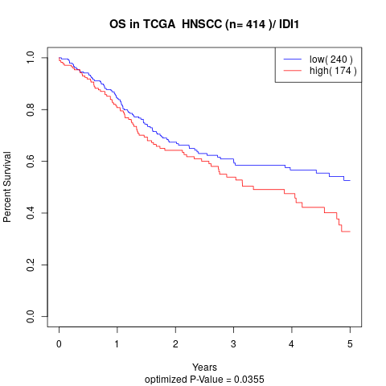

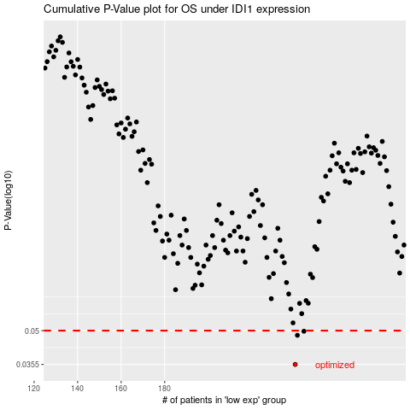

 |  |  |  |  |  | cases_OS | p_OS | rank | exp
 |  |  |  |  |  | 240 | 0.0355 | 88 | -0.11790666095
 |  |  |  |  |  | 241 | 0.0477 | 43 | -0.10863111586
 |  |  |  |  |  | 244 | 0.0497 | 191 | -0.09612131213
 |  |  |  |  |  |  | cases_RFS | p_RFS | rank | exp
 |  |  |  |  |  |  | 239 | 0.0355 | 232 | -0.12198869115
 |  |  |  |  |  |  | 240 | 0.0477 | 88 | -0.11790666095
 |  |  |  |  |  |  | 243 | 0.0497 | 170 | -0.10208636293

