IDO1 _multivariate
Reported by Tex Li-Hsing Chi. tex@gate.sinica.edu.tw 2019-08-19

Table 2. The clinicopathological features of HNSCC cohort and IDO1 expression. (Chi square test)
Cutoff at -0.358 (49.8%)
 |  | IDO1 expression |  | IDO1 expression |  | (Optimised)
 | Features | Low | (%) | High | (%) | Case no | P-value | Remark | Matthews
Gender | Female | 154 | 37.1 | 152 | 36.6 | 415 | 0.8463 | 0 | 0
2 | Male | 53 | 12.8 | 56 | 13.5
Age at diagnosis | <=65y | 147 | 35.4 | 127 | 30.6 | 415 | 0.0416 | 1 | 0
4 | >65y | 60 | 14.5 | 81 | 19.5
Clinical T Status | T1+T2 | 57 | 13.7 | 92 | 22.2 | 415 | 6e-04 | 1 | 0
6 | T3+T4 | 150 | 36.1 | 116 | 28
Clinical N Status | N0 | 111 | 26.7 | 105 | 25.3 | 415 | 0.5875 | 0 | 0
8 | N1-3 | 96 | 23.1 | 103 | 24.8
Clinical M Status | M0 | 207 | 49.9 | 205 | 49.4 | 415 | 0.2482 | 0 | 0
10 | M1 | 0 | 0 | 3 | 0.7
Clinical Stage | Stage I+II | 42 | 10.1 | 60 | 14.5 | 415 | 0.0561 | 0 | 0
12 | Stage III+IV | 165 | 39.8 | 148 | 35.7
Surgical Margin status | Negative | 158 | 38.1 | 160 | 38.6 | 415 | 0.9081 | 0 | 0
14 | Positive | 49 | 11.8 | 48 | 11.6
Tobacco Exposure | Low | 68 | 16.4 | 93 | 22.4 | 415 | 0.0156 | 1 | 0
16 | High | 139 | 33.5 | 115 | 27.7

Table 3. Univariate/Multivariate Cox's proportional hazards regression analyses on OS time of IDO1 gene expression in HNSCC

 |  | Univariate |  |  |  | Multivariate
 | Features | HR | CI95%(L) | CI95%(H) | P-value | HR | CI95%(L) | CI95%(H) | P-value
1 | Female | 1 |  |  |  | 1
Gender | Male | 1.157 | 0.843 | 1.587 | 0.367 | 1.191 | 0.852 | 1.665 | 0.306
11 | <=65y | 1 |  |  |  | 1
Age at diagnosis | >65y | 1.329 | 0.99 | 1.784 | 0.058 | 1.401 | 1.031 | 1.905 | 0.031
12 | T1+T2 | 1 |  |  |  | 1
Clinical T Status | T3+T4 | 1.409 | 1.028 | 1.931 | 0.033 | 2.16 | 1.141 | 4.089 | 0.018
13 | N0 | 1 |  |  |  | 1
Clinical N Status | N1-3 | 1.185 | 0.89 | 1.577 | 0.246 | 1.254 | 0.878 | 1.791 | 0.213
14 | M0 | 1 |  |  |  | 1
Clinical M Status | M1 | 4.097 | 1.009 | 16.644 | 0.049 | 9.859 | 2.142 | 45.372 | 0.003
15 | Stage I+II | 1 |  |  |  | 1
Clinical Stage | Stage III+IV | 1.245 | 0.882 | 1.759 | 0.213 | 0.504 | 0.235 | 1.081 | 0.078
16 | Negative | 1 |  |  |  | 1
Surgical Margin status | Positive | 1.591 | 1.155 | 2.191 | 0.004 | 1.682 | 1.217 | 2.325 | 0.002
17 | Low | 1 |  |  |  | 1
Tobacco Exposure | High | 1.364 | 1.008 | 1.844 | 0.044 | 1.417 | 1.023 | 1.962 | 0.036
18 | Low | 1 |  |  |  | 1
RNAseq(z-score) | High | 0.854 | 0.641 | 1.138 | 0.28 | 0.879 | 0.652 | 1.184 | 0.395

Table 4. Univariate/Multivariate Cox's proportional hazards regression analyses on RFS time of IDO1 gene expression in HNSCC

 |  | Univariate |  |  |  | Multivariate
 | Features | HR | CI95%(L) | CI95%(H) | P-value | HR | CI95%(L) | CI95%(H) | P-value
1 | Female | 1 |  |  |  | 1
Gender | Male | 1.157 | 0.843 | 1.587 | 0.367 | 1.191 | 0.852 | 1.665 | 0.306
11 | <=65y | 1 |  |  |  | 1
Age at diagnosis | >65y | 1.329 | 0.99 | 1.784 | 0.058 | 1.401 | 1.031 | 1.905 | 0.031
12 | T1+T2 | 1 |  |  |  | 1
Clinical T Status | T3+T4 | 1.409 | 1.028 | 1.931 | 0.033 | 2.16 | 1.141 | 4.089 | 0.018
13 | N0 | 1 |  |  |  | 1
Clinical N Status | N1-3 | 1.185 | 0.89 | 1.577 | 0.246 | 1.254 | 0.878 | 1.791 | 0.213
14 | M0 | 1 |  |  |  | 1
Clinical M Status | M1 | 4.097 | 1.009 | 16.644 | 0.049 | 9.859 | 2.142 | 45.372 | 0.003
15 | Stage I+II | 1 |  |  |  | 1
Clinical Stage | Stage III+IV | 1.245 | 0.882 | 1.759 | 0.213 | 0.504 | 0.235 | 1.081 | 0.078
16 | Negative | 1 |  |  |  | 1
Surgical Margin status | Positive | 1.591 | 1.155 | 2.191 | 0.004 | 1.682 | 1.217 | 2.325 | 0.002
17 | Low | 1 |  |  |  | 1
Tobacco Exposure | High | 1.364 | 1.008 | 1.844 | 0.044 | 1.417 | 1.023 | 1.962 | 0.036
18 | Low | 1 |  |  |  | 1
RNAseq(z-score) | High | 0.854 | 0.641 | 1.138 | 0.28 | 0.879 | 0.652 | 1.184 | 0.395

Kaplan-Meier survival estimate: Cutoff at -0.358 (49.8%)



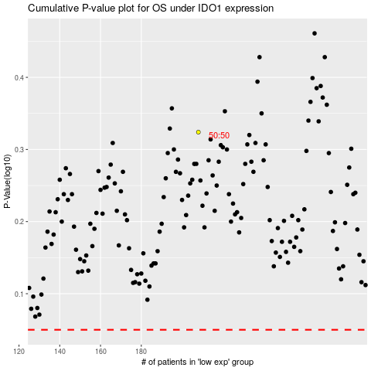

 |  |  |  |  |  | cases_OS | p_OS | rank | exp
 |  |  |  |  |  |  | cases_RFS | p_RFS | rank | exp

