IER2 _multivariate
Reported by Tex Li-Hsing Chi. tex@gate.sinica.edu.tw 2019-08-19

Table 2. The clinicopathological features of HNSCC cohort and IER2 expression. (Chi square test)
Cutoff at -0.619 (30.7%)
 |  | IER2 expression |  | IER2 expression |  | (Optimised)
 | Features | Low | (%) | High | (%) | Case no | P-value | Remark | Matthews
Gender | Female | 100 | 24.1 | 206 | 49.6 | 415 | 0.1563 | 0 | 0
2 | Male | 27 | 6.5 | 82 | 19.8
Age at diagnosis | <=65y | 82 | 19.8 | 192 | 46.3 | 415 | 0.7613 | 0 | 0
4 | >65y | 45 | 10.8 | 96 | 23.1
Clinical T Status | T1+T2 | 33 | 8 | 116 | 28 | 415 | 0.0072 | 1 | 0
6 | T3+T4 | 94 | 22.7 | 172 | 41.4
Clinical N Status | N0 | 51 | 12.3 | 165 | 39.8 | 415 | 0.0019 | 1 | 0
8 | N1-3 | 76 | 18.3 | 123 | 29.6
Clinical M Status | M0 | 127 | 30.6 | 285 | 68.7 | 415 | 0.5562 | 0 | 0
10 | M1 | 0 | 0 | 3 | 0.7
Clinical Stage | Stage I+II | 23 | 5.5 | 79 | 19 | 415 | 0.0563 | 0 | 0
12 | Stage III+IV | 104 | 25.1 | 209 | 50.4
Surgical Margin status | Negative | 102 | 24.6 | 216 | 52 | 415 | 0.2593 | 0 | 0
14 | Positive | 25 | 6 | 72 | 17.3
Tobacco Exposure | Low | 39 | 9.4 | 122 | 29.4 | 415 | 0.0287 | 1 | 0
16 | High | 88 | 21.2 | 166 | 40

Table 3. Univariate/Multivariate Cox's proportional hazards regression analyses on OS time of IER2 gene expression in HNSCC

 |  | Univariate |  |  |  | Multivariate
 | Features | HR | CI95%(L) | CI95%(H) | P-value | HR | CI95%(L) | CI95%(H) | P-value
1 | Female | 1 |  |  |  | 1
Gender | Male | 1.157 | 0.843 | 1.587 | 0.367 | 1.232 | 0.881 | 1.721 | 0.222
11 | <=65y | 1 |  |  |  | 1
Age at diagnosis | >65y | 1.329 | 0.99 | 1.784 | 0.058 | 1.354 | 0.994 | 1.844 | 0.054
12 | T1+T2 | 1 |  |  |  | 1
Clinical T Status | T3+T4 | 1.409 | 1.028 | 1.931 | 0.033 | 2.073 | 1.092 | 3.937 | 0.026
13 | N0 | 1 |  |  |  | 1
Clinical N Status | N1-3 | 1.185 | 0.89 | 1.577 | 0.246 | 1.174 | 0.818 | 1.686 | 0.383
14 | M0 | 1 |  |  |  | 1
Clinical M Status | M1 | 4.097 | 1.009 | 16.644 | 0.049 | 10.154 | 2.208 | 46.692 | 0.003
15 | Stage I+II | 1 |  |  |  | 1
Clinical Stage | Stage III+IV | 1.245 | 0.882 | 1.759 | 0.213 | 0.53 | 0.246 | 1.14 | 0.104
16 | Negative | 1 |  |  |  | 1
Surgical Margin status | Positive | 1.591 | 1.155 | 2.191 | 0.004 | 1.732 | 1.25 | 2.4 | 0.001
17 | Low | 1 |  |  |  | 1
Tobacco Exposure | High | 1.364 | 1.008 | 1.844 | 0.044 | 1.416 | 1.028 | 1.951 | 0.033
18 | Low | 1 |  |  |  | 1
RNAseq(z-score) | High | 0.725 | 0.535 | 0.981 | 0.037 | 0.752 | 0.547 | 1.036 | 0.081

Table 4. Univariate/Multivariate Cox's proportional hazards regression analyses on RFS time of IER2 gene expression in HNSCC

 |  | Univariate |  |  |  | Multivariate
 | Features | HR | CI95%(L) | CI95%(H) | P-value | HR | CI95%(L) | CI95%(H) | P-value
1 | Female | 1 |  |  |  | 1
Gender | Male | 1.157 | 0.843 | 1.587 | 0.367 | 1.232 | 0.881 | 1.721 | 0.222
11 | <=65y | 1 |  |  |  | 1
Age at diagnosis | >65y | 1.329 | 0.99 | 1.784 | 0.058 | 1.354 | 0.994 | 1.844 | 0.054
12 | T1+T2 | 1 |  |  |  | 1
Clinical T Status | T3+T4 | 1.409 | 1.028 | 1.931 | 0.033 | 2.073 | 1.092 | 3.937 | 0.026
13 | N0 | 1 |  |  |  | 1
Clinical N Status | N1-3 | 1.185 | 0.89 | 1.577 | 0.246 | 1.174 | 0.818 | 1.686 | 0.383
14 | M0 | 1 |  |  |  | 1
Clinical M Status | M1 | 4.097 | 1.009 | 16.644 | 0.049 | 10.154 | 2.208 | 46.692 | 0.003
15 | Stage I+II | 1 |  |  |  | 1
Clinical Stage | Stage III+IV | 1.245 | 0.882 | 1.759 | 0.213 | 0.53 | 0.246 | 1.14 | 0.104
16 | Negative | 1 |  |  |  | 1
Surgical Margin status | Positive | 1.591 | 1.155 | 2.191 | 0.004 | 1.732 | 1.25 | 2.4 | 0.001
17 | Low | 1 |  |  |  | 1
Tobacco Exposure | High | 1.364 | 1.008 | 1.844 | 0.044 | 1.416 | 1.028 | 1.951 | 0.033
18 | Low | 1 |  |  |  | 1
RNAseq(z-score) | High | 0.725 | 0.535 | 0.981 | 0.037 | 0.752 | 0.547 | 1.036 | 0.081

Kaplan-Meier survival estimate: Cutoff at -0.619 (30.7%)



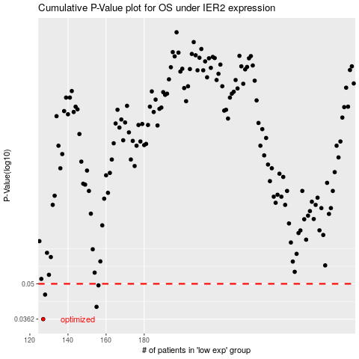

 |  |  |  |  |  | cases_OS | p_OS | rank | exp
 |  |  |  |  |  | 127 | 0.0362 | 135 | -0.61891788975
 |  |  |  |  |  | 155 | 0.0405 | 392 | -0.54425906746
 |  |  |  |  |  | 128 | 0.0453 | 63 | -0.61642834651
 |  |  |  |  |  | 156 | 0.0493 | 169 | -0.54129726533
 |  |  |  |  |  |  | cases_RFS | p_RFS | rank | exp
 |  |  |  |  |  |  | 126 | 0.0362 | 124 | -0.6198941825
 |  |  |  |  |  |  | 154 | 0.0405 | 159 | -0.54509293084
 |  |  |  |  |  |  | 127 | 0.0453 | 135 | -0.61891788975
 |  |  |  |  |  |  | 155 | 0.0493 | 392 | -0.54425906746

