IER3IP1 _multivariate
Reported by Tex Li-Hsing Chi. tex@gate.sinica.edu.tw 2019-08-19

Table 2. The clinicopathological features of HNSCC cohort and IER3IP1 expression. (Chi square test)
Cutoff at -0.289 (49.8%)
 |  | IER3IP1 expression |  | IER3IP1 expression |  | (Optimised)
 | Features | Low | (%) | High | (%) | Case no | P-value | Remark | Matthews
Gender | Female | 150 | 36.1 | 156 | 37.6 | 415 | 0.6344 | 0 | 0
2 | Male | 57 | 13.7 | 52 | 12.5
Age at diagnosis | <=65y | 134 | 32.3 | 140 | 33.7 | 415 | 0.6529 | 0 | 0
4 | >65y | 73 | 17.6 | 68 | 16.4
Clinical T Status | T1+T2 | 79 | 19 | 70 | 16.9 | 415 | 0.3924 | 0 | 0
6 | T3+T4 | 128 | 30.8 | 138 | 33.3
Clinical N Status | N0 | 105 | 25.3 | 111 | 26.7 | 415 | 0.6598 | 0 | 0
8 | N1-3 | 102 | 24.6 | 97 | 23.4
Clinical M Status | M0 | 205 | 49.4 | 207 | 49.9 | 415 | 0.6232 | 0 | 0
10 | M1 | 2 | 0.5 | 1 | 0.2
Clinical Stage | Stage I+II | 57 | 13.7 | 45 | 10.8 | 415 | 0.1998 | 0 | 0
12 | Stage III+IV | 150 | 36.1 | 163 | 39.3
Surgical Margin status | Negative | 167 | 40.2 | 151 | 36.4 | 415 | 0.0632 | 0 | 0
14 | Positive | 40 | 9.6 | 57 | 13.7
Tobacco Exposure | Low | 79 | 19 | 82 | 19.8 | 415 | 0.8405 | 0 | 0
16 | High | 128 | 30.8 | 126 | 30.4

Table 3. Univariate/Multivariate Cox's proportional hazards regression analyses on OS time of IER3IP1 gene expression in HNSCC

 |  | Univariate |  |  |  | Multivariate
 | Features | HR | CI95%(L) | CI95%(H) | P-value | HR | CI95%(L) | CI95%(H) | P-value
1 | Female | 1 |  |  |  | 1
Gender | Male | 1.157 | 0.843 | 1.587 | 0.367 | 1.186 | 0.848 | 1.658 | 0.32
11 | <=65y | 1 |  |  |  | 1
Age at diagnosis | >65y | 1.329 | 0.99 | 1.784 | 0.058 | 1.378 | 1.013 | 1.875 | 0.041
12 | T1+T2 | 1 |  |  |  | 1
Clinical T Status | T3+T4 | 1.409 | 1.028 | 1.931 | 0.033 | 2.181 | 1.154 | 4.124 | 0.016
13 | N0 | 1 |  |  |  | 1
Clinical N Status | N1-3 | 1.185 | 0.89 | 1.577 | 0.246 | 1.216 | 0.851 | 1.736 | 0.283
14 | M0 | 1 |  |  |  | 1
Clinical M Status | M1 | 4.097 | 1.009 | 16.644 | 0.049 | 9.131 | 1.991 | 41.885 | 0.004
15 | Stage I+II | 1 |  |  |  | 1
Clinical Stage | Stage III+IV | 1.245 | 0.882 | 1.759 | 0.213 | 0.524 | 0.243 | 1.127 | 0.098
16 | Negative | 1 |  |  |  | 1
Surgical Margin status | Positive | 1.591 | 1.155 | 2.191 | 0.004 | 1.736 | 1.251 | 2.41 | 0.001
17 | Low | 1 |  |  |  | 1
Tobacco Exposure | High | 1.364 | 1.008 | 1.844 | 0.044 | 1.465 | 1.061 | 2.022 | 0.02
18 | Low | 1 |  |  |  | 1
RNAseq(z-score) | High | 0.853 | 0.64 | 1.137 | 0.278 | 0.813 | 0.606 | 1.093 | 0.17

Table 4. Univariate/Multivariate Cox's proportional hazards regression analyses on RFS time of IER3IP1 gene expression in HNSCC

 |  | Univariate |  |  |  | Multivariate
 | Features | HR | CI95%(L) | CI95%(H) | P-value | HR | CI95%(L) | CI95%(H) | P-value
1 | Female | 1 |  |  |  | 1
Gender | Male | 1.157 | 0.843 | 1.587 | 0.367 | 1.186 | 0.848 | 1.658 | 0.32
11 | <=65y | 1 |  |  |  | 1
Age at diagnosis | >65y | 1.329 | 0.99 | 1.784 | 0.058 | 1.378 | 1.013 | 1.875 | 0.041
12 | T1+T2 | 1 |  |  |  | 1
Clinical T Status | T3+T4 | 1.409 | 1.028 | 1.931 | 0.033 | 2.181 | 1.154 | 4.124 | 0.016
13 | N0 | 1 |  |  |  | 1
Clinical N Status | N1-3 | 1.185 | 0.89 | 1.577 | 0.246 | 1.216 | 0.851 | 1.736 | 0.283
14 | M0 | 1 |  |  |  | 1
Clinical M Status | M1 | 4.097 | 1.009 | 16.644 | 0.049 | 9.131 | 1.991 | 41.885 | 0.004
15 | Stage I+II | 1 |  |  |  | 1
Clinical Stage | Stage III+IV | 1.245 | 0.882 | 1.759 | 0.213 | 0.524 | 0.243 | 1.127 | 0.098
16 | Negative | 1 |  |  |  | 1
Surgical Margin status | Positive | 1.591 | 1.155 | 2.191 | 0.004 | 1.736 | 1.251 | 2.41 | 0.001
17 | Low | 1 |  |  |  | 1
Tobacco Exposure | High | 1.364 | 1.008 | 1.844 | 0.044 | 1.465 | 1.061 | 2.022 | 0.02
18 | Low | 1 |  |  |  | 1
RNAseq(z-score) | High | 0.853 | 0.64 | 1.137 | 0.278 | 0.813 | 0.606 | 1.093 | 0.17

Kaplan-Meier survival estimate: Cutoff at -0.289 (49.8%)



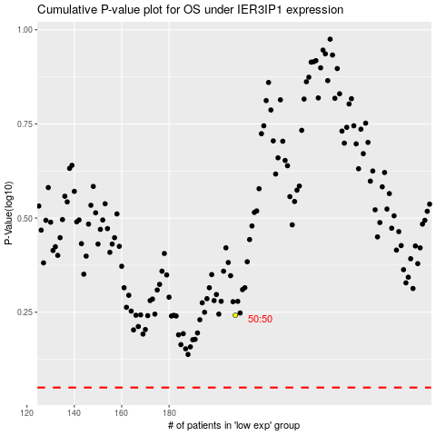

 |  |  |  |  |  | cases_OS | p_OS | rank | exp
 |  |  |  |  |  |  | cases_RFS | p_RFS | rank | exp

