IER5 _multivariate
Reported by Tex Li-Hsing Chi. tex@gate.sinica.edu.tw 2019-08-19

Table 2. The clinicopathological features of HNSCC cohort and IER5 expression. (Chi square test)
Cutoff at -0.138 (50.0%)
 |  | IER5 expression |  | IER5 expression |  | (Optimised)
 | Features | Low | (%) | High | (%) | Case no | P-value | Remark | Matthews
Gender | Female | 156 | 37.6 | 150 | 36.1 | 415 | 0.5222 | 0 | 0
2 | Male | 51 | 12.3 | 58 | 14
Age at diagnosis | <=65y | 142 | 34.2 | 132 | 31.8 | 415 | 0.3167 | 0 | 0
4 | >65y | 65 | 15.7 | 76 | 18.3
Clinical T Status | T1+T2 | 74 | 17.8 | 75 | 18.1 | 415 | 1 | 0 | 0
6 | T3+T4 | 133 | 32 | 133 | 32
Clinical N Status | N0 | 109 | 26.3 | 107 | 25.8 | 415 | 0.8812 | 0 | 0
8 | N1-3 | 98 | 23.6 | 101 | 24.3
Clinical M Status | M0 | 207 | 49.9 | 205 | 49.4 | 415 | 0.2482 | 0 | 0
10 | M1 | 0 | 0 | 3 | 0.7
Clinical Stage | Stage I+II | 50 | 12 | 52 | 12.5 | 415 | 0.9315 | 0 | 0
12 | Stage III+IV | 157 | 37.8 | 156 | 37.6
Surgical Margin status | Negative | 162 | 39 | 156 | 37.6 | 415 | 0.4867 | 0 | 0
14 | Positive | 45 | 10.8 | 52 | 12.5
Tobacco Exposure | Low | 66 | 15.9 | 95 | 22.9 | 415 | 0.0048 | 1 | 0
16 | High | 141 | 34 | 113 | 27.2

Table 3. Univariate/Multivariate Cox's proportional hazards regression analyses on OS time of IER5 gene expression in HNSCC

 |  | Univariate |  |  |  | Multivariate
 | Features | HR | CI95%(L) | CI95%(H) | P-value | HR | CI95%(L) | CI95%(H) | P-value
1 | Female | 1 |  |  |  | 1
Gender | Male | 1.157 | 0.843 | 1.587 | 0.367 | 1.193 | 0.854 | 1.667 | 0.301
11 | <=65y | 1 |  |  |  | 1
Age at diagnosis | >65y | 1.329 | 0.99 | 1.784 | 0.058 | 1.395 | 1.026 | 1.896 | 0.034
12 | T1+T2 | 1 |  |  |  | 1
Clinical T Status | T3+T4 | 1.409 | 1.028 | 1.931 | 0.033 | 2.194 | 1.161 | 4.148 | 0.016
13 | N0 | 1 |  |  |  | 1
Clinical N Status | N1-3 | 1.185 | 0.89 | 1.577 | 0.246 | 1.243 | 0.871 | 1.772 | 0.231
14 | M0 | 1 |  |  |  | 1
Clinical M Status | M1 | 4.097 | 1.009 | 16.644 | 0.049 | 8.77 | 1.898 | 40.521 | 0.005
15 | Stage I+II | 1 |  |  |  | 1
Clinical Stage | Stage III+IV | 1.245 | 0.882 | 1.759 | 0.213 | 0.509 | 0.237 | 1.092 | 0.083
16 | Negative | 1 |  |  |  | 1
Surgical Margin status | Positive | 1.591 | 1.155 | 2.191 | 0.004 | 1.637 | 1.181 | 2.269 | 0.003
17 | Low | 1 |  |  |  | 1
Tobacco Exposure | High | 1.364 | 1.008 | 1.844 | 0.044 | 1.478 | 1.07 | 2.042 | 0.018
18 | Low | 1 |  |  |  | 1
RNAseq(z-score) | High | 1.176 | 0.883 | 1.567 | 0.268 | 1.138 | 0.847 | 1.53 | 0.392

Table 4. Univariate/Multivariate Cox's proportional hazards regression analyses on RFS time of IER5 gene expression in HNSCC

 |  | Univariate |  |  |  | Multivariate
 | Features | HR | CI95%(L) | CI95%(H) | P-value | HR | CI95%(L) | CI95%(H) | P-value
1 | Female | 1 |  |  |  | 1
Gender | Male | 1.157 | 0.843 | 1.587 | 0.367 | 1.193 | 0.854 | 1.667 | 0.301
11 | <=65y | 1 |  |  |  | 1
Age at diagnosis | >65y | 1.329 | 0.99 | 1.784 | 0.058 | 1.395 | 1.026 | 1.896 | 0.034
12 | T1+T2 | 1 |  |  |  | 1
Clinical T Status | T3+T4 | 1.409 | 1.028 | 1.931 | 0.033 | 2.194 | 1.161 | 4.148 | 0.016
13 | N0 | 1 |  |  |  | 1
Clinical N Status | N1-3 | 1.185 | 0.89 | 1.577 | 0.246 | 1.243 | 0.871 | 1.772 | 0.231
14 | M0 | 1 |  |  |  | 1
Clinical M Status | M1 | 4.097 | 1.009 | 16.644 | 0.049 | 8.77 | 1.898 | 40.521 | 0.005
15 | Stage I+II | 1 |  |  |  | 1
Clinical Stage | Stage III+IV | 1.245 | 0.882 | 1.759 | 0.213 | 0.509 | 0.237 | 1.092 | 0.083
16 | Negative | 1 |  |  |  | 1
Surgical Margin status | Positive | 1.591 | 1.155 | 2.191 | 0.004 | 1.637 | 1.181 | 2.269 | 0.003
17 | Low | 1 |  |  |  | 1
Tobacco Exposure | High | 1.364 | 1.008 | 1.844 | 0.044 | 1.478 | 1.07 | 2.042 | 0.018
18 | Low | 1 |  |  |  | 1
RNAseq(z-score) | High | 1.176 | 0.883 | 1.567 | 0.268 | 1.138 | 0.847 | 1.53 | 0.392

Kaplan-Meier survival estimate: Cutoff at -0.138 (50.0%)



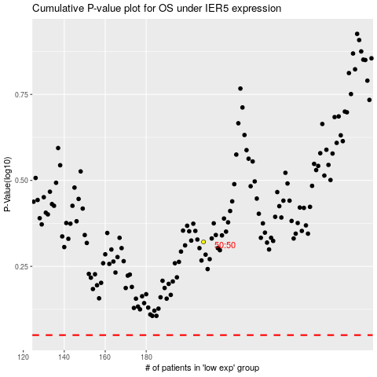

 |  |  |  |  |  | cases_OS | p_OS | rank | exp
 |  |  |  |  |  |  | cases_RFS | p_RFS | rank | exp

