IFFO2 _multivariate
Reported by Tex Li-Hsing Chi. tex@gate.sinica.edu.tw 2019-08-19

Table 2. The clinicopathological features of HNSCC cohort and IFFO2 expression. (Chi square test)
Cutoff at -0.259 (50.0%)
 |  | IFFO2 expression |  | IFFO2 expression |  | (Optimised)
 | Features | Low | (%) | High | (%) | Case no | P-value | Remark | Matthews
Gender | Female | 163 | 39.3 | 143 | 34.5 | 415 | 0.0277 | 1 | 0
2 | Male | 44 | 10.6 | 65 | 15.7
Age at diagnosis | <=65y | 139 | 33.5 | 135 | 32.5 | 415 | 0.7044 | 0 | 0
4 | >65y | 68 | 16.4 | 73 | 17.6
Clinical T Status | T1+T2 | 74 | 17.8 | 75 | 18.1 | 415 | 1 | 0 | 0
6 | T3+T4 | 133 | 32 | 133 | 32
Clinical N Status | N0 | 88 | 21.2 | 128 | 30.8 | 415 | 2e-04 | 1 | 0
8 | N1-3 | 119 | 28.7 | 80 | 19.3
Clinical M Status | M0 | 205 | 49.4 | 207 | 49.9 | 415 | 0.6232 | 0 | 0
10 | M1 | 2 | 0.5 | 1 | 0.2
Clinical Stage | Stage I+II | 43 | 10.4 | 59 | 14.2 | 415 | 0.0925 | 0 | 0
12 | Stage III+IV | 164 | 39.5 | 149 | 35.9
Surgical Margin status | Negative | 153 | 36.9 | 165 | 39.8 | 415 | 0.2036 | 0 | 0
14 | Positive | 54 | 13 | 43 | 10.4
Tobacco Exposure | Low | 69 | 16.6 | 92 | 22.2 | 415 | 0.0266 | 1 | 0
16 | High | 138 | 33.3 | 116 | 28

Table 3. Univariate/Multivariate Cox's proportional hazards regression analyses on OS time of IFFO2 gene expression in HNSCC

 |  | Univariate |  |  |  | Multivariate
 | Features | HR | CI95%(L) | CI95%(H) | P-value | HR | CI95%(L) | CI95%(H) | P-value
1 | Female | 1 |  |  |  | 1
Gender | Male | 1.157 | 0.843 | 1.587 | 0.367 | 1.257 | 0.897 | 1.762 | 0.185
11 | <=65y | 1 |  |  |  | 1
Age at diagnosis | >65y | 1.329 | 0.99 | 1.784 | 0.058 | 1.398 | 1.028 | 1.9 | 0.033
12 | T1+T2 | 1 |  |  |  | 1
Clinical T Status | T3+T4 | 1.409 | 1.028 | 1.931 | 0.033 | 2.226 | 1.178 | 4.208 | 0.014
13 | N0 | 1 |  |  |  | 1
Clinical N Status | N1-3 | 1.185 | 0.89 | 1.577 | 0.246 | 1.174 | 0.818 | 1.687 | 0.384
14 | M0 | 1 |  |  |  | 1
Clinical M Status | M1 | 4.097 | 1.009 | 16.644 | 0.049 | 9.562 | 2.085 | 43.856 | 0.004
15 | Stage I+II | 1 |  |  |  | 1
Clinical Stage | Stage III+IV | 1.245 | 0.882 | 1.759 | 0.213 | 0.504 | 0.235 | 1.081 | 0.078
16 | Negative | 1 |  |  |  | 1
Surgical Margin status | Positive | 1.591 | 1.155 | 2.191 | 0.004 | 1.636 | 1.183 | 2.263 | 0.003
17 | Low | 1 |  |  |  | 1
Tobacco Exposure | High | 1.364 | 1.008 | 1.844 | 0.044 | 1.441 | 1.045 | 1.986 | 0.026
18 | Low | 1 |  |  |  | 1
RNAseq(z-score) | High | 0.763 | 0.572 | 1.017 | 0.065 | 0.781 | 0.577 | 1.057 | 0.11

Table 4. Univariate/Multivariate Cox's proportional hazards regression analyses on RFS time of IFFO2 gene expression in HNSCC

 |  | Univariate |  |  |  | Multivariate
 | Features | HR | CI95%(L) | CI95%(H) | P-value | HR | CI95%(L) | CI95%(H) | P-value
1 | Female | 1 |  |  |  | 1
Gender | Male | 1.157 | 0.843 | 1.587 | 0.367 | 1.257 | 0.897 | 1.762 | 0.185
11 | <=65y | 1 |  |  |  | 1
Age at diagnosis | >65y | 1.329 | 0.99 | 1.784 | 0.058 | 1.398 | 1.028 | 1.9 | 0.033
12 | T1+T2 | 1 |  |  |  | 1
Clinical T Status | T3+T4 | 1.409 | 1.028 | 1.931 | 0.033 | 2.226 | 1.178 | 4.208 | 0.014
13 | N0 | 1 |  |  |  | 1
Clinical N Status | N1-3 | 1.185 | 0.89 | 1.577 | 0.246 | 1.174 | 0.818 | 1.687 | 0.384
14 | M0 | 1 |  |  |  | 1
Clinical M Status | M1 | 4.097 | 1.009 | 16.644 | 0.049 | 9.562 | 2.085 | 43.856 | 0.004
15 | Stage I+II | 1 |  |  |  | 1
Clinical Stage | Stage III+IV | 1.245 | 0.882 | 1.759 | 0.213 | 0.504 | 0.235 | 1.081 | 0.078
16 | Negative | 1 |  |  |  | 1
Surgical Margin status | Positive | 1.591 | 1.155 | 2.191 | 0.004 | 1.636 | 1.183 | 2.263 | 0.003
17 | Low | 1 |  |  |  | 1
Tobacco Exposure | High | 1.364 | 1.008 | 1.844 | 0.044 | 1.441 | 1.045 | 1.986 | 0.026
18 | Low | 1 |  |  |  | 1
RNAseq(z-score) | High | 0.763 | 0.572 | 1.017 | 0.065 | 0.781 | 0.577 | 1.057 | 0.11

Kaplan-Meier survival estimate: Cutoff at -0.259 (50.0%)

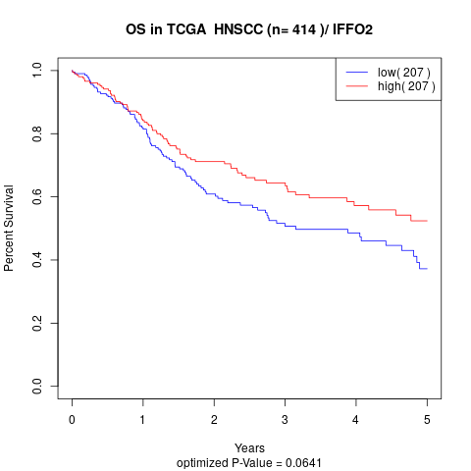

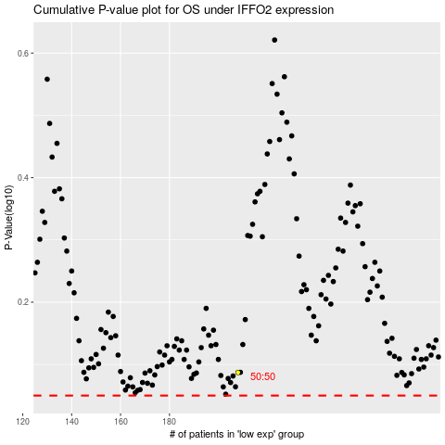

 |  |  |  |  |  | cases_OS | p_OS | rank | exp
 |  |  |  |  |  |  | cases_RFS | p_RFS | rank | exp

