IFI16 _multivariate
Reported by Tex Li-Hsing Chi. tex@gate.sinica.edu.tw 2019-08-19

Table 2. The clinicopathological features of HNSCC cohort and IFI16 expression. (Chi square test)
Cutoff at -0.095 (50.0%)
 |  | IFI16 expression |  | IFI16 expression |  | (Optimised)
 | Features | Low | (%) | High | (%) | Case no | P-value | Remark | Matthews
Gender | Female | 163 | 39.3 | 143 | 34.5 | 415 | 0.0277 | 1 | 0
2 | Male | 44 | 10.6 | 65 | 15.7
Age at diagnosis | <=65y | 139 | 33.5 | 135 | 32.5 | 415 | 0.7044 | 0 | 0
4 | >65y | 68 | 16.4 | 73 | 17.6
Clinical T Status | T1+T2 | 70 | 16.9 | 79 | 19 | 415 | 0.4343 | 0 | 0
6 | T3+T4 | 137 | 33 | 129 | 31.1
Clinical N Status | N0 | 103 | 24.8 | 113 | 27.2 | 415 | 0.4047 | 0 | 0
8 | N1-3 | 104 | 25.1 | 95 | 22.9
Clinical M Status | M0 | 207 | 49.9 | 205 | 49.4 | 415 | 0.2482 | 0 | 0
10 | M1 | 0 | 0 | 3 | 0.7
Clinical Stage | Stage I+II | 48 | 11.6 | 54 | 13 | 415 | 0.5878 | 0 | 0
12 | Stage III+IV | 159 | 38.3 | 154 | 37.1
Surgical Margin status | Negative | 160 | 38.6 | 158 | 38.1 | 415 | 0.8167 | 0 | 0
14 | Positive | 47 | 11.3 | 50 | 12
Tobacco Exposure | Low | 64 | 15.4 | 97 | 23.4 | 415 | 0.0012 | 1 | 0
16 | High | 143 | 34.5 | 111 | 26.7

Table 3. Univariate/Multivariate Cox's proportional hazards regression analyses on OS time of IFI16 gene expression in HNSCC

 |  | Univariate |  |  |  | Multivariate
 | Features | HR | CI95%(L) | CI95%(H) | P-value | HR | CI95%(L) | CI95%(H) | P-value
1 | Female | 1 |  |  |  | 1
Gender | Male | 1.157 | 0.843 | 1.587 | 0.367 | 1.203 | 0.861 | 1.681 | 0.279
11 | <=65y | 1 |  |  |  | 1
Age at diagnosis | >65y | 1.329 | 0.99 | 1.784 | 0.058 | 1.388 | 1.021 | 1.888 | 0.037
12 | T1+T2 | 1 |  |  |  | 1
Clinical T Status | T3+T4 | 1.409 | 1.028 | 1.931 | 0.033 | 2.197 | 1.162 | 4.154 | 0.015
13 | N0 | 1 |  |  |  | 1
Clinical N Status | N1-3 | 1.185 | 0.89 | 1.577 | 0.246 | 1.237 | 0.867 | 1.766 | 0.241
14 | M0 | 1 |  |  |  | 1
Clinical M Status | M1 | 4.097 | 1.009 | 16.644 | 0.049 | 9.642 | 2.087 | 44.54 | 0.004
15 | Stage I+II | 1 |  |  |  | 1
Clinical Stage | Stage III+IV | 1.245 | 0.882 | 1.759 | 0.213 | 0.504 | 0.235 | 1.081 | 0.078
16 | Negative | 1 |  |  |  | 1
Surgical Margin status | Positive | 1.591 | 1.155 | 2.191 | 0.004 | 1.681 | 1.214 | 2.327 | 0.002
17 | Low | 1 |  |  |  | 1
Tobacco Exposure | High | 1.364 | 1.008 | 1.844 | 0.044 | 1.443 | 1.044 | 1.994 | 0.026
18 | Low | 1 |  |  |  | 1
RNAseq(z-score) | High | 0.936 | 0.703 | 1.248 | 0.653 | 0.953 | 0.709 | 1.281 | 0.748

Table 4. Univariate/Multivariate Cox's proportional hazards regression analyses on RFS time of IFI16 gene expression in HNSCC

 |  | Univariate |  |  |  | Multivariate
 | Features | HR | CI95%(L) | CI95%(H) | P-value | HR | CI95%(L) | CI95%(H) | P-value
1 | Female | 1 |  |  |  | 1
Gender | Male | 1.157 | 0.843 | 1.587 | 0.367 | 1.203 | 0.861 | 1.681 | 0.279
11 | <=65y | 1 |  |  |  | 1
Age at diagnosis | >65y | 1.329 | 0.99 | 1.784 | 0.058 | 1.388 | 1.021 | 1.888 | 0.037
12 | T1+T2 | 1 |  |  |  | 1
Clinical T Status | T3+T4 | 1.409 | 1.028 | 1.931 | 0.033 | 2.197 | 1.162 | 4.154 | 0.015
13 | N0 | 1 |  |  |  | 1
Clinical N Status | N1-3 | 1.185 | 0.89 | 1.577 | 0.246 | 1.237 | 0.867 | 1.766 | 0.241
14 | M0 | 1 |  |  |  | 1
Clinical M Status | M1 | 4.097 | 1.009 | 16.644 | 0.049 | 9.642 | 2.087 | 44.54 | 0.004
15 | Stage I+II | 1 |  |  |  | 1
Clinical Stage | Stage III+IV | 1.245 | 0.882 | 1.759 | 0.213 | 0.504 | 0.235 | 1.081 | 0.078
16 | Negative | 1 |  |  |  | 1
Surgical Margin status | Positive | 1.591 | 1.155 | 2.191 | 0.004 | 1.681 | 1.214 | 2.327 | 0.002
17 | Low | 1 |  |  |  | 1
Tobacco Exposure | High | 1.364 | 1.008 | 1.844 | 0.044 | 1.443 | 1.044 | 1.994 | 0.026
18 | Low | 1 |  |  |  | 1
RNAseq(z-score) | High | 0.936 | 0.703 | 1.248 | 0.653 | 0.953 | 0.709 | 1.281 | 0.748

Kaplan-Meier survival estimate: Cutoff at -0.095 (50.0%)



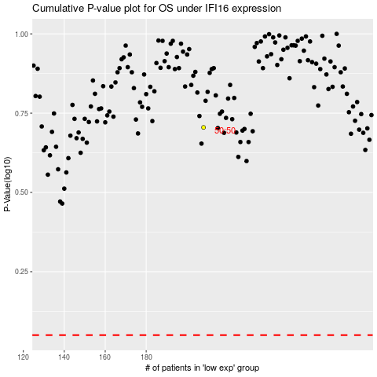

 |  |  |  |  |  | cases_OS | p_OS | rank | exp
 |  |  |  |  |  |  | cases_RFS | p_RFS | rank | exp

