IFI27L1 _multivariate
Reported by Tex Li-Hsing Chi. tex@gate.sinica.edu.tw 2019-08-19

Table 2. The clinicopathological features of HNSCC cohort and IFI27L1 expression. (Chi square test)
Cutoff at -0.297 (50.0%)
 |  | IFI27L1 expression |  | IFI27L1 expression |  | (Optimised)
 | Features | Low | (%) | High | (%) | Case no | P-value | Remark | Matthews
Gender | Female | 144 | 34.7 | 162 | 39 | 415 | 0.0697 | 0 | 0
2 | Male | 63 | 15.2 | 46 | 11.1
Age at diagnosis | <=65y | 134 | 32.3 | 140 | 33.7 | 415 | 0.6529 | 0 | 0
4 | >65y | 73 | 17.6 | 68 | 16.4
Clinical T Status | T1+T2 | 76 | 18.3 | 73 | 17.6 | 415 | 0.8092 | 0 | 0
6 | T3+T4 | 131 | 31.6 | 135 | 32.5
Clinical N Status | N0 | 117 | 28.2 | 99 | 23.9 | 415 | 0.0852 | 1 | 0
8 | N1-3 | 90 | 21.7 | 109 | 26.3
Clinical M Status | M0 | 207 | 49.9 | 205 | 49.4 | 415 | 0.2482 | 0 | 0
10 | M1 | 0 | 0 | 3 | 0.7
Clinical Stage | Stage I+II | 54 | 13 | 48 | 11.6 | 415 | 0.5498 | 0 | 0
12 | Stage III+IV | 153 | 36.9 | 160 | 38.6
Surgical Margin status | Negative | 170 | 41 | 148 | 35.7 | 415 | 0.0105 | 1 | 0
14 | Positive | 37 | 8.9 | 60 | 14.5
Tobacco Exposure | Low | 77 | 18.6 | 84 | 20.2 | 415 | 0.5459 | 0 | 0
16 | High | 130 | 31.3 | 124 | 29.9

Table 3. Univariate/Multivariate Cox's proportional hazards regression analyses on OS time of IFI27L1 gene expression in HNSCC

 |  | Univariate |  |  |  | Multivariate
 | Features | HR | CI95%(L) | CI95%(H) | P-value | HR | CI95%(L) | CI95%(H) | P-value
1 | Female | 1 |  |  |  | 1
Gender | Male | 1.157 | 0.843 | 1.587 | 0.367 | 1.214 | 0.867 | 1.7 | 0.258
11 | <=65y | 1 |  |  |  | 1
Age at diagnosis | >65y | 1.329 | 0.99 | 1.784 | 0.058 | 1.396 | 1.027 | 1.897 | 0.033
12 | T1+T2 | 1 |  |  |  | 1
Clinical T Status | T3+T4 | 1.409 | 1.028 | 1.931 | 0.033 | 2.182 | 1.153 | 4.128 | 0.017
13 | N0 | 1 |  |  |  | 1
Clinical N Status | N1-3 | 1.185 | 0.89 | 1.577 | 0.246 | 1.234 | 0.864 | 1.761 | 0.248
14 | M0 | 1 |  |  |  | 1
Clinical M Status | M1 | 4.097 | 1.009 | 16.644 | 0.049 | 8.993 | 1.946 | 41.555 | 0.005
15 | Stage I+II | 1 |  |  |  | 1
Clinical Stage | Stage III+IV | 1.245 | 0.882 | 1.759 | 0.213 | 0.51 | 0.237 | 1.095 | 0.084
16 | Negative | 1 |  |  |  | 1
Surgical Margin status | Positive | 1.591 | 1.155 | 2.191 | 0.004 | 1.647 | 1.187 | 2.285 | 0.003
17 | Low | 1 |  |  |  | 1
Tobacco Exposure | High | 1.364 | 1.008 | 1.844 | 0.044 | 1.456 | 1.057 | 2.007 | 0.022
18 | Low | 1 |  |  |  | 1
RNAseq(z-score) | High | 1.161 | 0.872 | 1.547 | 0.306 | 1.086 | 0.808 | 1.46 | 0.584

Table 4. Univariate/Multivariate Cox's proportional hazards regression analyses on RFS time of IFI27L1 gene expression in HNSCC

 |  | Univariate |  |  |  | Multivariate
 | Features | HR | CI95%(L) | CI95%(H) | P-value | HR | CI95%(L) | CI95%(H) | P-value
1 | Female | 1 |  |  |  | 1
Gender | Male | 1.157 | 0.843 | 1.587 | 0.367 | 1.214 | 0.867 | 1.7 | 0.258
11 | <=65y | 1 |  |  |  | 1
Age at diagnosis | >65y | 1.329 | 0.99 | 1.784 | 0.058 | 1.396 | 1.027 | 1.897 | 0.033
12 | T1+T2 | 1 |  |  |  | 1
Clinical T Status | T3+T4 | 1.409 | 1.028 | 1.931 | 0.033 | 2.182 | 1.153 | 4.128 | 0.017
13 | N0 | 1 |  |  |  | 1
Clinical N Status | N1-3 | 1.185 | 0.89 | 1.577 | 0.246 | 1.234 | 0.864 | 1.761 | 0.248
14 | M0 | 1 |  |  |  | 1
Clinical M Status | M1 | 4.097 | 1.009 | 16.644 | 0.049 | 8.993 | 1.946 | 41.555 | 0.005
15 | Stage I+II | 1 |  |  |  | 1
Clinical Stage | Stage III+IV | 1.245 | 0.882 | 1.759 | 0.213 | 0.51 | 0.237 | 1.095 | 0.084
16 | Negative | 1 |  |  |  | 1
Surgical Margin status | Positive | 1.591 | 1.155 | 2.191 | 0.004 | 1.647 | 1.187 | 2.285 | 0.003
17 | Low | 1 |  |  |  | 1
Tobacco Exposure | High | 1.364 | 1.008 | 1.844 | 0.044 | 1.456 | 1.057 | 2.007 | 0.022
18 | Low | 1 |  |  |  | 1
RNAseq(z-score) | High | 1.161 | 0.872 | 1.547 | 0.306 | 1.086 | 0.808 | 1.46 | 0.584

Kaplan-Meier survival estimate: Cutoff at -0.297 (50.0%)



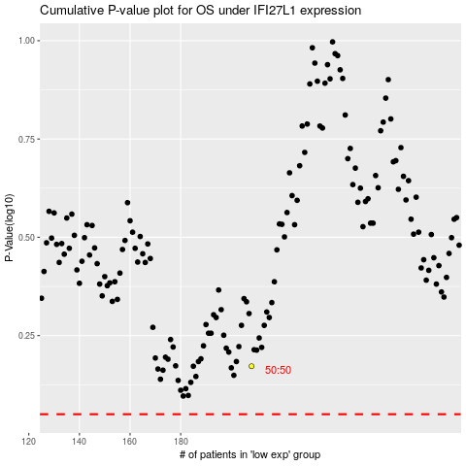

 |  |  |  |  |  | cases_OS | p_OS | rank | exp
 |  |  |  |  |  |  | cases_RFS | p_RFS | rank | exp

