IFI30 _multivariate
Reported by Tex Li-Hsing Chi. tex@gate.sinica.edu.tw 2019-08-19

Table 2. The clinicopathological features of HNSCC cohort and IFI30 expression. (Chi square test)
Cutoff at -0.264 (49.8%)
 |  | IFI30 expression |  | IFI30 expression |  | (Optimised)
 | Features | Low | (%) | High | (%) | Case no | P-value | Remark | Matthews
Gender | Female | 159 | 38.3 | 147 | 35.4 | 415 | 0.1905 | 0 | 0
2 | Male | 48 | 11.6 | 61 | 14.7
Age at diagnosis | <=65y | 145 | 34.9 | 129 | 31.1 | 415 | 0.1046 | 0 | 0
4 | >65y | 62 | 14.9 | 79 | 19
Clinical T Status | T1+T2 | 71 | 17.1 | 78 | 18.8 | 415 | 0.5638 | 0 | 0
6 | T3+T4 | 136 | 32.8 | 130 | 31.3
Clinical N Status | N0 | 120 | 28.9 | 96 | 23.1 | 415 | 0.0208 | 1 | 0
8 | N1-3 | 87 | 21 | 112 | 27
Clinical M Status | M0 | 207 | 49.9 | 205 | 49.4 | 415 | 0.2482 | 0 | 0
10 | M1 | 0 | 0 | 3 | 0.7
Clinical Stage | Stage I+II | 51 | 12.3 | 51 | 12.3 | 415 | 1 | 0 | 0
12 | Stage III+IV | 156 | 37.6 | 157 | 37.8
Surgical Margin status | Negative | 157 | 37.8 | 161 | 38.8 | 415 | 0.729 | 0 | 0
14 | Positive | 50 | 12 | 47 | 11.3
Tobacco Exposure | Low | 74 | 17.8 | 87 | 21 | 415 | 0.227 | 0 | 0
16 | High | 133 | 32 | 121 | 29.2

Table 3. Univariate/Multivariate Cox's proportional hazards regression analyses on OS time of IFI30 gene expression in HNSCC

 |  | Univariate |  |  |  | Multivariate
 | Features | HR | CI95%(L) | CI95%(H) | P-value | HR | CI95%(L) | CI95%(H) | P-value
1 | Female | 1 |  |  |  | 1
Gender | Male | 1.157 | 0.843 | 1.587 | 0.367 | 1.211 | 0.867 | 1.693 | 0.261
11 | <=65y | 1 |  |  |  | 1
Age at diagnosis | >65y | 1.329 | 0.99 | 1.784 | 0.058 | 1.41 | 1.037 | 1.918 | 0.028
12 | T1+T2 | 1 |  |  |  | 1
Clinical T Status | T3+T4 | 1.409 | 1.028 | 1.931 | 0.033 | 2.241 | 1.183 | 4.243 | 0.013
13 | N0 | 1 |  |  |  | 1
Clinical N Status | N1-3 | 1.185 | 0.89 | 1.577 | 0.246 | 1.287 | 0.896 | 1.849 | 0.173
14 | M0 | 1 |  |  |  | 1
Clinical M Status | M1 | 4.097 | 1.009 | 16.644 | 0.049 | 10.243 | 2.212 | 47.431 | 0.003
15 | Stage I+II | 1 |  |  |  | 1
Clinical Stage | Stage III+IV | 1.245 | 0.882 | 1.759 | 0.213 | 0.488 | 0.227 | 1.05 | 0.066
16 | Negative | 1 |  |  |  | 1
Surgical Margin status | Positive | 1.591 | 1.155 | 2.191 | 0.004 | 1.678 | 1.214 | 2.32 | 0.002
17 | Low | 1 |  |  |  | 1
Tobacco Exposure | High | 1.364 | 1.008 | 1.844 | 0.044 | 1.435 | 1.041 | 1.98 | 0.028
18 | Low | 1 |  |  |  | 1
RNAseq(z-score) | High | 0.927 | 0.693 | 1.238 | 0.607 | 0.857 | 0.635 | 1.157 | 0.314

Table 4. Univariate/Multivariate Cox's proportional hazards regression analyses on RFS time of IFI30 gene expression in HNSCC

 |  | Univariate |  |  |  | Multivariate
 | Features | HR | CI95%(L) | CI95%(H) | P-value | HR | CI95%(L) | CI95%(H) | P-value
1 | Female | 1 |  |  |  | 1
Gender | Male | 1.157 | 0.843 | 1.587 | 0.367 | 1.211 | 0.867 | 1.693 | 0.261
11 | <=65y | 1 |  |  |  | 1
Age at diagnosis | >65y | 1.329 | 0.99 | 1.784 | 0.058 | 1.41 | 1.037 | 1.918 | 0.028
12 | T1+T2 | 1 |  |  |  | 1
Clinical T Status | T3+T4 | 1.409 | 1.028 | 1.931 | 0.033 | 2.241 | 1.183 | 4.243 | 0.013
13 | N0 | 1 |  |  |  | 1
Clinical N Status | N1-3 | 1.185 | 0.89 | 1.577 | 0.246 | 1.287 | 0.896 | 1.849 | 0.173
14 | M0 | 1 |  |  |  | 1
Clinical M Status | M1 | 4.097 | 1.009 | 16.644 | 0.049 | 10.243 | 2.212 | 47.431 | 0.003
15 | Stage I+II | 1 |  |  |  | 1
Clinical Stage | Stage III+IV | 1.245 | 0.882 | 1.759 | 0.213 | 0.488 | 0.227 | 1.05 | 0.066
16 | Negative | 1 |  |  |  | 1
Surgical Margin status | Positive | 1.591 | 1.155 | 2.191 | 0.004 | 1.678 | 1.214 | 2.32 | 0.002
17 | Low | 1 |  |  |  | 1
Tobacco Exposure | High | 1.364 | 1.008 | 1.844 | 0.044 | 1.435 | 1.041 | 1.98 | 0.028
18 | Low | 1 |  |  |  | 1
RNAseq(z-score) | High | 0.927 | 0.693 | 1.238 | 0.607 | 0.857 | 0.635 | 1.157 | 0.314

Kaplan-Meier survival estimate: Cutoff at -0.264 (49.8%)



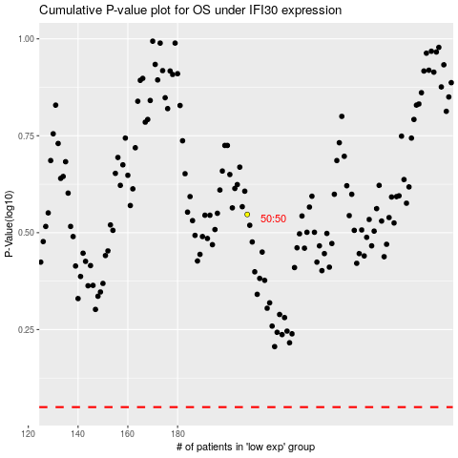

 |  |  |  |  |  | cases_OS | p_OS | rank | exp
 |  |  |  |  |  |  | cases_RFS | p_RFS | rank | exp

