IFI35 _multivariate
Reported by Tex Li-Hsing Chi. tex@gate.sinica.edu.tw 2019-08-19

Table 2. The clinicopathological features of HNSCC cohort and IFI35 expression. (Chi square test)
Cutoff at -0.281 (50.0%)
 |  | IFI35 expression |  | IFI35 expression |  | (Optimised)
 | Features | Low | (%) | High | (%) | Case no | P-value | Remark | Matthews
Gender | Female | 155 | 37.3 | 151 | 36.4 | 415 | 0.6768 | 0 | 0
2 | Male | 52 | 12.5 | 57 | 13.7
Age at diagnosis | <=65y | 145 | 34.9 | 129 | 31.1 | 415 | 0.1046 | 0 | 0
4 | >65y | 62 | 14.9 | 79 | 19
Clinical T Status | T1+T2 | 67 | 16.1 | 82 | 19.8 | 415 | 0.1628 | 0 | 0
6 | T3+T4 | 140 | 33.7 | 126 | 30.4
Clinical N Status | N0 | 112 | 27 | 104 | 25.1 | 415 | 0.4599 | 0 | 0
8 | N1-3 | 95 | 22.9 | 104 | 25.1
Clinical M Status | M0 | 207 | 49.9 | 205 | 49.4 | 415 | 0.2482 | 0 | 0
10 | M1 | 0 | 0 | 3 | 0.7
Clinical Stage | Stage I+II | 44 | 10.6 | 58 | 14 | 415 | 0.1459 | 0 | 0
12 | Stage III+IV | 163 | 39.3 | 150 | 36.1
Surgical Margin status | Negative | 159 | 38.3 | 159 | 38.3 | 415 | 1 | 0 | 0
14 | Positive | 48 | 11.6 | 49 | 11.8
Tobacco Exposure | Low | 73 | 17.6 | 88 | 21.2 | 415 | 0.1587 | 0 | 0
16 | High | 134 | 32.3 | 120 | 28.9

Table 3. Univariate/Multivariate Cox's proportional hazards regression analyses on OS time of IFI35 gene expression in HNSCC

 |  | Univariate |  |  |  | Multivariate
 | Features | HR | CI95%(L) | CI95%(H) | P-value | HR | CI95%(L) | CI95%(H) | P-value
1 | Female | 1 |  |  |  | 1
Gender | Male | 1.157 | 0.843 | 1.587 | 0.367 | 1.201 | 0.86 | 1.678 | 0.283
11 | <=65y | 1 |  |  |  | 1
Age at diagnosis | >65y | 1.329 | 0.99 | 1.784 | 0.058 | 1.374 | 1.009 | 1.871 | 0.044
12 | T1+T2 | 1 |  |  |  | 1
Clinical T Status | T3+T4 | 1.409 | 1.028 | 1.931 | 0.033 | 2.176 | 1.15 | 4.118 | 0.017
13 | N0 | 1 |  |  |  | 1
Clinical N Status | N1-3 | 1.185 | 0.89 | 1.577 | 0.246 | 1.209 | 0.844 | 1.731 | 0.3
14 | M0 | 1 |  |  |  | 1
Clinical M Status | M1 | 4.097 | 1.009 | 16.644 | 0.049 | 8.69 | 1.882 | 40.132 | 0.006
15 | Stage I+II | 1 |  |  |  | 1
Clinical Stage | Stage III+IV | 1.245 | 0.882 | 1.759 | 0.213 | 0.527 | 0.244 | 1.137 | 0.103
16 | Negative | 1 |  |  |  | 1
Surgical Margin status | Positive | 1.591 | 1.155 | 2.191 | 0.004 | 1.664 | 1.204 | 2.3 | 0.002
17 | Low | 1 |  |  |  | 1
Tobacco Exposure | High | 1.364 | 1.008 | 1.844 | 0.044 | 1.479 | 1.071 | 2.043 | 0.018
18 | Low | 1 |  |  |  | 1
RNAseq(z-score) | High | 1.205 | 0.901 | 1.61 | 0.209 | 1.165 | 0.863 | 1.572 | 0.318

Table 4. Univariate/Multivariate Cox's proportional hazards regression analyses on RFS time of IFI35 gene expression in HNSCC

 |  | Univariate |  |  |  | Multivariate
 | Features | HR | CI95%(L) | CI95%(H) | P-value | HR | CI95%(L) | CI95%(H) | P-value
1 | Female | 1 |  |  |  | 1
Gender | Male | 1.157 | 0.843 | 1.587 | 0.367 | 1.201 | 0.86 | 1.678 | 0.283
11 | <=65y | 1 |  |  |  | 1
Age at diagnosis | >65y | 1.329 | 0.99 | 1.784 | 0.058 | 1.374 | 1.009 | 1.871 | 0.044
12 | T1+T2 | 1 |  |  |  | 1
Clinical T Status | T3+T4 | 1.409 | 1.028 | 1.931 | 0.033 | 2.176 | 1.15 | 4.118 | 0.017
13 | N0 | 1 |  |  |  | 1
Clinical N Status | N1-3 | 1.185 | 0.89 | 1.577 | 0.246 | 1.209 | 0.844 | 1.731 | 0.3
14 | M0 | 1 |  |  |  | 1
Clinical M Status | M1 | 4.097 | 1.009 | 16.644 | 0.049 | 8.69 | 1.882 | 40.132 | 0.006
15 | Stage I+II | 1 |  |  |  | 1
Clinical Stage | Stage III+IV | 1.245 | 0.882 | 1.759 | 0.213 | 0.527 | 0.244 | 1.137 | 0.103
16 | Negative | 1 |  |  |  | 1
Surgical Margin status | Positive | 1.591 | 1.155 | 2.191 | 0.004 | 1.664 | 1.204 | 2.3 | 0.002
17 | Low | 1 |  |  |  | 1
Tobacco Exposure | High | 1.364 | 1.008 | 1.844 | 0.044 | 1.479 | 1.071 | 2.043 | 0.018
18 | Low | 1 |  |  |  | 1
RNAseq(z-score) | High | 1.205 | 0.901 | 1.61 | 0.209 | 1.165 | 0.863 | 1.572 | 0.318

Kaplan-Meier survival estimate: Cutoff at -0.281 (50.0%)



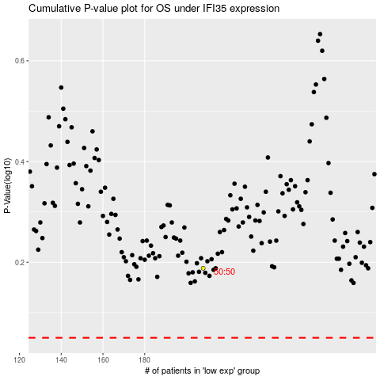

 |  |  |  |  |  | cases_OS | p_OS | rank | exp
 |  |  |  |  |  |  | cases_RFS | p_RFS | rank | exp

