IFI44 _multivariate
Reported by Tex Li-Hsing Chi. tex@gate.sinica.edu.tw 2019-08-19

Table 2. The clinicopathological features of HNSCC cohort and IFI44 expression. (Chi square test)
Cutoff at -0.264 (47.1%)
 |  | IFI44 expression |  | IFI44 expression |  | (Optimised)
 | Features | Low | (%) | High | (%) | Case no | P-value | Remark | Matthews
Gender | Female | 155 | 37.3 | 151 | 36.4 | 415 | 0.0166 | 1 | 0
2 | Male | 40 | 9.6 | 69 | 16.6
Age at diagnosis | <=65y | 130 | 31.3 | 144 | 34.7 | 415 | 0.8757 | 0 | 0
4 | >65y | 65 | 15.7 | 76 | 18.3
Clinical T Status | T1+T2 | 71 | 17.1 | 78 | 18.8 | 415 | 0.9203 | 0 | 0
6 | T3+T4 | 124 | 29.9 | 142 | 34.2
Clinical N Status | N0 | 105 | 25.3 | 111 | 26.7 | 415 | 0.554 | 0 | 0
8 | N1-3 | 90 | 21.7 | 109 | 26.3
Clinical M Status | M0 | 195 | 47 | 217 | 52.3 | 415 | 0.2509 | 0 | 0
10 | M1 | 0 | 0 | 3 | 0.7
Clinical Stage | Stage I+II | 46 | 11.1 | 56 | 13.5 | 415 | 0.7443 | 0 | 0
12 | Stage III+IV | 149 | 35.9 | 164 | 39.5
Surgical Margin status | Negative | 154 | 37.1 | 164 | 39.5 | 415 | 0.2981 | 0 | 0
14 | Positive | 41 | 9.9 | 56 | 13.5
Tobacco Exposure | Low | 63 | 15.2 | 98 | 23.6 | 415 | 0.0117 | 1 | 0
16 | High | 132 | 31.8 | 122 | 29.4

Table 3. Univariate/Multivariate Cox's proportional hazards regression analyses on OS time of IFI44 gene expression in HNSCC

 |  | Univariate |  |  |  | Multivariate
 | Features | HR | CI95%(L) | CI95%(H) | P-value | HR | CI95%(L) | CI95%(H) | P-value
1 | Female | 1 |  |  |  | 1
Gender | Male | 1.157 | 0.843 | 1.587 | 0.367 | 1.168 | 0.834 | 1.636 | 0.365
11 | <=65y | 1 |  |  |  | 1
Age at diagnosis | >65y | 1.329 | 0.99 | 1.784 | 0.058 | 1.395 | 1.025 | 1.898 | 0.034
12 | T1+T2 | 1 |  |  |  | 1
Clinical T Status | T3+T4 | 1.409 | 1.028 | 1.931 | 0.033 | 2.093 | 1.102 | 3.976 | 0.024
13 | N0 | 1 |  |  |  | 1
Clinical N Status | N1-3 | 1.185 | 0.89 | 1.577 | 0.246 | 1.225 | 0.858 | 1.749 | 0.263
14 | M0 | 1 |  |  |  | 1
Clinical M Status | M1 | 4.097 | 1.009 | 16.644 | 0.049 | 8.034 | 1.731 | 37.283 | 0.008
15 | Stage I+II | 1 |  |  |  | 1
Clinical Stage | Stage III+IV | 1.245 | 0.882 | 1.759 | 0.213 | 0.544 | 0.251 | 1.176 | 0.121
16 | Negative | 1 |  |  |  | 1
Surgical Margin status | Positive | 1.591 | 1.155 | 2.191 | 0.004 | 1.63 | 1.178 | 2.256 | 0.003
17 | Low | 1 |  |  |  | 1
Tobacco Exposure | High | 1.364 | 1.008 | 1.844 | 0.044 | 1.493 | 1.081 | 2.064 | 0.015
18 | Low | 1 |  |  |  | 1
RNAseq(z-score) | High | 1.339 | 1.002 | 1.789 | 0.049 | 1.262 | 0.935 | 1.704 | 0.128

Table 4. Univariate/Multivariate Cox's proportional hazards regression analyses on RFS time of IFI44 gene expression in HNSCC

 |  | Univariate |  |  |  | Multivariate
 | Features | HR | CI95%(L) | CI95%(H) | P-value | HR | CI95%(L) | CI95%(H) | P-value
1 | Female | 1 |  |  |  | 1
Gender | Male | 1.157 | 0.843 | 1.587 | 0.367 | 1.168 | 0.834 | 1.636 | 0.365
11 | <=65y | 1 |  |  |  | 1
Age at diagnosis | >65y | 1.329 | 0.99 | 1.784 | 0.058 | 1.395 | 1.025 | 1.898 | 0.034
12 | T1+T2 | 1 |  |  |  | 1
Clinical T Status | T3+T4 | 1.409 | 1.028 | 1.931 | 0.033 | 2.093 | 1.102 | 3.976 | 0.024
13 | N0 | 1 |  |  |  | 1
Clinical N Status | N1-3 | 1.185 | 0.89 | 1.577 | 0.246 | 1.225 | 0.858 | 1.749 | 0.263
14 | M0 | 1 |  |  |  | 1
Clinical M Status | M1 | 4.097 | 1.009 | 16.644 | 0.049 | 8.034 | 1.731 | 37.283 | 0.008
15 | Stage I+II | 1 |  |  |  | 1
Clinical Stage | Stage III+IV | 1.245 | 0.882 | 1.759 | 0.213 | 0.544 | 0.251 | 1.176 | 0.121
16 | Negative | 1 |  |  |  | 1
Surgical Margin status | Positive | 1.591 | 1.155 | 2.191 | 0.004 | 1.63 | 1.178 | 2.256 | 0.003
17 | Low | 1 |  |  |  | 1
Tobacco Exposure | High | 1.364 | 1.008 | 1.844 | 0.044 | 1.493 | 1.081 | 2.064 | 0.015
18 | Low | 1 |  |  |  | 1
RNAseq(z-score) | High | 1.339 | 1.002 | 1.789 | 0.049 | 1.262 | 0.935 | 1.704 | 0.128

Kaplan-Meier survival estimate: Cutoff at -0.264 (47.1%)

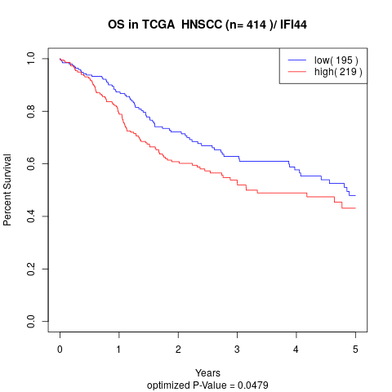

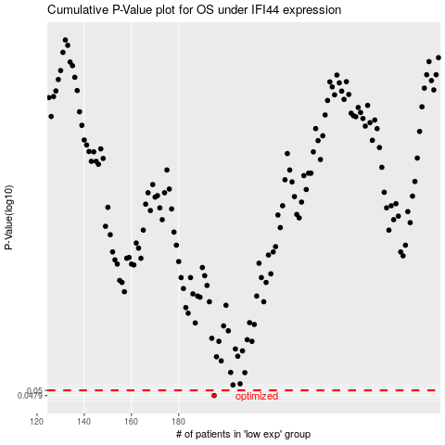

 |  |  |  |  |  | cases_OS | p_OS | rank | exp
 |  |  |  |  |  | 195 | 0.0479 | 124 | -0.26375986589
 |  |  |  |  |  |  | cases_RFS | p_RFS | rank | exp
 |  |  |  |  |  |  | 194 | 0.0479 | 175 | -0.26522630023

