IFI44L _multivariate
Reported by Tex Li-Hsing Chi. tex@gate.sinica.edu.tw 2019-08-19

Table 2. The clinicopathological features of HNSCC cohort and IFI44L expression. (Chi square test)
Cutoff at -0.34 (50.0%)
 |  | IFI44L expression |  | IFI44L expression |  | (Optimised)
 | Features | Low | (%) | High | (%) | Case no | P-value | Remark | Matthews
Gender | Female | 164 | 39.5 | 142 | 34.2 | 415 | 0.0153 | 1 | 0
2 | Male | 43 | 10.4 | 66 | 15.9
Age at diagnosis | <=65y | 143 | 34.5 | 131 | 31.6 | 415 | 0.2269 | 0 | 0
4 | >65y | 64 | 15.4 | 77 | 18.6
Clinical T Status | T1+T2 | 70 | 16.9 | 79 | 19 | 415 | 0.4343 | 0 | 0
6 | T3+T4 | 137 | 33 | 129 | 31.1
Clinical N Status | N0 | 108 | 26 | 108 | 26 | 415 | 1 | 0 | 0
8 | N1-3 | 99 | 23.9 | 100 | 24.1
Clinical M Status | M0 | 206 | 49.6 | 206 | 49.6 | 415 | 1 | 0 | 0
10 | M1 | 1 | 0.2 | 2 | 0.5
Clinical Stage | Stage I+II | 45 | 10.8 | 57 | 13.7 | 415 | 0.2202 | 0 | 0
12 | Stage III+IV | 162 | 39 | 151 | 36.4
Surgical Margin status | Negative | 164 | 39.5 | 154 | 37.1 | 415 | 0.2462 | 0 | 0
14 | Positive | 43 | 10.4 | 54 | 13
Tobacco Exposure | Low | 64 | 15.4 | 97 | 23.4 | 415 | 0.0012 | 1 | 0
16 | High | 143 | 34.5 | 111 | 26.7

Table 3. Univariate/Multivariate Cox's proportional hazards regression analyses on OS time of IFI44L gene expression in HNSCC

 |  | Univariate |  |  |  | Multivariate
 | Features | HR | CI95%(L) | CI95%(H) | P-value | HR | CI95%(L) | CI95%(H) | P-value
1 | Female | 1 |  |  |  | 1
Gender | Male | 1.157 | 0.843 | 1.587 | 0.367 | 1.212 | 0.866 | 1.696 | 0.262
11 | <=65y | 1 |  |  |  | 1
Age at diagnosis | >65y | 1.329 | 0.99 | 1.784 | 0.058 | 1.399 | 1.029 | 1.903 | 0.032
12 | T1+T2 | 1 |  |  |  | 1
Clinical T Status | T3+T4 | 1.409 | 1.028 | 1.931 | 0.033 | 2.223 | 1.175 | 4.208 | 0.014
13 | N0 | 1 |  |  |  | 1
Clinical N Status | N1-3 | 1.185 | 0.89 | 1.577 | 0.246 | 1.251 | 0.875 | 1.788 | 0.219
14 | M0 | 1 |  |  |  | 1
Clinical M Status | M1 | 4.097 | 1.009 | 16.644 | 0.049 | 9.574 | 2.085 | 43.966 | 0.004
15 | Stage I+II | 1 |  |  |  | 1
Clinical Stage | Stage III+IV | 1.245 | 0.882 | 1.759 | 0.213 | 0.496 | 0.23 | 1.067 | 0.073
16 | Negative | 1 |  |  |  | 1
Surgical Margin status | Positive | 1.591 | 1.155 | 2.191 | 0.004 | 1.682 | 1.216 | 2.327 | 0.002
17 | Low | 1 |  |  |  | 1
Tobacco Exposure | High | 1.364 | 1.008 | 1.844 | 0.044 | 1.433 | 1.035 | 1.984 | 0.03
18 | Low | 1 |  |  |  | 1
RNAseq(z-score) | High | 0.994 | 0.746 | 1.325 | 0.967 | 0.931 | 0.688 | 1.261 | 0.645

Table 4. Univariate/Multivariate Cox's proportional hazards regression analyses on RFS time of IFI44L gene expression in HNSCC

 |  | Univariate |  |  |  | Multivariate
 | Features | HR | CI95%(L) | CI95%(H) | P-value | HR | CI95%(L) | CI95%(H) | P-value
1 | Female | 1 |  |  |  | 1
Gender | Male | 1.157 | 0.843 | 1.587 | 0.367 | 1.212 | 0.866 | 1.696 | 0.262
11 | <=65y | 1 |  |  |  | 1
Age at diagnosis | >65y | 1.329 | 0.99 | 1.784 | 0.058 | 1.399 | 1.029 | 1.903 | 0.032
12 | T1+T2 | 1 |  |  |  | 1
Clinical T Status | T3+T4 | 1.409 | 1.028 | 1.931 | 0.033 | 2.223 | 1.175 | 4.208 | 0.014
13 | N0 | 1 |  |  |  | 1
Clinical N Status | N1-3 | 1.185 | 0.89 | 1.577 | 0.246 | 1.251 | 0.875 | 1.788 | 0.219
14 | M0 | 1 |  |  |  | 1
Clinical M Status | M1 | 4.097 | 1.009 | 16.644 | 0.049 | 9.574 | 2.085 | 43.966 | 0.004
15 | Stage I+II | 1 |  |  |  | 1
Clinical Stage | Stage III+IV | 1.245 | 0.882 | 1.759 | 0.213 | 0.496 | 0.23 | 1.067 | 0.073
16 | Negative | 1 |  |  |  | 1
Surgical Margin status | Positive | 1.591 | 1.155 | 2.191 | 0.004 | 1.682 | 1.216 | 2.327 | 0.002
17 | Low | 1 |  |  |  | 1
Tobacco Exposure | High | 1.364 | 1.008 | 1.844 | 0.044 | 1.433 | 1.035 | 1.984 | 0.03
18 | Low | 1 |  |  |  | 1
RNAseq(z-score) | High | 0.994 | 0.746 | 1.325 | 0.967 | 0.931 | 0.688 | 1.261 | 0.645

Kaplan-Meier survival estimate: Cutoff at -0.34 (50.0%)



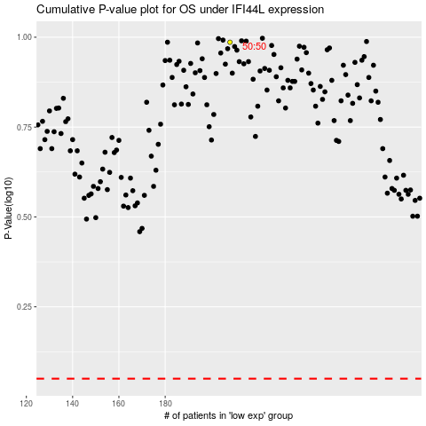

 |  |  |  |  |  | cases_OS | p_OS | rank | exp
 |  |  |  |  |  |  | cases_RFS | p_RFS | rank | exp

