IFIH1 _multivariate
Reported by Tex Li-Hsing Chi. tex@gate.sinica.edu.tw 2019-08-19

Table 2. The clinicopathological features of HNSCC cohort and IFIH1 expression. (Chi square test)
Cutoff at -0.22 (50.0%)
 |  | IFIH1 expression |  | IFIH1 expression |  | (Optimised)
 | Features | Low | (%) | High | (%) | Case no | P-value | Remark | Matthews
Gender | Female | 165 | 39.8 | 141 | 34 | 415 | 0.0081 | 1 | 0
2 | Male | 42 | 10.1 | 67 | 16.1
Age at diagnosis | <=65y | 142 | 34.2 | 132 | 31.8 | 415 | 0.3167 | 0 | 0
4 | >65y | 65 | 15.7 | 76 | 18.3
Clinical T Status | T1+T2 | 71 | 17.1 | 78 | 18.8 | 415 | 0.5638 | 0 | 0
6 | T3+T4 | 136 | 32.8 | 130 | 31.3
Clinical N Status | N0 | 116 | 28 | 100 | 24.1 | 415 | 0.1273 | 1 | 0
8 | N1-3 | 91 | 21.9 | 108 | 26
Clinical M Status | M0 | 206 | 49.6 | 206 | 49.6 | 415 | 1 | 0 | 0
10 | M1 | 1 | 0.2 | 2 | 0.5
Clinical Stage | Stage I+II | 50 | 12 | 52 | 12.5 | 415 | 0.9315 | 0 | 0
12 | Stage III+IV | 157 | 37.8 | 156 | 37.6
Surgical Margin status | Negative | 159 | 38.3 | 159 | 38.3 | 415 | 1 | 0 | 0
14 | Positive | 48 | 11.6 | 49 | 11.8
Tobacco Exposure | Low | 61 | 14.7 | 100 | 24.1 | 415 | 1e-04 | 1 | 0
16 | High | 146 | 35.2 | 108 | 26

Table 3. Univariate/Multivariate Cox's proportional hazards regression analyses on OS time of IFIH1 gene expression in HNSCC

 |  | Univariate |  |  |  | Multivariate
 | Features | HR | CI95%(L) | CI95%(H) | P-value | HR | CI95%(L) | CI95%(H) | P-value
1 | Female | 1 |  |  |  | 1
Gender | Male | 1.157 | 0.843 | 1.587 | 0.367 | 1.197 | 0.857 | 1.672 | 0.29
11 | <=65y | 1 |  |  |  | 1
Age at diagnosis | >65y | 1.329 | 0.99 | 1.784 | 0.058 | 1.391 | 1.023 | 1.893 | 0.035
12 | T1+T2 | 1 |  |  |  | 1
Clinical T Status | T3+T4 | 1.409 | 1.028 | 1.931 | 0.033 | 2.196 | 1.161 | 4.152 | 0.016
13 | N0 | 1 |  |  |  | 1
Clinical N Status | N1-3 | 1.185 | 0.89 | 1.577 | 0.246 | 1.22 | 0.853 | 1.746 | 0.275
14 | M0 | 1 |  |  |  | 1
Clinical M Status | M1 | 4.097 | 1.009 | 16.644 | 0.049 | 9.114 | 1.984 | 41.874 | 0.005
15 | Stage I+II | 1 |  |  |  | 1
Clinical Stage | Stage III+IV | 1.245 | 0.882 | 1.759 | 0.213 | 0.514 | 0.239 | 1.106 | 0.089
16 | Negative | 1 |  |  |  | 1
Surgical Margin status | Positive | 1.591 | 1.155 | 2.191 | 0.004 | 1.661 | 1.202 | 2.296 | 0.002
17 | Low | 1 |  |  |  | 1
Tobacco Exposure | High | 1.364 | 1.008 | 1.844 | 0.044 | 1.489 | 1.074 | 2.066 | 0.017
18 | Low | 1 |  |  |  | 1
RNAseq(z-score) | High | 1.106 | 0.83 | 1.474 | 0.493 | 1.12 | 0.831 | 1.509 | 0.456

Table 4. Univariate/Multivariate Cox's proportional hazards regression analyses on RFS time of IFIH1 gene expression in HNSCC

 |  | Univariate |  |  |  | Multivariate
 | Features | HR | CI95%(L) | CI95%(H) | P-value | HR | CI95%(L) | CI95%(H) | P-value
1 | Female | 1 |  |  |  | 1
Gender | Male | 1.157 | 0.843 | 1.587 | 0.367 | 1.197 | 0.857 | 1.672 | 0.29
11 | <=65y | 1 |  |  |  | 1
Age at diagnosis | >65y | 1.329 | 0.99 | 1.784 | 0.058 | 1.391 | 1.023 | 1.893 | 0.035
12 | T1+T2 | 1 |  |  |  | 1
Clinical T Status | T3+T4 | 1.409 | 1.028 | 1.931 | 0.033 | 2.196 | 1.161 | 4.152 | 0.016
13 | N0 | 1 |  |  |  | 1
Clinical N Status | N1-3 | 1.185 | 0.89 | 1.577 | 0.246 | 1.22 | 0.853 | 1.746 | 0.275
14 | M0 | 1 |  |  |  | 1
Clinical M Status | M1 | 4.097 | 1.009 | 16.644 | 0.049 | 9.114 | 1.984 | 41.874 | 0.005
15 | Stage I+II | 1 |  |  |  | 1
Clinical Stage | Stage III+IV | 1.245 | 0.882 | 1.759 | 0.213 | 0.514 | 0.239 | 1.106 | 0.089
16 | Negative | 1 |  |  |  | 1
Surgical Margin status | Positive | 1.591 | 1.155 | 2.191 | 0.004 | 1.661 | 1.202 | 2.296 | 0.002
17 | Low | 1 |  |  |  | 1
Tobacco Exposure | High | 1.364 | 1.008 | 1.844 | 0.044 | 1.489 | 1.074 | 2.066 | 0.017
18 | Low | 1 |  |  |  | 1
RNAseq(z-score) | High | 1.106 | 0.83 | 1.474 | 0.493 | 1.12 | 0.831 | 1.509 | 0.456

Kaplan-Meier survival estimate: Cutoff at -0.22 (50.0%)



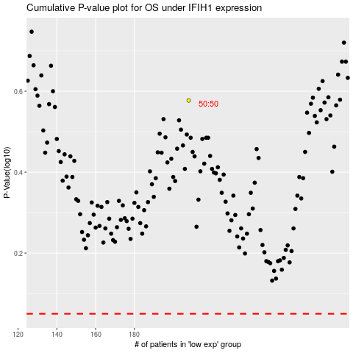

 |  |  |  |  |  | cases_OS | p_OS | rank | exp
 |  |  |  |  |  |  | cases_RFS | p_RFS | rank | exp

