IFIT2 _multivariate
Reported by Tex Li-Hsing Chi. tex@gate.sinica.edu.tw 2019-08-19

Table 2. The clinicopathological features of HNSCC cohort and IFIT2 expression. (Chi square test)
Cutoff at -0.363 (44.0%)
 |  | IFIT2 expression |  | IFIT2 expression |  | (Optimised)
 | Features | Low | (%) | High | (%) | Case no | P-value | Remark | Matthews
Gender | Female | 145 | 34.9 | 161 | 38.8 | 415 | 0.0206 | 1 | 0
2 | Male | 37 | 8.9 | 72 | 17.3
Age at diagnosis | <=65y | 122 | 29.4 | 152 | 36.6 | 415 | 0.7802 | 0 | 0
4 | >65y | 60 | 14.5 | 81 | 19.5
Clinical T Status | T1+T2 | 63 | 15.2 | 86 | 20.7 | 415 | 0.7037 | 0 | 0
6 | T3+T4 | 119 | 28.7 | 147 | 35.4
Clinical N Status | N0 | 102 | 24.6 | 114 | 27.5 | 415 | 0.1799 | 0 | 0
8 | N1-3 | 80 | 19.3 | 119 | 28.7
Clinical M Status | M0 | 182 | 43.9 | 230 | 55.4 | 415 | 0.2595 | 0 | 0
10 | M1 | 0 | 0 | 3 | 0.7
Clinical Stage | Stage I+II | 43 | 10.4 | 59 | 14.2 | 415 | 0.777 | 0 | 0
12 | Stage III+IV | 139 | 33.5 | 174 | 41.9
Surgical Margin status | Negative | 140 | 33.7 | 178 | 42.9 | 415 | 0.9076 | 0 | 0
14 | Positive | 42 | 10.1 | 55 | 13.3
Tobacco Exposure | Low | 61 | 14.7 | 100 | 24.1 | 415 | 0.0544 | 0 | 0
16 | High | 121 | 29.2 | 133 | 32

Table 3. Univariate/Multivariate Cox's proportional hazards regression analyses on OS time of IFIT2 gene expression in HNSCC

 |  | Univariate |  |  |  | Multivariate
 | Features | HR | CI95%(L) | CI95%(H) | P-value | HR | CI95%(L) | CI95%(H) | P-value
1 | Female | 1 |  |  |  | 1
Gender | Male | 1.157 | 0.843 | 1.587 | 0.367 | 1.184 | 0.849 | 1.652 | 0.32
11 | <=65y | 1 |  |  |  | 1
Age at diagnosis | >65y | 1.329 | 0.99 | 1.784 | 0.058 | 1.408 | 1.036 | 1.914 | 0.029
12 | T1+T2 | 1 |  |  |  | 1
Clinical T Status | T3+T4 | 1.409 | 1.028 | 1.931 | 0.033 | 2.138 | 1.13 | 4.044 | 0.02
13 | N0 | 1 |  |  |  | 1
Clinical N Status | N1-3 | 1.185 | 0.89 | 1.577 | 0.246 | 1.197 | 0.838 | 1.709 | 0.324
14 | M0 | 1 |  |  |  | 1
Clinical M Status | M1 | 4.097 | 1.009 | 16.644 | 0.049 | 8.021 | 1.741 | 36.951 | 0.008
15 | Stage I+II | 1 |  |  |  | 1
Clinical Stage | Stage III+IV | 1.245 | 0.882 | 1.759 | 0.213 | 0.542 | 0.252 | 1.166 | 0.117
16 | Negative | 1 |  |  |  | 1
Surgical Margin status | Positive | 1.591 | 1.155 | 2.191 | 0.004 | 1.651 | 1.195 | 2.281 | 0.002
17 | Low | 1 |  |  |  | 1
Tobacco Exposure | High | 1.364 | 1.008 | 1.844 | 0.044 | 1.535 | 1.111 | 2.122 | 0.009
18 | Low | 1 |  |  |  | 1
RNAseq(z-score) | High | 1.41 | 1.048 | 1.897 | 0.023 | 1.423 | 1.051 | 1.928 | 0.023

Table 4. Univariate/Multivariate Cox's proportional hazards regression analyses on RFS time of IFIT2 gene expression in HNSCC

 |  | Univariate |  |  |  | Multivariate
 | Features | HR | CI95%(L) | CI95%(H) | P-value | HR | CI95%(L) | CI95%(H) | P-value
1 | Female | 1 |  |  |  | 1
Gender | Male | 1.157 | 0.843 | 1.587 | 0.367 | 1.184 | 0.849 | 1.652 | 0.32
11 | <=65y | 1 |  |  |  | 1
Age at diagnosis | >65y | 1.329 | 0.99 | 1.784 | 0.058 | 1.408 | 1.036 | 1.914 | 0.029
12 | T1+T2 | 1 |  |  |  | 1
Clinical T Status | T3+T4 | 1.409 | 1.028 | 1.931 | 0.033 | 2.138 | 1.13 | 4.044 | 0.02
13 | N0 | 1 |  |  |  | 1
Clinical N Status | N1-3 | 1.185 | 0.89 | 1.577 | 0.246 | 1.197 | 0.838 | 1.709 | 0.324
14 | M0 | 1 |  |  |  | 1
Clinical M Status | M1 | 4.097 | 1.009 | 16.644 | 0.049 | 8.021 | 1.741 | 36.951 | 0.008
15 | Stage I+II | 1 |  |  |  | 1
Clinical Stage | Stage III+IV | 1.245 | 0.882 | 1.759 | 0.213 | 0.542 | 0.252 | 1.166 | 0.117
16 | Negative | 1 |  |  |  | 1
Surgical Margin status | Positive | 1.591 | 1.155 | 2.191 | 0.004 | 1.651 | 1.195 | 2.281 | 0.002
17 | Low | 1 |  |  |  | 1
Tobacco Exposure | High | 1.364 | 1.008 | 1.844 | 0.044 | 1.535 | 1.111 | 2.122 | 0.009
18 | Low | 1 |  |  |  | 1
RNAseq(z-score) | High | 1.41 | 1.048 | 1.897 | 0.023 | 1.423 | 1.051 | 1.928 | 0.023

Kaplan-Meier survival estimate: Cutoff at -0.363 (44.0%)

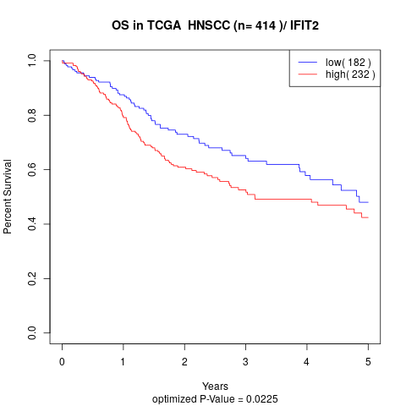

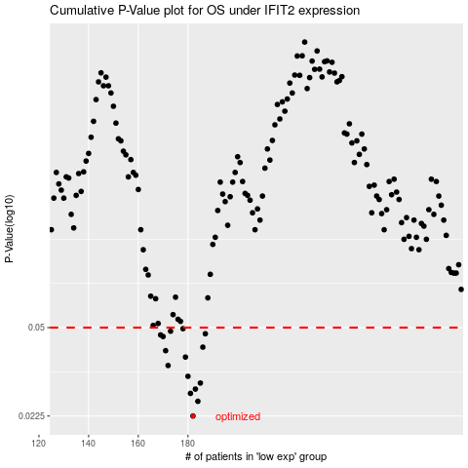

 |  |  |  |  |  | cases_OS | p_OS | rank | exp
 |  |  |  |  |  | 182 | 0.0225 | 180 | -0.36328951656
 |  |  |  |  |  | 184 | 0.0257 | 153 | -0.35671160153
 |  |  |  |  |  | 181 | 0.0276 | 300 | -0.36652606905
 |  |  |  |  |  | 183 | 0.0287 | 24 | -0.35988859237
 |  |  |  |  |  | 185 | 0.0303 | 213 | -0.35279447636
 |  |  |  |  |  | 180 | 0.0322 | 171 | -0.3675196867
 |  |  |  |  |  | 172 | 0.0355 | 2 | -0.38494927309
 |  |  |  |  |  | 179 | 0.0383 | 17 | -0.36769689415
 |  |  |  |  |  | 171 | 0.0406 | 16 | -0.38802089983
 |  |  |  |  |  | 186 | 0.0419 | 278 | -0.3517399119
 |  |  |  |  |  | 170 | 0.0461 | 101 | -0.39095955172
 |  |  |  |  |  | 169 | 0.0468 | 345 | -0.39132781818
 |  |  |  |  |  | 187 | 0.0473 | 155 | -0.34514925345
 |  |  |  |  |  | 173 | 0.0484 | 266 | -0.383008579
 |  |  |  |  |  | 178 | 0.0495 | 45 | -0.37434268176
 |  |  |  |  |  |  | cases_RFS | p_RFS | rank | exp
 |  |  |  |  |  |  | 181 | 0.0225 | 300 | -0.36652606905
 |  |  |  |  |  |  | 183 | 0.0257 | 24 | -0.35988859237
 |  |  |  |  |  |  | 180 | 0.0276 | 171 | -0.3675196867
 |  |  |  |  |  |  | 182 | 0.0287 | 180 | -0.36328951656
 |  |  |  |  |  |  | 184 | 0.0303 | 153 | -0.35671160153
 |  |  |  |  |  |  | 179 | 0.0322 | 17 | -0.36769689415
 |  |  |  |  |  |  | 171 | 0.0355 | 16 | -0.38802089983
 |  |  |  |  |  |  | 178 | 0.0383 | 45 | -0.37434268176
 |  |  |  |  |  |  | 170 | 0.0406 | 101 | -0.39095955172
 |  |  |  |  |  |  | 185 | 0.0419 | 213 | -0.35279447636
 |  |  |  |  |  |  | 169 | 0.0461 | 345 | -0.39132781818
 |  |  |  |  |  |  | 168 | 0.0468 | 8 | -0.39134314723
 |  |  |  |  |  |  | 186 | 0.0473 | 278 | -0.3517399119
 |  |  |  |  |  |  | 172 | 0.0484 | 2 | -0.38494927309
 |  |  |  |  |  |  | 177 | 0.0495 | 146 | -0.37535310595

