IFITM1 _multivariate
Reported by Tex Li-Hsing Chi. tex@gate.sinica.edu.tw 2019-08-19

Table 2. The clinicopathological features of HNSCC cohort and IFITM1 expression. (Chi square test)
Cutoff at -0.269 (50.0%)
 |  | IFITM1 expression |  | IFITM1 expression |  | (Optimised)
 | Features | Low | (%) | High | (%) | Case no | P-value | Remark | Matthews
Gender | Female | 162 | 39 | 144 | 34.7 | 415 | 0.0479 | 1 | 0
2 | Male | 45 | 10.8 | 64 | 15.4
Age at diagnosis | <=65y | 143 | 34.5 | 131 | 31.6 | 415 | 0.2269 | 0 | 0
4 | >65y | 64 | 15.4 | 77 | 18.6
Clinical T Status | T1+T2 | 70 | 16.9 | 79 | 19 | 415 | 0.4343 | 0 | 0
6 | T3+T4 | 137 | 33 | 129 | 31.1
Clinical N Status | N0 | 110 | 26.5 | 106 | 25.5 | 415 | 0.7294 | 0 | 0
8 | N1-3 | 97 | 23.4 | 102 | 24.6
Clinical M Status | M0 | 205 | 49.4 | 207 | 49.9 | 415 | 0.6232 | 0 | 0
10 | M1 | 2 | 0.5 | 1 | 0.2
Clinical Stage | Stage I+II | 45 | 10.8 | 57 | 13.7 | 415 | 0.2202 | 0 | 0
12 | Stage III+IV | 162 | 39 | 151 | 36.4
Surgical Margin status | Negative | 161 | 38.8 | 157 | 37.8 | 415 | 0.6429 | 0 | 0
14 | Positive | 46 | 11.1 | 51 | 12.3
Tobacco Exposure | Low | 66 | 15.9 | 95 | 22.9 | 415 | 0.0048 | 1 | 0
16 | High | 141 | 34 | 113 | 27.2

Table 3. Univariate/Multivariate Cox's proportional hazards regression analyses on OS time of IFITM1 gene expression in HNSCC

 |  | Univariate |  |  |  | Multivariate
 | Features | HR | CI95%(L) | CI95%(H) | P-value | HR | CI95%(L) | CI95%(H) | P-value
1 | Female | 1 |  |  |  | 1
Gender | Male | 1.157 | 0.843 | 1.587 | 0.367 | 1.21 | 0.865 | 1.693 | 0.265
11 | <=65y | 1 |  |  |  | 1
Age at diagnosis | >65y | 1.329 | 0.99 | 1.784 | 0.058 | 1.394 | 1.026 | 1.895 | 0.034
12 | T1+T2 | 1 |  |  |  | 1
Clinical T Status | T3+T4 | 1.409 | 1.028 | 1.931 | 0.033 | 2.22 | 1.173 | 4.2 | 0.014
13 | N0 | 1 |  |  |  | 1
Clinical N Status | N1-3 | 1.185 | 0.89 | 1.577 | 0.246 | 1.251 | 0.875 | 1.788 | 0.22
14 | M0 | 1 |  |  |  | 1
Clinical M Status | M1 | 4.097 | 1.009 | 16.644 | 0.049 | 9.427 | 2.056 | 43.212 | 0.004
15 | Stage I+II | 1 |  |  |  | 1
Clinical Stage | Stage III+IV | 1.245 | 0.882 | 1.759 | 0.213 | 0.496 | 0.23 | 1.069 | 0.073
16 | Negative | 1 |  |  |  | 1
Surgical Margin status | Positive | 1.591 | 1.155 | 2.191 | 0.004 | 1.679 | 1.214 | 2.321 | 0.002
17 | Low | 1 |  |  |  | 1
Tobacco Exposure | High | 1.364 | 1.008 | 1.844 | 0.044 | 1.439 | 1.042 | 1.989 | 0.027
18 | Low | 1 |  |  |  | 1
RNAseq(z-score) | High | 0.979 | 0.735 | 1.304 | 0.885 | 0.94 | 0.699 | 1.266 | 0.685

Table 4. Univariate/Multivariate Cox's proportional hazards regression analyses on RFS time of IFITM1 gene expression in HNSCC

 |  | Univariate |  |  |  | Multivariate
 | Features | HR | CI95%(L) | CI95%(H) | P-value | HR | CI95%(L) | CI95%(H) | P-value
1 | Female | 1 |  |  |  | 1
Gender | Male | 1.157 | 0.843 | 1.587 | 0.367 | 1.21 | 0.865 | 1.693 | 0.265
11 | <=65y | 1 |  |  |  | 1
Age at diagnosis | >65y | 1.329 | 0.99 | 1.784 | 0.058 | 1.394 | 1.026 | 1.895 | 0.034
12 | T1+T2 | 1 |  |  |  | 1
Clinical T Status | T3+T4 | 1.409 | 1.028 | 1.931 | 0.033 | 2.22 | 1.173 | 4.2 | 0.014
13 | N0 | 1 |  |  |  | 1
Clinical N Status | N1-3 | 1.185 | 0.89 | 1.577 | 0.246 | 1.251 | 0.875 | 1.788 | 0.22
14 | M0 | 1 |  |  |  | 1
Clinical M Status | M1 | 4.097 | 1.009 | 16.644 | 0.049 | 9.427 | 2.056 | 43.212 | 0.004
15 | Stage I+II | 1 |  |  |  | 1
Clinical Stage | Stage III+IV | 1.245 | 0.882 | 1.759 | 0.213 | 0.496 | 0.23 | 1.069 | 0.073
16 | Negative | 1 |  |  |  | 1
Surgical Margin status | Positive | 1.591 | 1.155 | 2.191 | 0.004 | 1.679 | 1.214 | 2.321 | 0.002
17 | Low | 1 |  |  |  | 1
Tobacco Exposure | High | 1.364 | 1.008 | 1.844 | 0.044 | 1.439 | 1.042 | 1.989 | 0.027
18 | Low | 1 |  |  |  | 1
RNAseq(z-score) | High | 0.979 | 0.735 | 1.304 | 0.885 | 0.94 | 0.699 | 1.266 | 0.685

Kaplan-Meier survival estimate: Cutoff at -0.269 (50.0%)



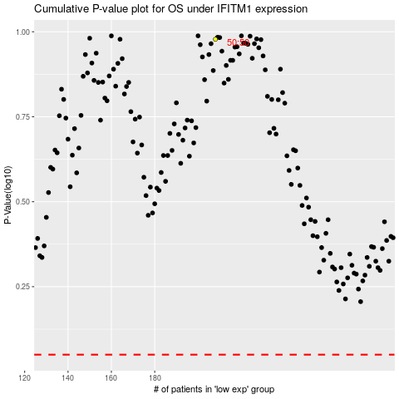

 |  |  |  |  |  | cases_OS | p_OS | rank | exp
 |  |  |  |  |  |  | cases_RFS | p_RFS | rank | exp

