IFITM2 _multivariate
Reported by Tex Li-Hsing Chi. tex@gate.sinica.edu.tw 2019-08-19

Table 2. The clinicopathological features of HNSCC cohort and IFITM2 expression. (Chi square test)
Cutoff at -0.273 (50.0%)
 |  | IFITM2 expression |  | IFITM2 expression |  | (Optimised)
 | Features | Low | (%) | High | (%) | Case no | P-value | Remark | Matthews
Gender | Female | 154 | 37.1 | 152 | 36.6 | 415 | 0.8463 | 0 | 0
2 | Male | 53 | 12.8 | 56 | 13.5
Age at diagnosis | <=65y | 139 | 33.5 | 135 | 32.5 | 415 | 0.7044 | 0 | 0
4 | >65y | 68 | 16.4 | 73 | 17.6
Clinical T Status | T1+T2 | 77 | 18.6 | 72 | 17.3 | 415 | 0.6556 | 0 | 0
6 | T3+T4 | 130 | 31.3 | 136 | 32.8
Clinical N Status | N0 | 105 | 25.3 | 111 | 26.7 | 415 | 0.6598 | 0 | 0
8 | N1-3 | 102 | 24.6 | 97 | 23.4
Clinical M Status | M0 | 205 | 49.4 | 207 | 49.9 | 415 | 0.6232 | 0 | 0
10 | M1 | 2 | 0.5 | 1 | 0.2
Clinical Stage | Stage I+II | 50 | 12 | 52 | 12.5 | 415 | 0.9315 | 0 | 0
12 | Stage III+IV | 157 | 37.8 | 156 | 37.6
Surgical Margin status | Negative | 156 | 37.6 | 162 | 39 | 415 | 0.5636 | 0 | 0
14 | Positive | 51 | 12.3 | 46 | 11.1
Tobacco Exposure | Low | 85 | 20.5 | 76 | 18.3 | 415 | 0.3655 | 0 | 0
16 | High | 122 | 29.4 | 132 | 31.8

Table 3. Univariate/Multivariate Cox's proportional hazards regression analyses on OS time of IFITM2 gene expression in HNSCC

 |  | Univariate |  |  |  | Multivariate
 | Features | HR | CI95%(L) | CI95%(H) | P-value | HR | CI95%(L) | CI95%(H) | P-value
1 | Female | 1 |  |  |  | 1
Gender | Male | 1.157 | 0.843 | 1.587 | 0.367 | 1.227 | 0.877 | 1.717 | 0.233
11 | <=65y | 1 |  |  |  | 1
Age at diagnosis | >65y | 1.329 | 0.99 | 1.784 | 0.058 | 1.4 | 1.03 | 1.902 | 0.032
12 | T1+T2 | 1 |  |  |  | 1
Clinical T Status | T3+T4 | 1.409 | 1.028 | 1.931 | 0.033 | 2.27 | 1.198 | 4.302 | 0.012
13 | N0 | 1 |  |  |  | 1
Clinical N Status | N1-3 | 1.185 | 0.89 | 1.577 | 0.246 | 1.216 | 0.851 | 1.736 | 0.283
14 | M0 | 1 |  |  |  | 1
Clinical M Status | M1 | 4.097 | 1.009 | 16.644 | 0.049 | 9.503 | 2.071 | 43.608 | 0.004
15 | Stage I+II | 1 |  |  |  | 1
Clinical Stage | Stage III+IV | 1.245 | 0.882 | 1.759 | 0.213 | 0.498 | 0.232 | 1.07 | 0.074
16 | Negative | 1 |  |  |  | 1
Surgical Margin status | Positive | 1.591 | 1.155 | 2.191 | 0.004 | 1.708 | 1.234 | 2.364 | 0.001
17 | Low | 1 |  |  |  | 1
Tobacco Exposure | High | 1.364 | 1.008 | 1.844 | 0.044 | 1.492 | 1.08 | 2.06 | 0.015
18 | Low | 1 |  |  |  | 1
RNAseq(z-score) | High | 0.81 | 0.608 | 1.079 | 0.15 | 0.765 | 0.572 | 1.023 | 0.071

Table 4. Univariate/Multivariate Cox's proportional hazards regression analyses on RFS time of IFITM2 gene expression in HNSCC

 |  | Univariate |  |  |  | Multivariate
 | Features | HR | CI95%(L) | CI95%(H) | P-value | HR | CI95%(L) | CI95%(H) | P-value
1 | Female | 1 |  |  |  | 1
Gender | Male | 1.157 | 0.843 | 1.587 | 0.367 | 1.227 | 0.877 | 1.717 | 0.233
11 | <=65y | 1 |  |  |  | 1
Age at diagnosis | >65y | 1.329 | 0.99 | 1.784 | 0.058 | 1.4 | 1.03 | 1.902 | 0.032
12 | T1+T2 | 1 |  |  |  | 1
Clinical T Status | T3+T4 | 1.409 | 1.028 | 1.931 | 0.033 | 2.27 | 1.198 | 4.302 | 0.012
13 | N0 | 1 |  |  |  | 1
Clinical N Status | N1-3 | 1.185 | 0.89 | 1.577 | 0.246 | 1.216 | 0.851 | 1.736 | 0.283
14 | M0 | 1 |  |  |  | 1
Clinical M Status | M1 | 4.097 | 1.009 | 16.644 | 0.049 | 9.503 | 2.071 | 43.608 | 0.004
15 | Stage I+II | 1 |  |  |  | 1
Clinical Stage | Stage III+IV | 1.245 | 0.882 | 1.759 | 0.213 | 0.498 | 0.232 | 1.07 | 0.074
16 | Negative | 1 |  |  |  | 1
Surgical Margin status | Positive | 1.591 | 1.155 | 2.191 | 0.004 | 1.708 | 1.234 | 2.364 | 0.001
17 | Low | 1 |  |  |  | 1
Tobacco Exposure | High | 1.364 | 1.008 | 1.844 | 0.044 | 1.492 | 1.08 | 2.06 | 0.015
18 | Low | 1 |  |  |  | 1
RNAseq(z-score) | High | 0.81 | 0.608 | 1.079 | 0.15 | 0.765 | 0.572 | 1.023 | 0.071

Kaplan-Meier survival estimate: Cutoff at -0.273 (50.0%)



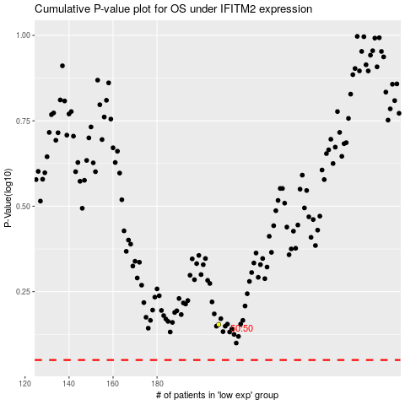

 |  |  |  |  |  | cases_OS | p_OS | rank | exp
 |  |  |  |  |  |  | cases_RFS | p_RFS | rank | exp

