IFNAR2 _multivariate
Reported by Tex Li-Hsing Chi. tex@gate.sinica.edu.tw 2019-08-19

Table 2. The clinicopathological features of HNSCC cohort and IFNAR2 expression. (Chi square test)
Cutoff at -0.109 (50.0%)
 |  | IFNAR2 expression |  | IFNAR2 expression |  | (Optimised)
 | Features | Low | (%) | High | (%) | Case no | P-value | Remark | Matthews
Gender | Female | 158 | 38.1 | 148 | 35.7 | 415 | 0.2774 | 0 | 0
2 | Male | 49 | 11.8 | 60 | 14.5
Age at diagnosis | <=65y | 135 | 32.5 | 139 | 33.5 | 415 | 0.8084 | 0 | 0
4 | >65y | 72 | 17.3 | 69 | 16.6
Clinical T Status | T1+T2 | 74 | 17.8 | 75 | 18.1 | 415 | 1 | 0 | 0
6 | T3+T4 | 133 | 32 | 133 | 32
Clinical N Status | N0 | 106 | 25.5 | 110 | 26.5 | 415 | 0.8075 | 0 | 0
8 | N1-3 | 101 | 24.3 | 98 | 23.6
Clinical M Status | M0 | 205 | 49.4 | 207 | 49.9 | 415 | 0.6232 | 0 | 0
10 | M1 | 2 | 0.5 | 1 | 0.2
Clinical Stage | Stage I+II | 49 | 11.8 | 53 | 12.8 | 415 | 0.7535 | 0 | 0
12 | Stage III+IV | 158 | 38.1 | 155 | 37.3
Surgical Margin status | Negative | 155 | 37.3 | 163 | 39.3 | 415 | 0.4187 | 0 | 0
14 | Positive | 52 | 12.5 | 45 | 10.8
Tobacco Exposure | Low | 82 | 19.8 | 79 | 19 | 415 | 0.763 | 0 | 0
16 | High | 125 | 30.1 | 129 | 31.1

Table 3. Univariate/Multivariate Cox's proportional hazards regression analyses on OS time of IFNAR2 gene expression in HNSCC

 |  | Univariate |  |  |  | Multivariate
 | Features | HR | CI95%(L) | CI95%(H) | P-value | HR | CI95%(L) | CI95%(H) | P-value
1 | Female | 1 |  |  |  | 1
Gender | Male | 1.157 | 0.843 | 1.587 | 0.367 | 1.205 | 0.862 | 1.683 | 0.275
11 | <=65y | 1 |  |  |  | 1
Age at diagnosis | >65y | 1.329 | 0.99 | 1.784 | 0.058 | 1.387 | 1.021 | 1.885 | 0.036
12 | T1+T2 | 1 |  |  |  | 1
Clinical T Status | T3+T4 | 1.409 | 1.028 | 1.931 | 0.033 | 2.216 | 1.172 | 4.191 | 0.014
13 | N0 | 1 |  |  |  | 1
Clinical N Status | N1-3 | 1.185 | 0.89 | 1.577 | 0.246 | 1.239 | 0.869 | 1.768 | 0.237
14 | M0 | 1 |  |  |  | 1
Clinical M Status | M1 | 4.097 | 1.009 | 16.644 | 0.049 | 9.4 | 2.05 | 43.095 | 0.004
15 | Stage I+II | 1 |  |  |  | 1
Clinical Stage | Stage III+IV | 1.245 | 0.882 | 1.759 | 0.213 | 0.498 | 0.232 | 1.069 | 0.074
16 | Negative | 1 |  |  |  | 1
Surgical Margin status | Positive | 1.591 | 1.155 | 2.191 | 0.004 | 1.667 | 1.206 | 2.304 | 0.002
17 | Low | 1 |  |  |  | 1
Tobacco Exposure | High | 1.364 | 1.008 | 1.844 | 0.044 | 1.46 | 1.059 | 2.012 | 0.021
18 | Low | 1 |  |  |  | 1
RNAseq(z-score) | High | 0.896 | 0.673 | 1.193 | 0.452 | 0.902 | 0.676 | 1.203 | 0.482

Table 4. Univariate/Multivariate Cox's proportional hazards regression analyses on RFS time of IFNAR2 gene expression in HNSCC

 |  | Univariate |  |  |  | Multivariate
 | Features | HR | CI95%(L) | CI95%(H) | P-value | HR | CI95%(L) | CI95%(H) | P-value
1 | Female | 1 |  |  |  | 1
Gender | Male | 1.157 | 0.843 | 1.587 | 0.367 | 1.205 | 0.862 | 1.683 | 0.275
11 | <=65y | 1 |  |  |  | 1
Age at diagnosis | >65y | 1.329 | 0.99 | 1.784 | 0.058 | 1.387 | 1.021 | 1.885 | 0.036
12 | T1+T2 | 1 |  |  |  | 1
Clinical T Status | T3+T4 | 1.409 | 1.028 | 1.931 | 0.033 | 2.216 | 1.172 | 4.191 | 0.014
13 | N0 | 1 |  |  |  | 1
Clinical N Status | N1-3 | 1.185 | 0.89 | 1.577 | 0.246 | 1.239 | 0.869 | 1.768 | 0.237
14 | M0 | 1 |  |  |  | 1
Clinical M Status | M1 | 4.097 | 1.009 | 16.644 | 0.049 | 9.4 | 2.05 | 43.095 | 0.004
15 | Stage I+II | 1 |  |  |  | 1
Clinical Stage | Stage III+IV | 1.245 | 0.882 | 1.759 | 0.213 | 0.498 | 0.232 | 1.069 | 0.074
16 | Negative | 1 |  |  |  | 1
Surgical Margin status | Positive | 1.591 | 1.155 | 2.191 | 0.004 | 1.667 | 1.206 | 2.304 | 0.002
17 | Low | 1 |  |  |  | 1
Tobacco Exposure | High | 1.364 | 1.008 | 1.844 | 0.044 | 1.46 | 1.059 | 2.012 | 0.021
18 | Low | 1 |  |  |  | 1
RNAseq(z-score) | High | 0.896 | 0.673 | 1.193 | 0.452 | 0.902 | 0.676 | 1.203 | 0.482

Kaplan-Meier survival estimate: Cutoff at -0.109 (50.0%)



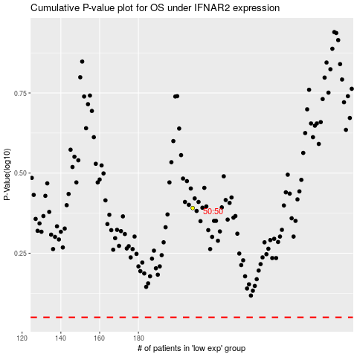

 |  |  |  |  |  | cases_OS | p_OS | rank | exp
 |  |  |  |  |  |  | cases_RFS | p_RFS | rank | exp

