IFNE _multivariate
Reported by Tex Li-Hsing Chi. tex@gate.sinica.edu.tw 2019-08-19

Table 2. The clinicopathological features of HNSCC cohort and IFNE expression. (Chi square test)
Cutoff at -0.323 (49.8%)
 |  | IFNE expression |  | IFNE expression |  | (Optimised)
 | Features | Low | (%) | High | (%) | Case no | P-value | Remark | Matthews
Gender | Female | 158 | 38.1 | 148 | 35.7 | 415 | 0.2774 | 0 | 0
2 | Male | 49 | 11.8 | 60 | 14.5
Age at diagnosis | <=65y | 138 | 33.3 | 136 | 32.8 | 415 | 0.8634 | 0 | 0
4 | >65y | 69 | 16.6 | 72 | 17.3
Clinical T Status | T1+T2 | 72 | 17.3 | 77 | 18.6 | 415 | 0.7095 | 0 | 0
6 | T3+T4 | 135 | 32.5 | 131 | 31.6
Clinical N Status | N0 | 95 | 22.9 | 121 | 29.2 | 415 | 0.0162 | 1 | 0
8 | N1-3 | 112 | 27 | 87 | 21
Clinical M Status | M0 | 206 | 49.6 | 206 | 49.6 | 415 | 1 | 0 | 0
10 | M1 | 1 | 0.2 | 2 | 0.5
Clinical Stage | Stage I+II | 41 | 9.9 | 61 | 14.7 | 415 | 0.0325 | 1 | 0
12 | Stage III+IV | 166 | 40 | 147 | 35.4
Surgical Margin status | Negative | 158 | 38.1 | 160 | 38.6 | 415 | 0.9081 | 0 | 0
14 | Positive | 49 | 11.8 | 48 | 11.6
Tobacco Exposure | Low | 71 | 17.1 | 90 | 21.7 | 415 | 0.0698 | 0 | 0
16 | High | 136 | 32.8 | 118 | 28.4

Table 3. Univariate/Multivariate Cox's proportional hazards regression analyses on OS time of IFNE gene expression in HNSCC

 |  | Univariate |  |  |  | Multivariate
 | Features | HR | CI95%(L) | CI95%(H) | P-value | HR | CI95%(L) | CI95%(H) | P-value
1 | Female | 1 |  |  |  | 1
Gender | Male | 1.157 | 0.843 | 1.587 | 0.367 | 1.188 | 0.85 | 1.661 | 0.313
11 | <=65y | 1 |  |  |  | 1
Age at diagnosis | >65y | 1.329 | 0.99 | 1.784 | 0.058 | 1.395 | 1.026 | 1.896 | 0.034
12 | T1+T2 | 1 |  |  |  | 1
Clinical T Status | T3+T4 | 1.409 | 1.028 | 1.931 | 0.033 | 2.192 | 1.159 | 4.146 | 0.016
13 | N0 | 1 |  |  |  | 1
Clinical N Status | N1-3 | 1.185 | 0.89 | 1.577 | 0.246 | 1.258 | 0.881 | 1.797 | 0.207
14 | M0 | 1 |  |  |  | 1
Clinical M Status | M1 | 4.097 | 1.009 | 16.644 | 0.049 | 9.113 | 1.984 | 41.863 | 0.005
15 | Stage I+II | 1 |  |  |  | 1
Clinical Stage | Stage III+IV | 1.245 | 0.882 | 1.759 | 0.213 | 0.514 | 0.239 | 1.105 | 0.088
16 | Negative | 1 |  |  |  | 1
Surgical Margin status | Positive | 1.591 | 1.155 | 2.191 | 0.004 | 1.665 | 1.204 | 2.301 | 0.002
17 | Low | 1 |  |  |  | 1
Tobacco Exposure | High | 1.364 | 1.008 | 1.844 | 0.044 | 1.455 | 1.056 | 2.005 | 0.022
18 | Low | 1 |  |  |  | 1
RNAseq(z-score) | High | 1.121 | 0.841 | 1.494 | 0.436 | 1.129 | 0.842 | 1.515 | 0.417

Table 4. Univariate/Multivariate Cox's proportional hazards regression analyses on RFS time of IFNE gene expression in HNSCC

 |  | Univariate |  |  |  | Multivariate
 | Features | HR | CI95%(L) | CI95%(H) | P-value | HR | CI95%(L) | CI95%(H) | P-value
1 | Female | 1 |  |  |  | 1
Gender | Male | 1.157 | 0.843 | 1.587 | 0.367 | 1.188 | 0.85 | 1.661 | 0.313
11 | <=65y | 1 |  |  |  | 1
Age at diagnosis | >65y | 1.329 | 0.99 | 1.784 | 0.058 | 1.395 | 1.026 | 1.896 | 0.034
12 | T1+T2 | 1 |  |  |  | 1
Clinical T Status | T3+T4 | 1.409 | 1.028 | 1.931 | 0.033 | 2.192 | 1.159 | 4.146 | 0.016
13 | N0 | 1 |  |  |  | 1
Clinical N Status | N1-3 | 1.185 | 0.89 | 1.577 | 0.246 | 1.258 | 0.881 | 1.797 | 0.207
14 | M0 | 1 |  |  |  | 1
Clinical M Status | M1 | 4.097 | 1.009 | 16.644 | 0.049 | 9.113 | 1.984 | 41.863 | 0.005
15 | Stage I+II | 1 |  |  |  | 1
Clinical Stage | Stage III+IV | 1.245 | 0.882 | 1.759 | 0.213 | 0.514 | 0.239 | 1.105 | 0.088
16 | Negative | 1 |  |  |  | 1
Surgical Margin status | Positive | 1.591 | 1.155 | 2.191 | 0.004 | 1.665 | 1.204 | 2.301 | 0.002
17 | Low | 1 |  |  |  | 1
Tobacco Exposure | High | 1.364 | 1.008 | 1.844 | 0.044 | 1.455 | 1.056 | 2.005 | 0.022
18 | Low | 1 |  |  |  | 1
RNAseq(z-score) | High | 1.121 | 0.841 | 1.494 | 0.436 | 1.129 | 0.842 | 1.515 | 0.417

Kaplan-Meier survival estimate: Cutoff at -0.323 (49.8%)



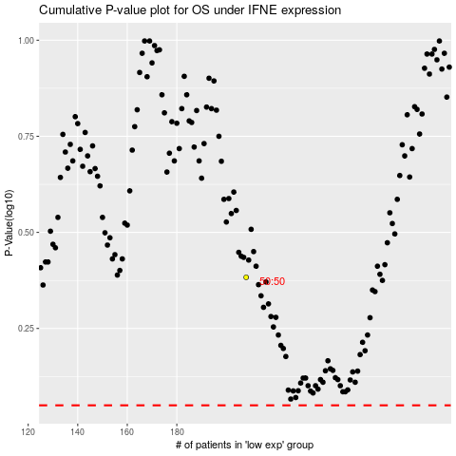

 |  |  |  |  |  | cases_OS | p_OS | rank | exp
 |  |  |  |  |  |  | cases_RFS | p_RFS | rank | exp

