IFNGR1 _multivariate
Reported by Tex Li-Hsing Chi. tex@gate.sinica.edu.tw 2019-08-19

Table 2. The clinicopathological features of HNSCC cohort and IFNGR1 expression. (Chi square test)
Cutoff at -0.17 (50.0%)
 |  | IFNGR1 expression |  | IFNGR1 expression |  | (Optimised)
 | Features | Low | (%) | High | (%) | Case no | P-value | Remark | Matthews
Gender | Female | 160 | 38.6 | 146 | 35.2 | 415 | 0.1254 | 0 | 0
2 | Male | 47 | 11.3 | 62 | 14.9
Age at diagnosis | <=65y | 137 | 33 | 137 | 33 | 415 | 1 | 0 | 0
4 | >65y | 70 | 16.9 | 71 | 17.1
Clinical T Status | T1+T2 | 75 | 18.1 | 74 | 17.8 | 415 | 0.9707 | 0 | 0
6 | T3+T4 | 132 | 31.8 | 134 | 32.3
Clinical N Status | N0 | 106 | 25.5 | 110 | 26.5 | 415 | 0.8075 | 0 | 0
8 | N1-3 | 101 | 24.3 | 98 | 23.6
Clinical M Status | M0 | 206 | 49.6 | 206 | 49.6 | 415 | 1 | 0 | 0
10 | M1 | 1 | 0.2 | 2 | 0.5
Clinical Stage | Stage I+II | 50 | 12 | 52 | 12.5 | 415 | 0.9315 | 0 | 0
12 | Stage III+IV | 157 | 37.8 | 156 | 37.6
Surgical Margin status | Negative | 158 | 38.1 | 160 | 38.6 | 415 | 0.9081 | 0 | 0
14 | Positive | 49 | 11.8 | 48 | 11.6
Tobacco Exposure | Low | 74 | 17.8 | 87 | 21 | 415 | 0.227 | 0 | 0
16 | High | 133 | 32 | 121 | 29.2

Table 3. Univariate/Multivariate Cox's proportional hazards regression analyses on OS time of IFNGR1 gene expression in HNSCC

 |  | Univariate |  |  |  | Multivariate
 | Features | HR | CI95%(L) | CI95%(H) | P-value | HR | CI95%(L) | CI95%(H) | P-value
1 | Female | 1 |  |  |  | 1
Gender | Male | 1.157 | 0.843 | 1.587 | 0.367 | 1.201 | 0.86 | 1.678 | 0.283
11 | <=65y | 1 |  |  |  | 1
Age at diagnosis | >65y | 1.329 | 0.99 | 1.784 | 0.058 | 1.39 | 1.022 | 1.89 | 0.036
12 | T1+T2 | 1 |  |  |  | 1
Clinical T Status | T3+T4 | 1.409 | 1.028 | 1.931 | 0.033 | 2.198 | 1.162 | 4.158 | 0.015
13 | N0 | 1 |  |  |  | 1
Clinical N Status | N1-3 | 1.185 | 0.89 | 1.577 | 0.246 | 1.239 | 0.868 | 1.768 | 0.239
14 | M0 | 1 |  |  |  | 1
Clinical M Status | M1 | 4.097 | 1.009 | 16.644 | 0.049 | 9.46 | 2.061 | 43.419 | 0.004
15 | Stage I+II | 1 |  |  |  | 1
Clinical Stage | Stage III+IV | 1.245 | 0.882 | 1.759 | 0.213 | 0.506 | 0.236 | 1.087 | 0.081
16 | Negative | 1 |  |  |  | 1
Surgical Margin status | Positive | 1.591 | 1.155 | 2.191 | 0.004 | 1.67 | 1.208 | 2.308 | 0.002
17 | Low | 1 |  |  |  | 1
Tobacco Exposure | High | 1.364 | 1.008 | 1.844 | 0.044 | 1.449 | 1.05 | 1.999 | 0.024
18 | Low | 1 |  |  |  | 1
RNAseq(z-score) | High | 0.934 | 0.701 | 1.244 | 0.642 | 0.975 | 0.73 | 1.302 | 0.863

Table 4. Univariate/Multivariate Cox's proportional hazards regression analyses on RFS time of IFNGR1 gene expression in HNSCC

 |  | Univariate |  |  |  | Multivariate
 | Features | HR | CI95%(L) | CI95%(H) | P-value | HR | CI95%(L) | CI95%(H) | P-value
1 | Female | 1 |  |  |  | 1
Gender | Male | 1.157 | 0.843 | 1.587 | 0.367 | 1.201 | 0.86 | 1.678 | 0.283
11 | <=65y | 1 |  |  |  | 1
Age at diagnosis | >65y | 1.329 | 0.99 | 1.784 | 0.058 | 1.39 | 1.022 | 1.89 | 0.036
12 | T1+T2 | 1 |  |  |  | 1
Clinical T Status | T3+T4 | 1.409 | 1.028 | 1.931 | 0.033 | 2.198 | 1.162 | 4.158 | 0.015
13 | N0 | 1 |  |  |  | 1
Clinical N Status | N1-3 | 1.185 | 0.89 | 1.577 | 0.246 | 1.239 | 0.868 | 1.768 | 0.239
14 | M0 | 1 |  |  |  | 1
Clinical M Status | M1 | 4.097 | 1.009 | 16.644 | 0.049 | 9.46 | 2.061 | 43.419 | 0.004
15 | Stage I+II | 1 |  |  |  | 1
Clinical Stage | Stage III+IV | 1.245 | 0.882 | 1.759 | 0.213 | 0.506 | 0.236 | 1.087 | 0.081
16 | Negative | 1 |  |  |  | 1
Surgical Margin status | Positive | 1.591 | 1.155 | 2.191 | 0.004 | 1.67 | 1.208 | 2.308 | 0.002
17 | Low | 1 |  |  |  | 1
Tobacco Exposure | High | 1.364 | 1.008 | 1.844 | 0.044 | 1.449 | 1.05 | 1.999 | 0.024
18 | Low | 1 |  |  |  | 1
RNAseq(z-score) | High | 0.934 | 0.701 | 1.244 | 0.642 | 0.975 | 0.73 | 1.302 | 0.863

Kaplan-Meier survival estimate: Cutoff at -0.17 (50.0%)



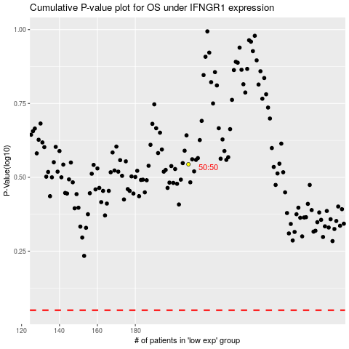

 |  |  |  |  |  | cases_OS | p_OS | rank | exp
 |  |  |  |  |  |  | cases_RFS | p_RFS | rank | exp

