IFRD2 _multivariate
Reported by Tex Li-Hsing Chi. tex@gate.sinica.edu.tw 2019-08-19

Table 2. The clinicopathological features of HNSCC cohort and IFRD2 expression. (Chi square test)
Cutoff at -0.235 (49.8%)
 |  | IFRD2 expression |  | IFRD2 expression |  | (Optimised)
 | Features | Low | (%) | High | (%) | Case no | P-value | Remark | Matthews
Gender | Female | 152 | 36.6 | 154 | 37.1 | 415 | 0.9766 | 0 | 0
2 | Male | 55 | 13.3 | 54 | 13
Age at diagnosis | <=65y | 144 | 34.7 | 130 | 31.3 | 415 | 0.1568 | 0 | 0
4 | >65y | 63 | 15.2 | 78 | 18.8
Clinical T Status | T1+T2 | 77 | 18.6 | 72 | 17.3 | 415 | 0.6556 | 0 | 0
6 | T3+T4 | 130 | 31.3 | 136 | 32.8
Clinical N Status | N0 | 107 | 25.8 | 109 | 26.3 | 415 | 0.9624 | 0 | 0
8 | N1-3 | 100 | 24.1 | 99 | 23.9
Clinical M Status | M0 | 207 | 49.9 | 205 | 49.4 | 415 | 0.2482 | 0 | 0
10 | M1 | 0 | 0 | 3 | 0.7
Clinical Stage | Stage I+II | 53 | 12.8 | 49 | 11.8 | 415 | 0.7113 | 0 | 0
12 | Stage III+IV | 154 | 37.1 | 159 | 38.3
Surgical Margin status | Negative | 159 | 38.3 | 159 | 38.3 | 415 | 1 | 0 | 0
14 | Positive | 48 | 11.6 | 49 | 11.8
Tobacco Exposure | Low | 81 | 19.5 | 80 | 19.3 | 415 | 0.9199 | 0 | 0
16 | High | 126 | 30.4 | 128 | 30.8

Table 3. Univariate/Multivariate Cox's proportional hazards regression analyses on OS time of IFRD2 gene expression in HNSCC

 |  | Univariate |  |  |  | Multivariate
 | Features | HR | CI95%(L) | CI95%(H) | P-value | HR | CI95%(L) | CI95%(H) | P-value
1 | Female | 1 |  |  |  | 1
Gender | Male | 1.157 | 0.843 | 1.587 | 0.367 | 1.205 | 0.863 | 1.683 | 0.273
11 | <=65y | 1 |  |  |  | 1
Age at diagnosis | >65y | 1.329 | 0.99 | 1.784 | 0.058 | 1.403 | 1.031 | 1.909 | 0.031
12 | T1+T2 | 1 |  |  |  | 1
Clinical T Status | T3+T4 | 1.409 | 1.028 | 1.931 | 0.033 | 2.227 | 1.176 | 4.215 | 0.014
13 | N0 | 1 |  |  |  | 1
Clinical N Status | N1-3 | 1.185 | 0.89 | 1.577 | 0.246 | 1.227 | 0.859 | 1.752 | 0.26
14 | M0 | 1 |  |  |  | 1
Clinical M Status | M1 | 4.097 | 1.009 | 16.644 | 0.049 | 10.161 | 2.188 | 47.186 | 0.003
15 | Stage I+II | 1 |  |  |  | 1
Clinical Stage | Stage III+IV | 1.245 | 0.882 | 1.759 | 0.213 | 0.503 | 0.234 | 1.08 | 0.078
16 | Negative | 1 |  |  |  | 1
Surgical Margin status | Positive | 1.591 | 1.155 | 2.191 | 0.004 | 1.692 | 1.222 | 2.342 | 0.002
17 | Low | 1 |  |  |  | 1
Tobacco Exposure | High | 1.364 | 1.008 | 1.844 | 0.044 | 1.461 | 1.06 | 2.013 | 0.021
18 | Low | 1 |  |  |  | 1
RNAseq(z-score) | High | 0.989 | 0.742 | 1.317 | 0.939 | 0.89 | 0.665 | 1.192 | 0.434

Table 4. Univariate/Multivariate Cox's proportional hazards regression analyses on RFS time of IFRD2 gene expression in HNSCC

 |  | Univariate |  |  |  | Multivariate
 | Features | HR | CI95%(L) | CI95%(H) | P-value | HR | CI95%(L) | CI95%(H) | P-value
1 | Female | 1 |  |  |  | 1
Gender | Male | 1.157 | 0.843 | 1.587 | 0.367 | 1.205 | 0.863 | 1.683 | 0.273
11 | <=65y | 1 |  |  |  | 1
Age at diagnosis | >65y | 1.329 | 0.99 | 1.784 | 0.058 | 1.403 | 1.031 | 1.909 | 0.031
12 | T1+T2 | 1 |  |  |  | 1
Clinical T Status | T3+T4 | 1.409 | 1.028 | 1.931 | 0.033 | 2.227 | 1.176 | 4.215 | 0.014
13 | N0 | 1 |  |  |  | 1
Clinical N Status | N1-3 | 1.185 | 0.89 | 1.577 | 0.246 | 1.227 | 0.859 | 1.752 | 0.26
14 | M0 | 1 |  |  |  | 1
Clinical M Status | M1 | 4.097 | 1.009 | 16.644 | 0.049 | 10.161 | 2.188 | 47.186 | 0.003
15 | Stage I+II | 1 |  |  |  | 1
Clinical Stage | Stage III+IV | 1.245 | 0.882 | 1.759 | 0.213 | 0.503 | 0.234 | 1.08 | 0.078
16 | Negative | 1 |  |  |  | 1
Surgical Margin status | Positive | 1.591 | 1.155 | 2.191 | 0.004 | 1.692 | 1.222 | 2.342 | 0.002
17 | Low | 1 |  |  |  | 1
Tobacco Exposure | High | 1.364 | 1.008 | 1.844 | 0.044 | 1.461 | 1.06 | 2.013 | 0.021
18 | Low | 1 |  |  |  | 1
RNAseq(z-score) | High | 0.989 | 0.742 | 1.317 | 0.939 | 0.89 | 0.665 | 1.192 | 0.434

Kaplan-Meier survival estimate: Cutoff at -0.235 (49.8%)



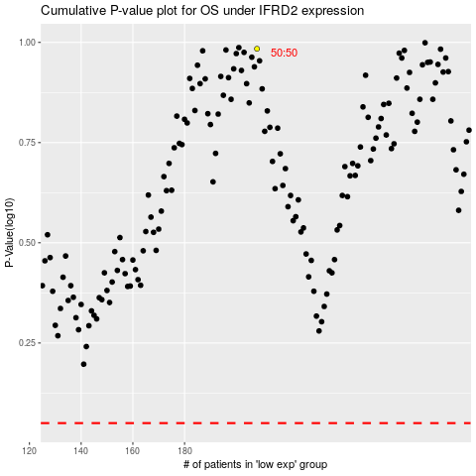

 |  |  |  |  |  | cases_OS | p_OS | rank | exp
 |  |  |  |  |  |  | cases_RFS | p_RFS | rank | exp

