IFT140 _multivariate
Reported by Tex Li-Hsing Chi. tex@gate.sinica.edu.tw 2019-08-19

Table 2. The clinicopathological features of HNSCC cohort and IFT140 expression. (Chi square test)
Cutoff at -0.46 (30.0%)
 |  | IFT140 expression |  | IFT140 expression |  | (Optimised)
 | Features | Low | (%) | High | (%) | Case no | P-value | Remark | Matthews
Gender | Female | 85 | 20.5 | 221 | 53.3 | 415 | 0.1049 | 0 | 0
2 | Male | 40 | 9.6 | 69 | 16.6
Age at diagnosis | <=65y | 79 | 19 | 195 | 47 | 415 | 0.4936 | 0 | 0
4 | >65y | 46 | 11.1 | 95 | 22.9
Clinical T Status | T1+T2 | 45 | 10.8 | 104 | 25.1 | 415 | 1 | 0 | 0
6 | T3+T4 | 80 | 19.3 | 186 | 44.8
Clinical N Status | N0 | 66 | 15.9 | 150 | 36.1 | 415 | 0.925 | 0 | 0
8 | N1-3 | 59 | 14.2 | 140 | 33.7
Clinical M Status | M0 | 124 | 29.9 | 288 | 69.4 | 415 | 1 | 0 | 0
10 | M1 | 1 | 0.2 | 2 | 0.5
Clinical Stage | Stage I+II | 31 | 7.5 | 71 | 17.1 | 415 | 1 | 0 | 0
12 | Stage III+IV | 94 | 22.7 | 219 | 52.8
Surgical Margin status | Negative | 91 | 21.9 | 227 | 54.7 | 415 | 0.2554 | 0 | 0
14 | Positive | 34 | 8.2 | 63 | 15.2
Tobacco Exposure | Low | 56 | 13.5 | 105 | 25.3 | 415 | 0.1013 | 0 | 0
16 | High | 69 | 16.6 | 185 | 44.6

Table 3. Univariate/Multivariate Cox's proportional hazards regression analyses on OS time of IFT140 gene expression in HNSCC

 |  | Univariate |  |  |  | Multivariate
 | Features | HR | CI95%(L) | CI95%(H) | P-value | HR | CI95%(L) | CI95%(H) | P-value
1 | Female | 1 |  |  |  | 1
Gender | Male | 1.157 | 0.843 | 1.587 | 0.367 | 1.158 | 0.826 | 1.624 | 0.394
11 | <=65y | 1 |  |  |  | 1
Age at diagnosis | >65y | 1.329 | 0.99 | 1.784 | 0.058 | 1.368 | 1.005 | 1.863 | 0.046
12 | T1+T2 | 1 |  |  |  | 1
Clinical T Status | T3+T4 | 1.409 | 1.028 | 1.931 | 0.033 | 2.264 | 1.197 | 4.282 | 0.012
13 | N0 | 1 |  |  |  | 1
Clinical N Status | N1-3 | 1.185 | 0.89 | 1.577 | 0.246 | 1.24 | 0.869 | 1.767 | 0.235
14 | M0 | 1 |  |  |  | 1
Clinical M Status | M1 | 4.097 | 1.009 | 16.644 | 0.049 | 9.279 | 2.022 | 42.585 | 0.004
15 | Stage I+II | 1 |  |  |  | 1
Clinical Stage | Stage III+IV | 1.245 | 0.882 | 1.759 | 0.213 | 0.489 | 0.228 | 1.05 | 0.067
16 | Negative | 1 |  |  |  | 1
Surgical Margin status | Positive | 1.591 | 1.155 | 2.191 | 0.004 | 1.666 | 1.205 | 2.303 | 0.002
17 | Low | 1 |  |  |  | 1
Tobacco Exposure | High | 1.364 | 1.008 | 1.844 | 0.044 | 1.507 | 1.089 | 2.084 | 0.013
18 | Low | 1 |  |  |  | 1
RNAseq(z-score) | High | 0.721 | 0.533 | 0.975 | 0.033 | 0.715 | 0.525 | 0.973 | 0.033

Table 4. Univariate/Multivariate Cox's proportional hazards regression analyses on RFS time of IFT140 gene expression in HNSCC

 |  | Univariate |  |  |  | Multivariate
 | Features | HR | CI95%(L) | CI95%(H) | P-value | HR | CI95%(L) | CI95%(H) | P-value
1 | Female | 1 |  |  |  | 1
Gender | Male | 1.157 | 0.843 | 1.587 | 0.367 | 1.158 | 0.826 | 1.624 | 0.394
11 | <=65y | 1 |  |  |  | 1
Age at diagnosis | >65y | 1.329 | 0.99 | 1.784 | 0.058 | 1.368 | 1.005 | 1.863 | 0.046
12 | T1+T2 | 1 |  |  |  | 1
Clinical T Status | T3+T4 | 1.409 | 1.028 | 1.931 | 0.033 | 2.264 | 1.197 | 4.282 | 0.012
13 | N0 | 1 |  |  |  | 1
Clinical N Status | N1-3 | 1.185 | 0.89 | 1.577 | 0.246 | 1.24 | 0.869 | 1.767 | 0.235
14 | M0 | 1 |  |  |  | 1
Clinical M Status | M1 | 4.097 | 1.009 | 16.644 | 0.049 | 9.279 | 2.022 | 42.585 | 0.004
15 | Stage I+II | 1 |  |  |  | 1
Clinical Stage | Stage III+IV | 1.245 | 0.882 | 1.759 | 0.213 | 0.489 | 0.228 | 1.05 | 0.067
16 | Negative | 1 |  |  |  | 1
Surgical Margin status | Positive | 1.591 | 1.155 | 2.191 | 0.004 | 1.666 | 1.205 | 2.303 | 0.002
17 | Low | 1 |  |  |  | 1
Tobacco Exposure | High | 1.364 | 1.008 | 1.844 | 0.044 | 1.507 | 1.089 | 2.084 | 0.013
18 | Low | 1 |  |  |  | 1
RNAseq(z-score) | High | 0.721 | 0.533 | 0.975 | 0.033 | 0.715 | 0.525 | 0.973 | 0.033

Kaplan-Meier survival estimate: Cutoff at -0.46 (30.0%)



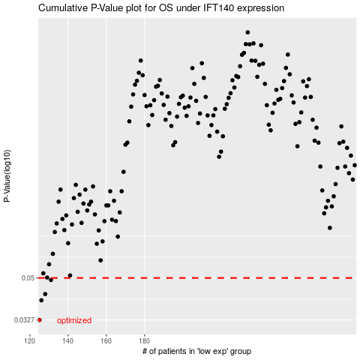

 |  |  |  |  |  | cases_OS | p_OS | rank | exp
 |  |  |  |  |  | 125 | 0.0327 | 290 | -0.46007461513
 |  |  |  |  |  | 126 | 0.0399 | 105 | -0.45692981698
 |  |  |  |  |  | 128 | 0.0425 | 340 | -0.45421241745
 |  |  |  |  |  | 131 | 0.049 | 49 | -0.4475819254
 |  |  |  |  |  |  | cases_RFS | p_RFS | rank | exp
 |  |  |  |  |  |  |  | 0.0327 | 409 | -0.46963922897
 |  |  |  |  |  |  | 125 | 0.0399 | 290 | -0.46007461513
 |  |  |  |  |  |  | 127 | 0.0425 | 248 | -0.45588759683
 |  |  |  |  |  |  | 130 | 0.049 | 251 | -0.44932453982

