IFT20 _multivariate
Reported by Tex Li-Hsing Chi. tex@gate.sinica.edu.tw 2019-08-19

Table 2. The clinicopathological features of HNSCC cohort and IFT20 expression. (Chi square test)
Cutoff at -0.2 (49.8%)
 |  | IFT20 expression |  | IFT20 expression |  | (Optimised)
 | Features | Low | (%) | High | (%) | Case no | P-value | Remark | Matthews
Gender | Female | 147 | 35.4 | 159 | 38.3 | 415 | 0.2523 | 0 | 0
2 | Male | 60 | 14.5 | 49 | 11.8
Age at diagnosis | <=65y | 138 | 33.3 | 136 | 32.8 | 415 | 0.8634 | 0 | 0
4 | >65y | 69 | 16.6 | 72 | 17.3
Clinical T Status | T1+T2 | 76 | 18.3 | 73 | 17.6 | 415 | 0.8092 | 0 | 0
6 | T3+T4 | 131 | 31.6 | 135 | 32.5
Clinical N Status | N0 | 111 | 26.7 | 105 | 25.3 | 415 | 0.5875 | 0 | 0
8 | N1-3 | 96 | 23.1 | 103 | 24.8
Clinical M Status | M0 | 207 | 49.9 | 205 | 49.4 | 415 | 0.2482 | 0 | 0
10 | M1 | 0 | 0 | 3 | 0.7
Clinical Stage | Stage I+II | 56 | 13.5 | 46 | 11.1 | 415 | 0.2918 | 0 | 0
12 | Stage III+IV | 151 | 36.4 | 162 | 39
Surgical Margin status | Negative | 169 | 40.7 | 149 | 35.9 | 415 | 0.0201 | 1 | 0
14 | Positive | 38 | 9.2 | 59 | 14.2
Tobacco Exposure | Low | 84 | 20.2 | 77 | 18.6 | 415 | 0.4816 | 0 | 0
16 | High | 123 | 29.6 | 131 | 31.6

Table 3. Univariate/Multivariate Cox's proportional hazards regression analyses on OS time of IFT20 gene expression in HNSCC

 |  | Univariate |  |  |  | Multivariate
 | Features | HR | CI95%(L) | CI95%(H) | P-value | HR | CI95%(L) | CI95%(H) | P-value
1 | Female | 1 |  |  |  | 1
Gender | Male | 1.157 | 0.843 | 1.587 | 0.367 | 1.198 | 0.857 | 1.675 | 0.29
11 | <=65y | 1 |  |  |  | 1
Age at diagnosis | >65y | 1.329 | 0.99 | 1.784 | 0.058 | 1.389 | 1.022 | 1.888 | 0.036
12 | T1+T2 | 1 |  |  |  | 1
Clinical T Status | T3+T4 | 1.409 | 1.028 | 1.931 | 0.033 | 2.223 | 1.175 | 4.205 | 0.014
13 | N0 | 1 |  |  |  | 1
Clinical N Status | N1-3 | 1.185 | 0.89 | 1.577 | 0.246 | 1.237 | 0.867 | 1.765 | 0.241
14 | M0 | 1 |  |  |  | 1
Clinical M Status | M1 | 4.097 | 1.009 | 16.644 | 0.049 | 8.808 | 1.911 | 40.597 | 0.005
15 | Stage I+II | 1 |  |  |  | 1
Clinical Stage | Stage III+IV | 1.245 | 0.882 | 1.759 | 0.213 | 0.5 | 0.233 | 1.074 | 0.076
16 | Negative | 1 |  |  |  | 1
Surgical Margin status | Positive | 1.591 | 1.155 | 2.191 | 0.004 | 1.64 | 1.184 | 2.271 | 0.003
17 | Low | 1 |  |  |  | 1
Tobacco Exposure | High | 1.364 | 1.008 | 1.844 | 0.044 | 1.435 | 1.041 | 1.978 | 0.028
18 | Low | 1 |  |  |  | 1
RNAseq(z-score) | High | 1.245 | 0.934 | 1.659 | 0.135 | 1.155 | 0.862 | 1.548 | 0.333

Table 4. Univariate/Multivariate Cox's proportional hazards regression analyses on RFS time of IFT20 gene expression in HNSCC

 |  | Univariate |  |  |  | Multivariate
 | Features | HR | CI95%(L) | CI95%(H) | P-value | HR | CI95%(L) | CI95%(H) | P-value
1 | Female | 1 |  |  |  | 1
Gender | Male | 1.157 | 0.843 | 1.587 | 0.367 | 1.198 | 0.857 | 1.675 | 0.29
11 | <=65y | 1 |  |  |  | 1
Age at diagnosis | >65y | 1.329 | 0.99 | 1.784 | 0.058 | 1.389 | 1.022 | 1.888 | 0.036
12 | T1+T2 | 1 |  |  |  | 1
Clinical T Status | T3+T4 | 1.409 | 1.028 | 1.931 | 0.033 | 2.223 | 1.175 | 4.205 | 0.014
13 | N0 | 1 |  |  |  | 1
Clinical N Status | N1-3 | 1.185 | 0.89 | 1.577 | 0.246 | 1.237 | 0.867 | 1.765 | 0.241
14 | M0 | 1 |  |  |  | 1
Clinical M Status | M1 | 4.097 | 1.009 | 16.644 | 0.049 | 8.808 | 1.911 | 40.597 | 0.005
15 | Stage I+II | 1 |  |  |  | 1
Clinical Stage | Stage III+IV | 1.245 | 0.882 | 1.759 | 0.213 | 0.5 | 0.233 | 1.074 | 0.076
16 | Negative | 1 |  |  |  | 1
Surgical Margin status | Positive | 1.591 | 1.155 | 2.191 | 0.004 | 1.64 | 1.184 | 2.271 | 0.003
17 | Low | 1 |  |  |  | 1
Tobacco Exposure | High | 1.364 | 1.008 | 1.844 | 0.044 | 1.435 | 1.041 | 1.978 | 0.028
18 | Low | 1 |  |  |  | 1
RNAseq(z-score) | High | 1.245 | 0.934 | 1.659 | 0.135 | 1.155 | 0.862 | 1.548 | 0.333

Kaplan-Meier survival estimate: Cutoff at -0.2 (49.8%)



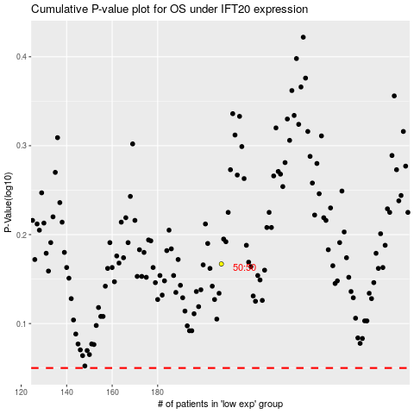

 |  |  |  |  |  | cases_OS | p_OS | rank | exp
 |  |  |  |  |  |  | cases_RFS | p_RFS | rank | exp

