IFT57 _multivariate
Reported by Tex Li-Hsing Chi. tex@gate.sinica.edu.tw 2019-08-19

Table 2. The clinicopathological features of HNSCC cohort and IFT57 expression. (Chi square test)
Cutoff at -0.188 (50.0%)
 |  | IFT57 expression |  | IFT57 expression |  | (Optimised)
 | Features | Low | (%) | High | (%) | Case no | P-value | Remark | Matthews
Gender | Female | 145 | 34.9 | 161 | 38.8 | 415 | 0.1116 | 0 | 0
2 | Male | 62 | 14.9 | 47 | 11.3
Age at diagnosis | <=65y | 131 | 31.6 | 143 | 34.5 | 415 | 0.2839 | 0 | 0
4 | >65y | 76 | 18.3 | 65 | 15.7
Clinical T Status | T1+T2 | 81 | 19.5 | 68 | 16.4 | 415 | 0.206 | 0 | 0
6 | T3+T4 | 126 | 30.4 | 140 | 33.7
Clinical N Status | N0 | 121 | 29.2 | 95 | 22.9 | 415 | 0.0122 | 1 | 0
8 | N1-3 | 86 | 20.7 | 113 | 27.2
Clinical M Status | M0 | 205 | 49.4 | 207 | 49.9 | 415 | 0.6232 | 0 | 0
10 | M1 | 2 | 0.5 | 1 | 0.2
Clinical Stage | Stage I+II | 59 | 14.2 | 43 | 10.4 | 415 | 0.0822 | 0 | 0
12 | Stage III+IV | 148 | 35.7 | 165 | 39.8
Surgical Margin status | Negative | 153 | 36.9 | 165 | 39.8 | 415 | 0.2036 | 0 | 0
14 | Positive | 54 | 13 | 43 | 10.4
Tobacco Exposure | Low | 89 | 21.4 | 72 | 17.3 | 415 | 0.0872 | 0 | 0
16 | High | 118 | 28.4 | 136 | 32.8

Table 3. Univariate/Multivariate Cox's proportional hazards regression analyses on OS time of IFT57 gene expression in HNSCC

 |  | Univariate |  |  |  | Multivariate
 | Features | HR | CI95%(L) | CI95%(H) | P-value | HR | CI95%(L) | CI95%(H) | P-value
1 | Female | 1 |  |  |  | 1
Gender | Male | 1.157 | 0.843 | 1.587 | 0.367 | 1.221 | 0.874 | 1.707 | 0.242
11 | <=65y | 1 |  |  |  | 1
Age at diagnosis | >65y | 1.329 | 0.99 | 1.784 | 0.058 | 1.376 | 1.012 | 1.871 | 0.042
12 | T1+T2 | 1 |  |  |  | 1
Clinical T Status | T3+T4 | 1.409 | 1.028 | 1.931 | 0.033 | 2.201 | 1.163 | 4.164 | 0.015
13 | N0 | 1 |  |  |  | 1
Clinical N Status | N1-3 | 1.185 | 0.89 | 1.577 | 0.246 | 1.212 | 0.848 | 1.734 | 0.291
14 | M0 | 1 |  |  |  | 1
Clinical M Status | M1 | 4.097 | 1.009 | 16.644 | 0.049 | 9.994 | 2.172 | 45.985 | 0.003
15 | Stage I+II | 1 |  |  |  | 1
Clinical Stage | Stage III+IV | 1.245 | 0.882 | 1.759 | 0.213 | 0.512 | 0.238 | 1.101 | 0.087
16 | Negative | 1 |  |  |  | 1
Surgical Margin status | Positive | 1.591 | 1.155 | 2.191 | 0.004 | 1.698 | 1.227 | 2.348 | 0.001
17 | Low | 1 |  |  |  | 1
Tobacco Exposure | High | 1.364 | 1.008 | 1.844 | 0.044 | 1.423 | 1.032 | 1.963 | 0.031
18 | Low | 1 |  |  |  | 1
RNAseq(z-score) | High | 1.155 | 0.867 | 1.54 | 0.325 | 1.182 | 0.88 | 1.587 | 0.268

Table 4. Univariate/Multivariate Cox's proportional hazards regression analyses on RFS time of IFT57 gene expression in HNSCC

 |  | Univariate |  |  |  | Multivariate
 | Features | HR | CI95%(L) | CI95%(H) | P-value | HR | CI95%(L) | CI95%(H) | P-value
1 | Female | 1 |  |  |  | 1
Gender | Male | 1.157 | 0.843 | 1.587 | 0.367 | 1.221 | 0.874 | 1.707 | 0.242
11 | <=65y | 1 |  |  |  | 1
Age at diagnosis | >65y | 1.329 | 0.99 | 1.784 | 0.058 | 1.376 | 1.012 | 1.871 | 0.042
12 | T1+T2 | 1 |  |  |  | 1
Clinical T Status | T3+T4 | 1.409 | 1.028 | 1.931 | 0.033 | 2.201 | 1.163 | 4.164 | 0.015
13 | N0 | 1 |  |  |  | 1
Clinical N Status | N1-3 | 1.185 | 0.89 | 1.577 | 0.246 | 1.212 | 0.848 | 1.734 | 0.291
14 | M0 | 1 |  |  |  | 1
Clinical M Status | M1 | 4.097 | 1.009 | 16.644 | 0.049 | 9.994 | 2.172 | 45.985 | 0.003
15 | Stage I+II | 1 |  |  |  | 1
Clinical Stage | Stage III+IV | 1.245 | 0.882 | 1.759 | 0.213 | 0.512 | 0.238 | 1.101 | 0.087
16 | Negative | 1 |  |  |  | 1
Surgical Margin status | Positive | 1.591 | 1.155 | 2.191 | 0.004 | 1.698 | 1.227 | 2.348 | 0.001
17 | Low | 1 |  |  |  | 1
Tobacco Exposure | High | 1.364 | 1.008 | 1.844 | 0.044 | 1.423 | 1.032 | 1.963 | 0.031
18 | Low | 1 |  |  |  | 1
RNAseq(z-score) | High | 1.155 | 0.867 | 1.54 | 0.325 | 1.182 | 0.88 | 1.587 | 0.268

Kaplan-Meier survival estimate: Cutoff at -0.188 (50.0%)



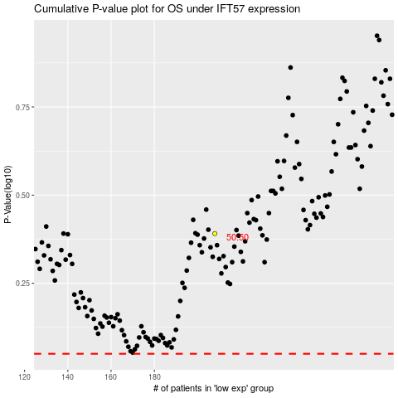

 |  |  |  |  |  | cases_OS | p_OS | rank | exp
 |  |  |  |  |  |  | cases_RFS | p_RFS | rank | exp

