IFT74 _multivariate
Reported by Tex Li-Hsing Chi. tex@gate.sinica.edu.tw 2019-08-19

Table 2. The clinicopathological features of HNSCC cohort and IFT74 expression. (Chi square test)
Cutoff at -0.543 (34.8%)
 |  | IFT74 expression |  | IFT74 expression |  | (Optimised)
 | Features | Low | (%) | High | (%) | Case no | P-value | Remark | Matthews
Gender | Female | 104 | 25.1 | 202 | 48.7 | 415 | 0.6941 | 0 | 0
2 | Male | 40 | 9.6 | 69 | 16.6
Age at diagnosis | <=65y | 88 | 21.2 | 186 | 44.8 | 415 | 0.1523 | 0 | 0
4 | >65y | 56 | 13.5 | 85 | 20.5
Clinical T Status | T1+T2 | 50 | 12 | 99 | 23.9 | 415 | 0.7962 | 0 | 0
6 | T3+T4 | 94 | 22.7 | 172 | 41.4
Clinical N Status | N0 | 84 | 20.2 | 132 | 31.8 | 415 | 0.0776 | 0 | 0
8 | N1-3 | 60 | 14.5 | 139 | 33.5
Clinical M Status | M0 | 143 | 34.5 | 269 | 64.8 | 415 | 1 | 0 | 0
10 | M1 | 1 | 0.2 | 2 | 0.5
Clinical Stage | Stage I+II | 38 | 9.2 | 64 | 15.4 | 415 | 0.6138 | 0 | 0
12 | Stage III+IV | 106 | 25.5 | 207 | 49.9
Surgical Margin status | Negative | 115 | 27.7 | 203 | 48.9 | 415 | 0.2749 | 0 | 0
14 | Positive | 29 | 7 | 68 | 16.4
Tobacco Exposure | Low | 51 | 12.3 | 110 | 26.5 | 415 | 0.3412 | 0 | 0
16 | High | 93 | 22.4 | 161 | 38.8

Table 3. Univariate/Multivariate Cox's proportional hazards regression analyses on OS time of IFT74 gene expression in HNSCC

 |  | Univariate |  |  |  | Multivariate
 | Features | HR | CI95%(L) | CI95%(H) | P-value | HR | CI95%(L) | CI95%(H) | P-value
1 | Female | 1 |  |  |  | 1
Gender | Male | 1.157 | 0.843 | 1.587 | 0.367 | 1.208 | 0.867 | 1.685 | 0.265
11 | <=65y | 1 |  |  |  | 1
Age at diagnosis | >65y | 1.329 | 0.99 | 1.784 | 0.058 | 1.437 | 1.057 | 1.955 | 0.021
12 | T1+T2 | 1 |  |  |  | 1
Clinical T Status | T3+T4 | 1.409 | 1.028 | 1.931 | 0.033 | 2.213 | 1.169 | 4.189 | 0.015
13 | N0 | 1 |  |  |  | 1
Clinical N Status | N1-3 | 1.185 | 0.89 | 1.577 | 0.246 | 1.164 | 0.813 | 1.666 | 0.406
14 | M0 | 1 |  |  |  | 1
Clinical M Status | M1 | 4.097 | 1.009 | 16.644 | 0.049 | 9.921 | 2.162 | 45.518 | 0.003
15 | Stage I+II | 1 |  |  |  | 1
Clinical Stage | Stage III+IV | 1.245 | 0.882 | 1.759 | 0.213 | 0.521 | 0.243 | 1.12 | 0.095
16 | Negative | 1 |  |  |  | 1
Surgical Margin status | Positive | 1.591 | 1.155 | 2.191 | 0.004 | 1.602 | 1.158 | 2.217 | 0.004
17 | Low | 1 |  |  |  | 1
Tobacco Exposure | High | 1.364 | 1.008 | 1.844 | 0.044 | 1.511 | 1.097 | 2.082 | 0.011
18 | Low | 1 |  |  |  | 1
RNAseq(z-score) | High | 1.435 | 1.049 | 1.962 | 0.024 | 1.503 | 1.092 | 2.071 | 0.013

Table 4. Univariate/Multivariate Cox's proportional hazards regression analyses on RFS time of IFT74 gene expression in HNSCC

 |  | Univariate |  |  |  | Multivariate
 | Features | HR | CI95%(L) | CI95%(H) | P-value | HR | CI95%(L) | CI95%(H) | P-value
1 | Female | 1 |  |  |  | 1
Gender | Male | 1.157 | 0.843 | 1.587 | 0.367 | 1.208 | 0.867 | 1.685 | 0.265
11 | <=65y | 1 |  |  |  | 1
Age at diagnosis | >65y | 1.329 | 0.99 | 1.784 | 0.058 | 1.437 | 1.057 | 1.955 | 0.021
12 | T1+T2 | 1 |  |  |  | 1
Clinical T Status | T3+T4 | 1.409 | 1.028 | 1.931 | 0.033 | 2.213 | 1.169 | 4.189 | 0.015
13 | N0 | 1 |  |  |  | 1
Clinical N Status | N1-3 | 1.185 | 0.89 | 1.577 | 0.246 | 1.164 | 0.813 | 1.666 | 0.406
14 | M0 | 1 |  |  |  | 1
Clinical M Status | M1 | 4.097 | 1.009 | 16.644 | 0.049 | 9.921 | 2.162 | 45.518 | 0.003
15 | Stage I+II | 1 |  |  |  | 1
Clinical Stage | Stage III+IV | 1.245 | 0.882 | 1.759 | 0.213 | 0.521 | 0.243 | 1.12 | 0.095
16 | Negative | 1 |  |  |  | 1
Surgical Margin status | Positive | 1.591 | 1.155 | 2.191 | 0.004 | 1.602 | 1.158 | 2.217 | 0.004
17 | Low | 1 |  |  |  | 1
Tobacco Exposure | High | 1.364 | 1.008 | 1.844 | 0.044 | 1.511 | 1.097 | 2.082 | 0.011
18 | Low | 1 |  |  |  | 1
RNAseq(z-score) | High | 1.435 | 1.049 | 1.962 | 0.024 | 1.503 | 1.092 | 2.071 | 0.013

Kaplan-Meier survival estimate: Cutoff at -0.543 (34.8%)

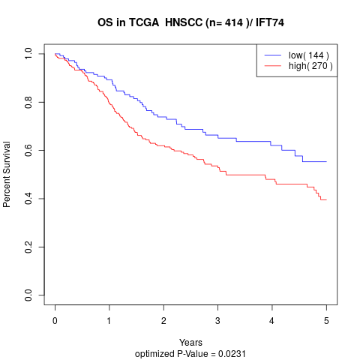

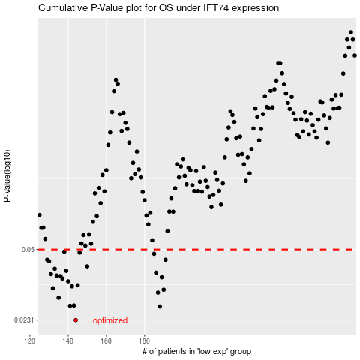

 |  |  |  |  |  | cases_OS | p_OS | rank | exp
 |  |  |  |  |  | 144 | 0.0231 | 281 | -0.54288683255
 |  |  |  |  |  | 188 | 0.0268 | 379 | -0.36676612843
 |  |  |  |  |  | 141 | 0.027 | 56 | -0.55856882506
 |  |  |  |  |  | 143 | 0.0271 | 317 | -0.54534259419
 |  |  |  |  |  | 135 | 0.0295 | 375 | -0.58651209713
 |  |  |  |  |  | 187 | 0.0312 | 5 | -0.3679677163
 |  |  |  |  |  | 190 | 0.0322 | 276 | -0.36412193397
 |  |  |  |  |  | 132 | 0.0327 | 4 | -0.59474091442
 |  |  |  |  |  | 142 | 0.0334 | 328 | -0.54726373249
 |  |  |  |  |  | 145 | 0.0338 | 370 | -0.53890520331
 |  |  |  |  |  | 140 | 0.0353 | 122 | -0.56435064502
 |  |  |  |  |  | 137 | 0.0364 | 69 | -0.5701605108
 |  |  |  |  |  | 189 | 0.0369 | 101 | -0.36645324231
 |  |  |  |  |  | 136 | 0.0374 | 25 | -0.57950414922
 |  |  |  |  |  | 134 | 0.0376 | 49 | -0.58774611298
 |  |  |  |  |  | 131 | 0.0382 | 335 | -0.59764102693
 |  |  |  |  |  | 186 | 0.0388 | 402 | -0.37245504663
 |  |  |  |  |  | 139 | 0.0396 | 312 | -0.56796680224
 |  |  |  |  |  | 133 | 0.0405 | 46 | -0.59258752172
 |  |  |  |  |  | 150 | 0.0416 | 297 | -0.52702517154
 |  |  |  |  |  | 130 | 0.044 | 336 | -0.59994691875
 |  |  |  |  |  | 191 | 0.0447 | 264 | -0.35905090013
 |  |  |  |  |  | 129 | 0.0447 | 345 | -0.60301793545
 |  |  |  |  |  | 185 | 0.0477 | 139 | -0.37434288052
 |  |  |  |  |  | 146 | 0.0483 | 254 | -0.53797355641
 |  |  |  |  |  | 138 | 0.0488 | 129 | -0.56841465884
 |  |  |  |  |  |  | cases_RFS | p_RFS | rank | exp
 |  |  |  |  |  |  | 143 | 0.0231 | 317 | -0.54534259419
 |  |  |  |  |  |  | 187 | 0.0268 | 5 | -0.3679677163
 |  |  |  |  |  |  | 140 | 0.027 | 122 | -0.56435064502
 |  |  |  |  |  |  | 142 | 0.0271 | 328 | -0.54726373249
 |  |  |  |  |  |  | 134 | 0.0295 | 49 | -0.58774611298
 |  |  |  |  |  |  | 186 | 0.0312 | 402 | -0.37245504663
 |  |  |  |  |  |  | 189 | 0.0322 | 101 | -0.36645324231
 |  |  |  |  |  |  | 131 | 0.0327 | 335 | -0.59764102693
 |  |  |  |  |  |  | 141 | 0.0334 | 56 | -0.55856882506
 |  |  |  |  |  |  | 144 | 0.0338 | 281 | -0.54288683255
 |  |  |  |  |  |  | 139 | 0.0353 | 312 | -0.56796680224
 |  |  |  |  |  |  | 136 | 0.0364 | 25 | -0.57950414922
 |  |  |  |  |  |  | 188 | 0.0369 | 379 | -0.36676612843
 |  |  |  |  |  |  | 135 | 0.0374 | 375 | -0.58651209713
 |  |  |  |  |  |  | 133 | 0.0376 | 46 | -0.59258752172
 |  |  |  |  |  |  | 130 | 0.0382 | 336 | -0.59994691875
 |  |  |  |  |  |  | 185 | 0.0388 | 139 | -0.37434288052
 |  |  |  |  |  |  | 138 | 0.0396 | 129 | -0.56841465884
 |  |  |  |  |  |  | 132 | 0.0405 | 4 | -0.59474091442
 |  |  |  |  |  |  | 149 | 0.0416 | 189 | -0.52743797087
 |  |  |  |  |  |  | 129 | 0.044 | 345 | -0.60301793545
 |  |  |  |  |  |  | 128 | 0.0447 | 105 | -0.60307840923
 |  |  |  |  |  |  | 190 | 0.0447 | 276 | -0.36412193397
 |  |  |  |  |  |  | 184 | 0.0477 | 37 | -0.37835167915
 |  |  |  |  |  |  | 145 | 0.0483 | 370 | -0.53890520331
 |  |  |  |  |  |  | 137 | 0.0488 | 69 | -0.5701605108

