IFT81 _multivariate
Reported by Tex Li-Hsing Chi. tex@gate.sinica.edu.tw 2019-08-19

Table 2. The clinicopathological features of HNSCC cohort and IFT81 expression. (Chi square test)
Cutoff at -0.215 (49.8%)
 |  | IFT81 expression |  | IFT81 expression |  | (Optimised)
 | Features | Low | (%) | High | (%) | Case no | P-value | Remark | Matthews
Gender | Female | 144 | 34.7 | 162 | 39 | 415 | 0.0697 | 0 | 0
2 | Male | 63 | 15.2 | 46 | 11.1
Age at diagnosis | <=65y | 138 | 33.3 | 136 | 32.8 | 415 | 0.8634 | 0 | 0
4 | >65y | 69 | 16.6 | 72 | 17.3
Clinical T Status | T1+T2 | 66 | 15.9 | 83 | 20 | 415 | 0.1095 | 0 | 0
6 | T3+T4 | 141 | 34 | 125 | 30.1
Clinical N Status | N0 | 113 | 27.2 | 103 | 24.8 | 415 | 0.3495 | 1 | 0
8 | N1-3 | 94 | 22.7 | 105 | 25.3
Clinical M Status | M0 | 205 | 49.4 | 207 | 49.9 | 415 | 0.6232 | 0 | 0
10 | M1 | 2 | 0.5 | 1 | 0.2
Clinical Stage | Stage I+II | 49 | 11.8 | 53 | 12.8 | 415 | 0.7535 | 0 | 0
12 | Stage III+IV | 158 | 38.1 | 155 | 37.3
Surgical Margin status | Negative | 162 | 39 | 156 | 37.6 | 415 | 0.4867 | 0 | 0
14 | Positive | 45 | 10.8 | 52 | 12.5
Tobacco Exposure | Low | 82 | 19.8 | 79 | 19 | 415 | 0.763 | 0 | 0
16 | High | 125 | 30.1 | 129 | 31.1

Table 3. Univariate/Multivariate Cox's proportional hazards regression analyses on OS time of IFT81 gene expression in HNSCC

 |  | Univariate |  |  |  | Multivariate
 | Features | HR | CI95%(L) | CI95%(H) | P-value | HR | CI95%(L) | CI95%(H) | P-value
1 | Female | 1 |  |  |  | 1
Gender | Male | 1.157 | 0.843 | 1.587 | 0.367 | 1.172 | 0.836 | 1.642 | 0.356
11 | <=65y | 1 |  |  |  | 1
Age at diagnosis | >65y | 1.329 | 0.99 | 1.784 | 0.058 | 1.41 | 1.036 | 1.918 | 0.029
12 | T1+T2 | 1 |  |  |  | 1
Clinical T Status | T3+T4 | 1.409 | 1.028 | 1.931 | 0.033 | 2.104 | 1.108 | 3.997 | 0.023
13 | N0 | 1 |  |  |  | 1
Clinical N Status | N1-3 | 1.185 | 0.89 | 1.577 | 0.246 | 1.263 | 0.884 | 1.804 | 0.199
14 | M0 | 1 |  |  |  | 1
Clinical M Status | M1 | 4.097 | 1.009 | 16.644 | 0.049 | 8.475 | 1.83 | 39.244 | 0.006
15 | Stage I+II | 1 |  |  |  | 1
Clinical Stage | Stage III+IV | 1.245 | 0.882 | 1.759 | 0.213 | 0.524 | 0.243 | 1.128 | 0.098
16 | Negative | 1 |  |  |  | 1
Surgical Margin status | Positive | 1.591 | 1.155 | 2.191 | 0.004 | 1.654 | 1.197 | 2.286 | 0.002
17 | Low | 1 |  |  |  | 1
Tobacco Exposure | High | 1.364 | 1.008 | 1.844 | 0.044 | 1.464 | 1.062 | 2.019 | 0.02
18 | Low | 1 |  |  |  | 1
RNAseq(z-score) | High | 0.809 | 0.606 | 1.079 | 0.149 | 0.842 | 0.626 | 1.133 | 0.256

Table 4. Univariate/Multivariate Cox's proportional hazards regression analyses on RFS time of IFT81 gene expression in HNSCC

 |  | Univariate |  |  |  | Multivariate
 | Features | HR | CI95%(L) | CI95%(H) | P-value | HR | CI95%(L) | CI95%(H) | P-value
1 | Female | 1 |  |  |  | 1
Gender | Male | 1.157 | 0.843 | 1.587 | 0.367 | 1.172 | 0.836 | 1.642 | 0.356
11 | <=65y | 1 |  |  |  | 1
Age at diagnosis | >65y | 1.329 | 0.99 | 1.784 | 0.058 | 1.41 | 1.036 | 1.918 | 0.029
12 | T1+T2 | 1 |  |  |  | 1
Clinical T Status | T3+T4 | 1.409 | 1.028 | 1.931 | 0.033 | 2.104 | 1.108 | 3.997 | 0.023
13 | N0 | 1 |  |  |  | 1
Clinical N Status | N1-3 | 1.185 | 0.89 | 1.577 | 0.246 | 1.263 | 0.884 | 1.804 | 0.199
14 | M0 | 1 |  |  |  | 1
Clinical M Status | M1 | 4.097 | 1.009 | 16.644 | 0.049 | 8.475 | 1.83 | 39.244 | 0.006
15 | Stage I+II | 1 |  |  |  | 1
Clinical Stage | Stage III+IV | 1.245 | 0.882 | 1.759 | 0.213 | 0.524 | 0.243 | 1.128 | 0.098
16 | Negative | 1 |  |  |  | 1
Surgical Margin status | Positive | 1.591 | 1.155 | 2.191 | 0.004 | 1.654 | 1.197 | 2.286 | 0.002
17 | Low | 1 |  |  |  | 1
Tobacco Exposure | High | 1.364 | 1.008 | 1.844 | 0.044 | 1.464 | 1.062 | 2.019 | 0.02
18 | Low | 1 |  |  |  | 1
RNAseq(z-score) | High | 0.809 | 0.606 | 1.079 | 0.149 | 0.842 | 0.626 | 1.133 | 0.256

Kaplan-Meier survival estimate: Cutoff at -0.215 (49.8%)



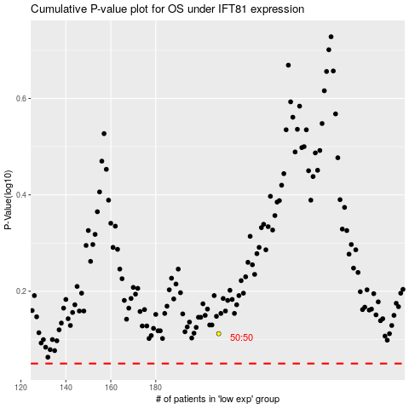

 |  |  |  |  |  | cases_OS | p_OS | rank | exp
 |  |  |  |  |  |  | cases_RFS | p_RFS | rank | exp

