IFT88 _multivariate
Reported by Tex Li-Hsing Chi. tex@gate.sinica.edu.tw 2019-08-19

Table 2. The clinicopathological features of HNSCC cohort and IFT88 expression. (Chi square test)
Cutoff at -0.191 (49.8%)
 |  | IFT88 expression |  | IFT88 expression |  | (Optimised)
 | Features | Low | (%) | High | (%) | Case no | P-value | Remark | Matthews
Gender | Female | 157 | 37.8 | 149 | 35.9 | 415 | 0.3881 | 0 | 0
2 | Male | 50 | 12 | 59 | 14.2
Age at diagnosis | <=65y | 137 | 33 | 137 | 33 | 415 | 1 | 0 | 0
4 | >65y | 70 | 16.9 | 71 | 17.1
Clinical T Status | T1+T2 | 62 | 14.9 | 87 | 21 | 415 | 0.0156 | 1 | 0
6 | T3+T4 | 145 | 34.9 | 121 | 29.2
Clinical N Status | N0 | 115 | 27.7 | 101 | 24.3 | 415 | 0.184 | 1 | 0
8 | N1-3 | 92 | 22.2 | 107 | 25.8
Clinical M Status | M0 | 206 | 49.6 | 206 | 49.6 | 415 | 1 | 0 | 0
10 | M1 | 1 | 0.2 | 2 | 0.5
Clinical Stage | Stage I+II | 44 | 10.6 | 58 | 14 | 415 | 0.1459 | 0 | 0
12 | Stage III+IV | 163 | 39.3 | 150 | 36.1
Surgical Margin status | Negative | 163 | 39.3 | 155 | 37.3 | 415 | 0.3537 | 0 | 0
14 | Positive | 44 | 10.6 | 53 | 12.8
Tobacco Exposure | Low | 79 | 19 | 82 | 19.8 | 415 | 0.8405 | 0 | 0
16 | High | 128 | 30.8 | 126 | 30.4

Table 3. Univariate/Multivariate Cox's proportional hazards regression analyses on OS time of IFT88 gene expression in HNSCC

 |  | Univariate |  |  |  | Multivariate
 | Features | HR | CI95%(L) | CI95%(H) | P-value | HR | CI95%(L) | CI95%(H) | P-value
1 | Female | 1 |  |  |  | 1
Gender | Male | 1.157 | 0.843 | 1.587 | 0.367 | 1.2 | 0.858 | 1.677 | 0.286
11 | <=65y | 1 |  |  |  | 1
Age at diagnosis | >65y | 1.329 | 0.99 | 1.784 | 0.058 | 1.395 | 1.026 | 1.897 | 0.034
12 | T1+T2 | 1 |  |  |  | 1
Clinical T Status | T3+T4 | 1.409 | 1.028 | 1.931 | 0.033 | 2.18 | 1.152 | 4.124 | 0.017
13 | N0 | 1 |  |  |  | 1
Clinical N Status | N1-3 | 1.185 | 0.89 | 1.577 | 0.246 | 1.262 | 0.882 | 1.807 | 0.203
14 | M0 | 1 |  |  |  | 1
Clinical M Status | M1 | 4.097 | 1.009 | 16.644 | 0.049 | 9.35 | 2.039 | 42.867 | 0.004
15 | Stage I+II | 1 |  |  |  | 1
Clinical Stage | Stage III+IV | 1.245 | 0.882 | 1.759 | 0.213 | 0.5 | 0.233 | 1.073 | 0.075
16 | Negative | 1 |  |  |  | 1
Surgical Margin status | Positive | 1.591 | 1.155 | 2.191 | 0.004 | 1.672 | 1.21 | 2.309 | 0.002
17 | Low | 1 |  |  |  | 1
Tobacco Exposure | High | 1.364 | 1.008 | 1.844 | 0.044 | 1.451 | 1.052 | 2 | 0.023
18 | Low | 1 |  |  |  | 1
RNAseq(z-score) | High | 0.874 | 0.656 | 1.164 | 0.357 | 0.905 | 0.676 | 1.21 | 0.499

Table 4. Univariate/Multivariate Cox's proportional hazards regression analyses on RFS time of IFT88 gene expression in HNSCC

 |  | Univariate |  |  |  | Multivariate
 | Features | HR | CI95%(L) | CI95%(H) | P-value | HR | CI95%(L) | CI95%(H) | P-value
1 | Female | 1 |  |  |  | 1
Gender | Male | 1.157 | 0.843 | 1.587 | 0.367 | 1.2 | 0.858 | 1.677 | 0.286
11 | <=65y | 1 |  |  |  | 1
Age at diagnosis | >65y | 1.329 | 0.99 | 1.784 | 0.058 | 1.395 | 1.026 | 1.897 | 0.034
12 | T1+T2 | 1 |  |  |  | 1
Clinical T Status | T3+T4 | 1.409 | 1.028 | 1.931 | 0.033 | 2.18 | 1.152 | 4.124 | 0.017
13 | N0 | 1 |  |  |  | 1
Clinical N Status | N1-3 | 1.185 | 0.89 | 1.577 | 0.246 | 1.262 | 0.882 | 1.807 | 0.203
14 | M0 | 1 |  |  |  | 1
Clinical M Status | M1 | 4.097 | 1.009 | 16.644 | 0.049 | 9.35 | 2.039 | 42.867 | 0.004
15 | Stage I+II | 1 |  |  |  | 1
Clinical Stage | Stage III+IV | 1.245 | 0.882 | 1.759 | 0.213 | 0.5 | 0.233 | 1.073 | 0.075
16 | Negative | 1 |  |  |  | 1
Surgical Margin status | Positive | 1.591 | 1.155 | 2.191 | 0.004 | 1.672 | 1.21 | 2.309 | 0.002
17 | Low | 1 |  |  |  | 1
Tobacco Exposure | High | 1.364 | 1.008 | 1.844 | 0.044 | 1.451 | 1.052 | 2 | 0.023
18 | Low | 1 |  |  |  | 1
RNAseq(z-score) | High | 0.874 | 0.656 | 1.164 | 0.357 | 0.905 | 0.676 | 1.21 | 0.499

Kaplan-Meier survival estimate: Cutoff at -0.191 (49.8%)



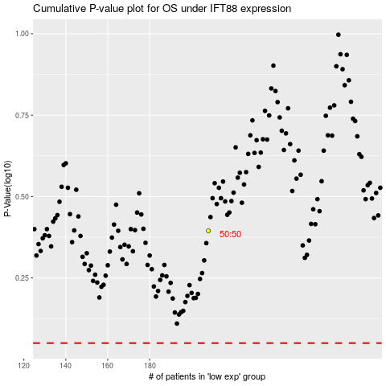

 |  |  |  |  |  | cases_OS | p_OS | rank | exp
 |  |  |  |  |  |  | cases_RFS | p_RFS | rank | exp

