IGF2BP1 _multivariate
Reported by Tex Li-Hsing Chi. tex@gate.sinica.edu.tw 2019-08-19

Table 2. The clinicopathological features of HNSCC cohort and IGF2BP1 expression. (Chi square test)
Cutoff at 0.007 (69.8%)
 |  | IGF2BP1 expression |  | IGF2BP1 expression |  | (Optimised)
 | Features | Low | (%) | High | (%) | Case no | P-value | Remark | Matthews
Gender | Female | 208 | 50.1 | 98 | 23.6 | 415 | 0.1949 | 0 | 0
2 | Male | 82 | 19.8 | 27 | 6.5
Age at diagnosis | <=65y | 191 | 46 | 83 | 20 | 415 | 1 | 0 | 0
4 | >65y | 99 | 23.9 | 42 | 10.1
Clinical T Status | T1+T2 | 119 | 28.7 | 30 | 7.2 | 415 | 0.0013 | 1 | 0
6 | T3+T4 | 171 | 41.2 | 95 | 22.9
Clinical N Status | N0 | 149 | 35.9 | 67 | 16.1 | 415 | 0.7578 | 0 | 0
8 | N1-3 | 141 | 34 | 58 | 14
Clinical M Status | M0 | 288 | 69.4 | 124 | 29.9 | 415 | 1 | 0 | 0
10 | M1 | 2 | 0.5 | 1 | 0.2
Clinical Stage | Stage I+II | 79 | 19 | 23 | 5.5 | 415 | 0.0727 | 0 | 0
12 | Stage III+IV | 211 | 50.8 | 102 | 24.6
Surgical Margin status | Negative | 220 | 53 | 98 | 23.6 | 415 | 0.6148 | 0 | 0
14 | Positive | 70 | 16.9 | 27 | 6.5
Tobacco Exposure | Low | 123 | 29.6 | 38 | 9.2 | 415 | 0.0216 | 1 | 0
16 | High | 167 | 40.2 | 87 | 21

Table 3. Univariate/Multivariate Cox's proportional hazards regression analyses on OS time of IGF2BP1 gene expression in HNSCC

 |  | Univariate |  |  |  | Multivariate
 | Features | HR | CI95%(L) | CI95%(H) | P-value | HR | CI95%(L) | CI95%(H) | P-value
1 | Female | 1 |  |  |  | 1
Gender | Male | 1.157 | 0.843 | 1.587 | 0.367 | 1.253 | 0.894 | 1.756 | 0.19
11 | <=65y | 1 |  |  |  | 1
Age at diagnosis | >65y | 1.329 | 0.99 | 1.784 | 0.058 | 1.386 | 1.02 | 1.885 | 0.037
12 | T1+T2 | 1 |  |  |  | 1
Clinical T Status | T3+T4 | 1.409 | 1.028 | 1.931 | 0.033 | 2.039 | 1.073 | 3.876 | 0.03
13 | N0 | 1 |  |  |  | 1
Clinical N Status | N1-3 | 1.185 | 0.89 | 1.577 | 0.246 | 1.255 | 0.878 | 1.792 | 0.213
14 | M0 | 1 |  |  |  | 1
Clinical M Status | M1 | 4.097 | 1.009 | 16.644 | 0.049 | 9.249 | 2.016 | 42.43 | 0.004
15 | Stage I+II | 1 |  |  |  | 1
Clinical Stage | Stage III+IV | 1.245 | 0.882 | 1.759 | 0.213 | 0.515 | 0.239 | 1.107 | 0.089
16 | Negative | 1 |  |  |  | 1
Surgical Margin status | Positive | 1.591 | 1.155 | 2.191 | 0.004 | 1.683 | 1.217 | 2.327 | 0.002
17 | Low | 1 |  |  |  | 1
Tobacco Exposure | High | 1.364 | 1.008 | 1.844 | 0.044 | 1.392 | 1.008 | 1.922 | 0.045
18 | Low | 1 |  |  |  | 1
RNAseq(z-score) | High | 1.479 | 1.095 | 1.997 | 0.011 | 1.415 | 1.034 | 1.936 | 0.03

Table 4. Univariate/Multivariate Cox's proportional hazards regression analyses on RFS time of IGF2BP1 gene expression in HNSCC

 |  | Univariate |  |  |  | Multivariate
 | Features | HR | CI95%(L) | CI95%(H) | P-value | HR | CI95%(L) | CI95%(H) | P-value
1 | Female | 1 |  |  |  | 1
Gender | Male | 1.157 | 0.843 | 1.587 | 0.367 | 1.253 | 0.894 | 1.756 | 0.19
11 | <=65y | 1 |  |  |  | 1
Age at diagnosis | >65y | 1.329 | 0.99 | 1.784 | 0.058 | 1.386 | 1.02 | 1.885 | 0.037
12 | T1+T2 | 1 |  |  |  | 1
Clinical T Status | T3+T4 | 1.409 | 1.028 | 1.931 | 0.033 | 2.039 | 1.073 | 3.876 | 0.03
13 | N0 | 1 |  |  |  | 1
Clinical N Status | N1-3 | 1.185 | 0.89 | 1.577 | 0.246 | 1.255 | 0.878 | 1.792 | 0.213
14 | M0 | 1 |  |  |  | 1
Clinical M Status | M1 | 4.097 | 1.009 | 16.644 | 0.049 | 9.249 | 2.016 | 42.43 | 0.004
15 | Stage I+II | 1 |  |  |  | 1
Clinical Stage | Stage III+IV | 1.245 | 0.882 | 1.759 | 0.213 | 0.515 | 0.239 | 1.107 | 0.089
16 | Negative | 1 |  |  |  | 1
Surgical Margin status | Positive | 1.591 | 1.155 | 2.191 | 0.004 | 1.683 | 1.217 | 2.327 | 0.002
17 | Low | 1 |  |  |  | 1
Tobacco Exposure | High | 1.364 | 1.008 | 1.844 | 0.044 | 1.392 | 1.008 | 1.922 | 0.045
18 | Low | 1 |  |  |  | 1
RNAseq(z-score) | High | 1.479 | 1.095 | 1.997 | 0.011 | 1.415 | 1.034 | 1.936 | 0.03

Kaplan-Meier survival estimate: Cutoff at 0.007 (69.8%)

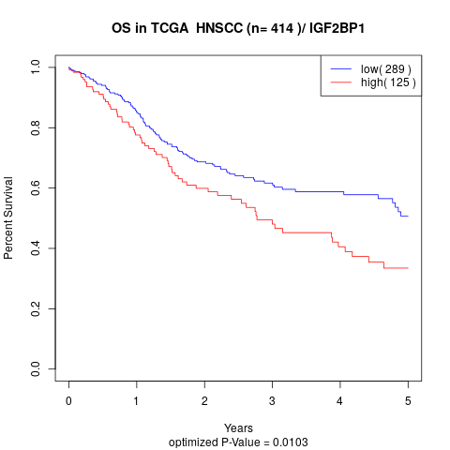

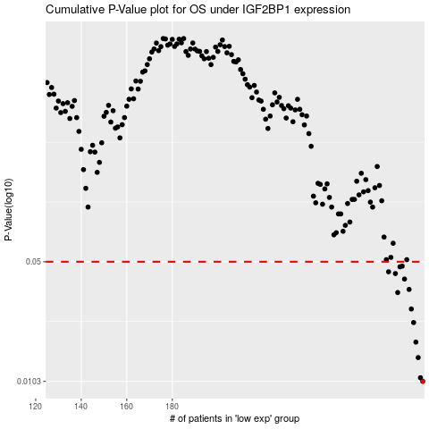

 |  |  |  |  |  | cases_OS | p_OS | rank | exp
 |  |  |  |  |  | 290 | 0.0103 | 145 | 0.0070149968512
 |  |  |  |  |  | 289 | 0.0108 | 94 | -0.01417242287
 |  |  |  |  |  | 288 | 0.0141 | 392 | -0.016467204205
 |  |  |  |  |  | 287 | 0.0173 | 102 | -0.020401394957
 |  |  |  |  |  | 286 | 0.0224 | 83 | -0.024916015994
 |  |  |  |  |  | 285 | 0.0268 | 378 | -0.025444281025
 |  |  |  |  |  | 279 | 0.0333 | 61 | -0.060592640977
 |  |  |  |  |  | 284 | 0.0347 | 150 | -0.026044058985
 |  |  |  |  |  | 282 | 0.0398 | 163 | -0.041140389426
 |  |  |  |  |  | 278 | 0.0428 | 128 | -0.062340299419
 |  |  |  |  |  | 275 | 0.0438 | 56 | -0.1004684464
 |  |  |  |  |  | 280 | 0.0468 | 10 | -0.057046628284
 |  |  |  |  |  | 281 | 0.0472 | 316 | -0.050408661018
 |  |  |  |  |  |  | cases_RFS | p_RFS | rank | exp
 |  |  |  |  |  |  | 289 | 0.0103 | 94 | -0.01417242287
 |  |  |  |  |  |  | 288 | 0.0108 | 392 | -0.016467204205
 |  |  |  |  |  |  | 287 | 0.0141 | 102 | -0.020401394957
 |  |  |  |  |  |  | 286 | 0.0173 | 83 | -0.024916015994
 |  |  |  |  |  |  | 285 | 0.0224 | 378 | -0.025444281025
 |  |  |  |  |  |  | 284 | 0.0268 | 150 | -0.026044058985
 |  |  |  |  |  |  | 278 | 0.0333 | 128 | -0.062340299419
 |  |  |  |  |  |  | 283 | 0.0347 | 63 | -0.035452172641
 |  |  |  |  |  |  | 281 | 0.0398 | 316 | -0.050408661018
 |  |  |  |  |  |  | 277 | 0.0428 | 188 | -0.071432972482
 |  |  |  |  |  |  | 274 | 0.0438 | 336 | -0.10745883526
 |  |  |  |  |  |  | 279 | 0.0468 | 61 | -0.060592640977
 |  |  |  |  |  |  | 280 | 0.0472 | 10 | -0.057046628284

