IGF2BP3 _multivariate
Reported by Tex Li-Hsing Chi. tex@gate.sinica.edu.tw 2019-08-19

Table 2. The clinicopathological features of HNSCC cohort and IGF2BP3 expression. (Chi square test)
Cutoff at -0.593 (31.6%)
 |  | IGF2BP3 expression |  | IGF2BP3 expression |  | (Optimised)
 | Features | Low | (%) | High | (%) | Case no | P-value | Remark | Matthews
Gender | Female | 90 | 21.7 | 216 | 52 | 415 | 0.1437 | 0 | 0
2 | Male | 41 | 9.9 | 68 | 16.4
Age at diagnosis | <=65y | 88 | 21.2 | 186 | 44.8 | 415 | 0.8221 | 0 | 0
4 | >65y | 43 | 10.4 | 98 | 23.6
Clinical T Status | T1+T2 | 58 | 14 | 91 | 21.9 | 415 | 0.0212 | 1 | 0
6 | T3+T4 | 73 | 17.6 | 193 | 46.5
Clinical N Status | N0 | 74 | 17.8 | 142 | 34.2 | 415 | 0.261 | 0 | 0
8 | N1-3 | 57 | 13.7 | 142 | 34.2
Clinical M Status | M0 | 131 | 31.6 | 281 | 67.7 | 415 | 0.5549 | 0 | 0
10 | M1 | 0 | 0 | 3 | 0.7
Clinical Stage | Stage I+II | 44 | 10.6 | 58 | 14 | 415 | 0.0056 | 1 | 0
12 | Stage III+IV | 87 | 21 | 226 | 54.5
Surgical Margin status | Negative | 99 | 23.9 | 219 | 52.8 | 415 | 0.803 | 0 | 0
14 | Positive | 32 | 7.7 | 65 | 15.7
Tobacco Exposure | Low | 58 | 14 | 103 | 24.8 | 415 | 0.1299 | 0 | 0
16 | High | 73 | 17.6 | 181 | 43.6

Table 3. Univariate/Multivariate Cox's proportional hazards regression analyses on OS time of IGF2BP3 gene expression in HNSCC

 |  | Univariate |  |  |  | Multivariate
 | Features | HR | CI95%(L) | CI95%(H) | P-value | HR | CI95%(L) | CI95%(H) | P-value
1 | Female | 1 |  |  |  | 1
Gender | Male | 1.157 | 0.843 | 1.587 | 0.367 | 1.25 | 0.893 | 1.751 | 0.194
11 | <=65y | 1 |  |  |  | 1
Age at diagnosis | >65y | 1.329 | 0.99 | 1.784 | 0.058 | 1.375 | 1.01 | 1.872 | 0.043
12 | T1+T2 | 1 |  |  |  | 1
Clinical T Status | T3+T4 | 1.409 | 1.028 | 1.931 | 0.033 | 2.179 | 1.152 | 4.122 | 0.017
13 | N0 | 1 |  |  |  | 1
Clinical N Status | N1-3 | 1.185 | 0.89 | 1.577 | 0.246 | 1.241 | 0.869 | 1.774 | 0.235
14 | M0 | 1 |  |  |  | 1
Clinical M Status | M1 | 4.097 | 1.009 | 16.644 | 0.049 | 8.643 | 1.881 | 39.713 | 0.006
15 | Stage I+II | 1 |  |  |  | 1
Clinical Stage | Stage III+IV | 1.245 | 0.882 | 1.759 | 0.213 | 0.483 | 0.225 | 1.038 | 0.062
16 | Negative | 1 |  |  |  | 1
Surgical Margin status | Positive | 1.591 | 1.155 | 2.191 | 0.004 | 1.706 | 1.233 | 2.36 | 0.001
17 | Low | 1 |  |  |  | 1
Tobacco Exposure | High | 1.364 | 1.008 | 1.844 | 0.044 | 1.41 | 1.022 | 1.944 | 0.036
18 | Low | 1 |  |  |  | 1
RNAseq(z-score) | High | 1.429 | 1.034 | 1.974 | 0.031 | 1.387 | 0.992 | 1.938 | 0.056

Table 4. Univariate/Multivariate Cox's proportional hazards regression analyses on RFS time of IGF2BP3 gene expression in HNSCC

 |  | Univariate |  |  |  | Multivariate
 | Features | HR | CI95%(L) | CI95%(H) | P-value | HR | CI95%(L) | CI95%(H) | P-value
1 | Female | 1 |  |  |  | 1
Gender | Male | 1.157 | 0.843 | 1.587 | 0.367 | 1.25 | 0.893 | 1.751 | 0.194
11 | <=65y | 1 |  |  |  | 1
Age at diagnosis | >65y | 1.329 | 0.99 | 1.784 | 0.058 | 1.375 | 1.01 | 1.872 | 0.043
12 | T1+T2 | 1 |  |  |  | 1
Clinical T Status | T3+T4 | 1.409 | 1.028 | 1.931 | 0.033 | 2.179 | 1.152 | 4.122 | 0.017
13 | N0 | 1 |  |  |  | 1
Clinical N Status | N1-3 | 1.185 | 0.89 | 1.577 | 0.246 | 1.241 | 0.869 | 1.774 | 0.235
14 | M0 | 1 |  |  |  | 1
Clinical M Status | M1 | 4.097 | 1.009 | 16.644 | 0.049 | 8.643 | 1.881 | 39.713 | 0.006
15 | Stage I+II | 1 |  |  |  | 1
Clinical Stage | Stage III+IV | 1.245 | 0.882 | 1.759 | 0.213 | 0.483 | 0.225 | 1.038 | 0.062
16 | Negative | 1 |  |  |  | 1
Surgical Margin status | Positive | 1.591 | 1.155 | 2.191 | 0.004 | 1.706 | 1.233 | 2.36 | 0.001
17 | Low | 1 |  |  |  | 1
Tobacco Exposure | High | 1.364 | 1.008 | 1.844 | 0.044 | 1.41 | 1.022 | 1.944 | 0.036
18 | Low | 1 |  |  |  | 1
RNAseq(z-score) | High | 1.429 | 1.034 | 1.974 | 0.031 | 1.387 | 0.992 | 1.938 | 0.056

Kaplan-Meier survival estimate: Cutoff at -0.593 (31.6%)

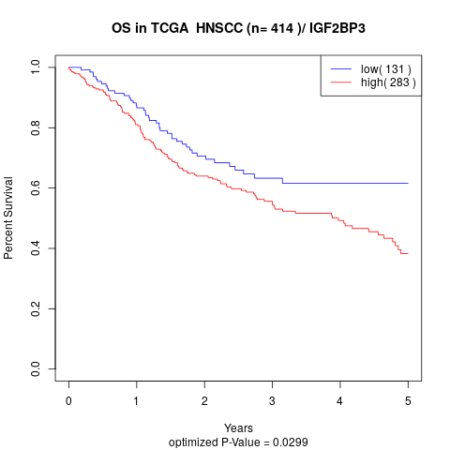

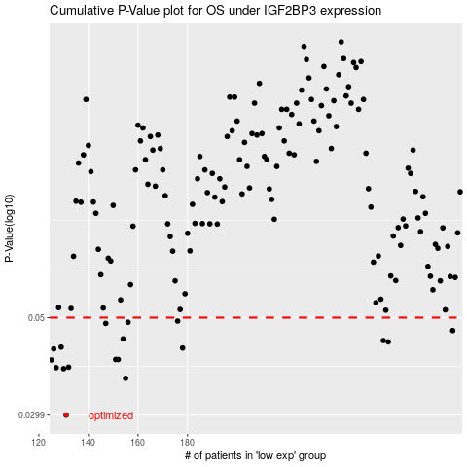

 |  |  |  |  |  | cases_OS | p_OS | rank | exp
 |  |  |  |  |  | 131 | 0.0299 | 180 | -0.59303598259
 |  |  |  |  |  | 155 | 0.0363 | 207 | -0.49151157181
 |  |  |  |  |  | 130 | 0.0382 | 301 | -0.59385329036
 |  |  |  |  |  | 127 | 0.0384 | 38 | -0.60275890559
 |  |  |  |  |  | 132 | 0.0385 | 229 | -0.59071587324
 |  |  |  |  |  | 125 | 0.04 | 280 | -0.61971494895
 |  |  |  |  |  | 152 | 0.0401 | 159 | -0.50392576056
 |  |  |  |  |  | 151 | 0.0401 | 333 | -0.50485747004
 |  |  |  |  |  | 126 | 0.0424 | 147 | -0.610168898
 |  |  |  |  |  | 178 | 0.0426 | 66 | -0.39596613933
 |  |  |  |  |  | 129 | 0.0428 | 386 | -0.59390949841
 |  |  |  |  |  | 261 | 0.044 | 281 | 0.10245490158
 |  |  |  |  |  | 259 | 0.0443 | 412 | 0.089851468886
 |  |  |  |  |  | 154 | 0.0447 | 34 | -0.49318498313
 |  |  |  |  |  | 287 | 0.0467 | 372 | 0.29860586545
 |  |  |  |  |  | 147 | 0.0485 | 250 | -0.51834220826
 |  |  |  |  |  | 156 | 0.0488 | 203 | -0.48485198738
 |  |  |  |  |  | 176 | 0.0491 | 218 | -0.40222020103
 |  |  |  |  |  |  | cases_RFS | p_RFS | rank | exp
 |  |  |  |  |  |  | 130 | 0.0299 | 301 | -0.59385329036
 |  |  |  |  |  |  | 154 | 0.0363 | 34 | -0.49318498313
 |  |  |  |  |  |  | 129 | 0.0382 | 386 | -0.59390949841
 |  |  |  |  |  |  | 126 | 0.0384 | 147 | -0.610168898
 |  |  |  |  |  |  | 131 | 0.0385 | 180 | -0.59303598259
 |  |  |  |  |  |  |  | 0.04 | 311 | -0.62210379096
 |  |  |  |  |  |  | 150 | 0.0401 | 271 | -0.50744349844
 |  |  |  |  |  |  | 151 | 0.0401 | 333 | -0.50485747004
 |  |  |  |  |  |  | 125 | 0.0424 | 280 | -0.61971494895
 |  |  |  |  |  |  | 177 | 0.0426 | 139 | -0.40148873272
 |  |  |  |  |  |  | 128 | 0.0428 | 152 | -0.59449510073
 |  |  |  |  |  |  | 260 | 0.044 | 39 | 0.092933594392
 |  |  |  |  |  |  | 258 | 0.0443 | 42 | 0.085128923738
 |  |  |  |  |  |  | 153 | 0.0447 | 129 | -0.50265222062
 |  |  |  |  |  |  | 286 | 0.0467 | 45 | 0.29223312535
 |  |  |  |  |  |  | 146 | 0.0485 | 393 | -0.52851006073
 |  |  |  |  |  |  | 155 | 0.0488 | 207 | -0.49151157181
 |  |  |  |  |  |  | 175 | 0.0491 | 165 | -0.40534494079

