IGF2R _multivariate
Reported by Tex Li-Hsing Chi. tex@gate.sinica.edu.tw 2019-08-19

Table 2. The clinicopathological features of HNSCC cohort and IGF2R expression. (Chi square test)
Cutoff at 0.018 (49.8%)
 |  | IGF2R expression |  | IGF2R expression |  | (Optimised)
 | Features | Low | (%) | High | (%) | Case no | P-value | Remark | Matthews
Gender | Female | 156 | 37.6 | 150 | 36.1 | 415 | 0.5222 | 0 | 0
2 | Male | 51 | 12.3 | 58 | 14
Age at diagnosis | <=65y | 133 | 32 | 141 | 34 | 415 | 0.5111 | 0 | 0
4 | >65y | 74 | 17.8 | 67 | 16.1
Clinical T Status | T1+T2 | 72 | 17.3 | 77 | 18.6 | 415 | 0.7095 | 0 | 0
6 | T3+T4 | 135 | 32.5 | 131 | 31.6
Clinical N Status | N0 | 105 | 25.3 | 111 | 26.7 | 415 | 0.6598 | 0 | 0
8 | N1-3 | 102 | 24.6 | 97 | 23.4
Clinical M Status | M0 | 204 | 49.2 | 208 | 50.1 | 415 | 0.1232 | 0 | 0
10 | M1 | 3 | 0.7 | 0 | 0
Clinical Stage | Stage I+II | 49 | 11.8 | 53 | 12.8 | 415 | 0.7535 | 0 | 0
12 | Stage III+IV | 158 | 38.1 | 155 | 37.3
Surgical Margin status | Negative | 158 | 38.1 | 160 | 38.6 | 415 | 0.9081 | 0 | 0
14 | Positive | 49 | 11.8 | 48 | 11.6
Tobacco Exposure | Low | 83 | 20 | 78 | 18.8 | 415 | 0.6152 | 0 | 0
16 | High | 124 | 29.9 | 130 | 31.3

Table 3. Univariate/Multivariate Cox's proportional hazards regression analyses on OS time of IGF2R gene expression in HNSCC

 |  | Univariate |  |  |  | Multivariate
 | Features | HR | CI95%(L) | CI95%(H) | P-value | HR | CI95%(L) | CI95%(H) | P-value
1 | Female | 1 |  |  |  | 1
Gender | Male | 1.157 | 0.843 | 1.587 | 0.367 | 1.193 | 0.854 | 1.665 | 0.301
11 | <=65y | 1 |  |  |  | 1
Age at diagnosis | >65y | 1.329 | 0.99 | 1.784 | 0.058 | 1.396 | 1.026 | 1.899 | 0.034
12 | T1+T2 | 1 |  |  |  | 1
Clinical T Status | T3+T4 | 1.409 | 1.028 | 1.931 | 0.033 | 2.259 | 1.193 | 4.276 | 0.012
13 | N0 | 1 |  |  |  | 1
Clinical N Status | N1-3 | 1.185 | 0.89 | 1.577 | 0.246 | 1.258 | 0.882 | 1.795 | 0.205
14 | M0 | 1 |  |  |  | 1
Clinical M Status | M1 | 4.097 | 1.009 | 16.644 | 0.049 | 10.822 | 2.335 | 50.162 | 0.002
15 | Stage I+II | 1 |  |  |  | 1
Clinical Stage | Stage III+IV | 1.245 | 0.882 | 1.759 | 0.213 | 0.489 | 0.227 | 1.051 | 0.067
16 | Negative | 1 |  |  |  | 1
Surgical Margin status | Positive | 1.591 | 1.155 | 2.191 | 0.004 | 1.703 | 1.231 | 2.357 | 0.001
17 | Low | 1 |  |  |  | 1
Tobacco Exposure | High | 1.364 | 1.008 | 1.844 | 0.044 | 1.446 | 1.049 | 1.993 | 0.024
18 | Low | 1 |  |  |  | 1
RNAseq(z-score) | High | 1.175 | 0.881 | 1.568 | 0.273 | 1.261 | 0.941 | 1.689 | 0.121

Table 4. Univariate/Multivariate Cox's proportional hazards regression analyses on RFS time of IGF2R gene expression in HNSCC

 |  | Univariate |  |  |  | Multivariate
 | Features | HR | CI95%(L) | CI95%(H) | P-value | HR | CI95%(L) | CI95%(H) | P-value
1 | Female | 1 |  |  |  | 1
Gender | Male | 1.157 | 0.843 | 1.587 | 0.367 | 1.193 | 0.854 | 1.665 | 0.301
11 | <=65y | 1 |  |  |  | 1
Age at diagnosis | >65y | 1.329 | 0.99 | 1.784 | 0.058 | 1.396 | 1.026 | 1.899 | 0.034
12 | T1+T2 | 1 |  |  |  | 1
Clinical T Status | T3+T4 | 1.409 | 1.028 | 1.931 | 0.033 | 2.259 | 1.193 | 4.276 | 0.012
13 | N0 | 1 |  |  |  | 1
Clinical N Status | N1-3 | 1.185 | 0.89 | 1.577 | 0.246 | 1.258 | 0.882 | 1.795 | 0.205
14 | M0 | 1 |  |  |  | 1
Clinical M Status | M1 | 4.097 | 1.009 | 16.644 | 0.049 | 10.822 | 2.335 | 50.162 | 0.002
15 | Stage I+II | 1 |  |  |  | 1
Clinical Stage | Stage III+IV | 1.245 | 0.882 | 1.759 | 0.213 | 0.489 | 0.227 | 1.051 | 0.067
16 | Negative | 1 |  |  |  | 1
Surgical Margin status | Positive | 1.591 | 1.155 | 2.191 | 0.004 | 1.703 | 1.231 | 2.357 | 0.001
17 | Low | 1 |  |  |  | 1
Tobacco Exposure | High | 1.364 | 1.008 | 1.844 | 0.044 | 1.446 | 1.049 | 1.993 | 0.024
18 | Low | 1 |  |  |  | 1
RNAseq(z-score) | High | 1.175 | 0.881 | 1.568 | 0.273 | 1.261 | 0.941 | 1.689 | 0.121

Kaplan-Meier survival estimate: Cutoff at 0.018 (49.8%)



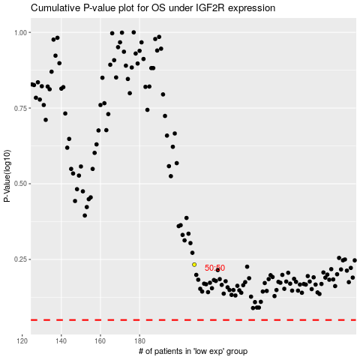

 |  |  |  |  |  | cases_OS | p_OS | rank | exp
 |  |  |  |  |  |  | cases_RFS | p_RFS | rank | exp

